VEPH1 _multivariate
Reported by Tex Li-Hsing Chi. tex@gate.sinica.edu.tw 2019-08-15

Table 2. The clinicopathological features of HNSCC cohort and VEPH1 expression. (Chi square test)
Cutoff at -0.296 (49.8%)
 |  | VEPH1 expression |  | VEPH1 expression |  | (Optimised)
 | Features | Low | (%) | High | (%) | Case no | P-value | Remark | Matthews
Gender | Female | 154 | 37.1 | 152 | 36.6 | 415 | 0.8463 | 0 | 0
2 | Male | 53 | 12.8 | 56 | 13.5
Age at diagnosis | <=65y | 140 | 33.7 | 134 | 32.3 | 415 | 0.5574 | 0 | 0
4 | >65y | 67 | 16.1 | 74 | 17.8
Clinical T Status | T1+T2 | 75 | 18.1 | 74 | 17.8 | 415 | 0.9707 | 0 | 0
6 | T3+T4 | 132 | 31.8 | 134 | 32.3
Clinical N Status | N0 | 107 | 25.8 | 109 | 26.3 | 415 | 0.9624 | 0 | 0
8 | N1-3 | 100 | 24.1 | 99 | 23.9
Clinical M Status | M0 | 205 | 49.4 | 207 | 49.9 | 415 | 0.6232 | 0 | 0
10 | M1 | 2 | 0.5 | 1 | 0.2
Clinical Stage | Stage I+II | 51 | 12.3 | 51 | 12.3 | 415 | 1 | 0 | 0
12 | Stage III+IV | 156 | 37.6 | 157 | 37.8
Surgical Margin status | Negative | 156 | 37.6 | 162 | 39 | 415 | 0.5636 | 0 | 0
14 | Positive | 51 | 12.3 | 46 | 11.1
Tobacco Exposure | Low | 82 | 19.8 | 79 | 19 | 415 | 0.763 | 0 | 0
16 | High | 125 | 30.1 | 129 | 31.1

Table 3. Univariate/Multivariate Cox's proportional hazards regression analyses on OS time of VEPH1 gene expression in HNSCC

 |  | Univariate |  |  |  | Multivariate
 | Features | HR | CI95%(L) | CI95%(H) | P-value | HR | CI95%(L) | CI95%(H) | P-value
1 | Female | 1 |  |  |  | 1
Gender | Male | 1.157 | 0.843 | 1.587 | 0.367 | 1.186 | 0.849 | 1.658 | 0.318
11 | <=65y | 1 |  |  |  | 1
Age at diagnosis | >65y | 1.329 | 0.99 | 1.784 | 0.058 | 1.384 | 1.018 | 1.882 | 0.038
12 | T1+T2 | 1 |  |  |  | 1
Clinical T Status | T3+T4 | 1.409 | 1.028 | 1.931 | 0.033 | 2.232 | 1.181 | 4.219 | 0.013
13 | N0 | 1 |  |  |  | 1
Clinical N Status | N1-3 | 1.185 | 0.89 | 1.577 | 0.246 | 1.257 | 0.88 | 1.795 | 0.209
14 | M0 | 1 |  |  |  | 1
Clinical M Status | M1 | 4.097 | 1.009 | 16.644 | 0.049 | 9.626 | 2.099 | 44.138 | 0.004
15 | Stage I+II | 1 |  |  |  | 1
Clinical Stage | Stage III+IV | 1.245 | 0.882 | 1.759 | 0.213 | 0.504 | 0.235 | 1.082 | 0.079
16 | Negative | 1 |  |  |  | 1
Surgical Margin status | Positive | 1.591 | 1.155 | 2.191 | 0.004 | 1.694 | 1.225 | 2.342 | 0.001
17 | Low | 1 |  |  |  | 1
Tobacco Exposure | High | 1.364 | 1.008 | 1.844 | 0.044 | 1.445 | 1.048 | 1.991 | 0.025
18 | Low | 1 |  |  |  | 1
RNAseq(z-score) | High | 1.161 | 0.871 | 1.547 | 0.308 | 1.215 | 0.908 | 1.625 | 0.191

Table 4. Univariate/Multivariate Cox's proportional hazards regression analyses on RFS time of VEPH1 gene expression in HNSCC

 |  | Univariate |  |  |  | Multivariate
 | Features | HR | CI95%(L) | CI95%(H) | P-value | HR | CI95%(L) | CI95%(H) | P-value
1 | Female | 1 |  |  |  | 1
Gender | Male | 1.157 | 0.843 | 1.587 | 0.367 | 1.186 | 0.849 | 1.658 | 0.318
11 | <=65y | 1 |  |  |  | 1
Age at diagnosis | >65y | 1.329 | 0.99 | 1.784 | 0.058 | 1.384 | 1.018 | 1.882 | 0.038
12 | T1+T2 | 1 |  |  |  | 1
Clinical T Status | T3+T4 | 1.409 | 1.028 | 1.931 | 0.033 | 2.232 | 1.181 | 4.219 | 0.013
13 | N0 | 1 |  |  |  | 1
Clinical N Status | N1-3 | 1.185 | 0.89 | 1.577 | 0.246 | 1.257 | 0.88 | 1.795 | 0.209
14 | M0 | 1 |  |  |  | 1
Clinical M Status | M1 | 4.097 | 1.009 | 16.644 | 0.049 | 9.626 | 2.099 | 44.138 | 0.004
15 | Stage I+II | 1 |  |  |  | 1
Clinical Stage | Stage III+IV | 1.245 | 0.882 | 1.759 | 0.213 | 0.504 | 0.235 | 1.082 | 0.079
16 | Negative | 1 |  |  |  | 1
Surgical Margin status | Positive | 1.591 | 1.155 | 2.191 | 0.004 | 1.694 | 1.225 | 2.342 | 0.001
17 | Low | 1 |  |  |  | 1
Tobacco Exposure | High | 1.364 | 1.008 | 1.844 | 0.044 | 1.445 | 1.048 | 1.991 | 0.025
18 | Low | 1 |  |  |  | 1
RNAseq(z-score) | High | 1.161 | 0.871 | 1.547 | 0.308 | 1.215 | 0.908 | 1.625 | 0.191

Kaplan-Meier survival estimate: Cutoff at -0.296 (49.8%)



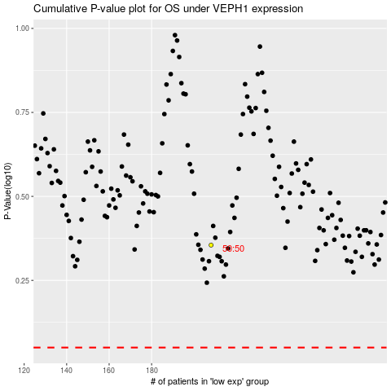

 |  |  |  |  |  | cases_OS | p_OS | rank | exp
 |  |  |  |  |  |  | cases_RFS | p_RFS | rank | exp

