VEZF1 _multivariate
Reported by Tex Li-Hsing Chi. tex@gate.sinica.edu.tw 2019-08-15

Table 2. The clinicopathological features of HNSCC cohort and VEZF1 expression. (Chi square test)
Cutoff at -0.208 (49.8%)
 |  | VEZF1 expression |  | VEZF1 expression |  | (Optimised)
 | Features | Low | (%) | High | (%) | Case no | P-value | Remark | Matthews
Gender | Female | 143 | 34.5 | 163 | 39.3 | 415 | 0.0416 | 1 | 0
2 | Male | 64 | 15.4 | 45 | 10.8
Age at diagnosis | <=65y | 132 | 31.8 | 142 | 34.2 | 415 | 0.3874 | 0 | 0
4 | >65y | 75 | 18.1 | 66 | 15.9
Clinical T Status | T1+T2 | 65 | 15.7 | 84 | 20.2 | 415 | 0.0711 | 0 | 0
6 | T3+T4 | 142 | 34.2 | 124 | 29.9
Clinical N Status | N0 | 115 | 27.7 | 101 | 24.3 | 415 | 0.184 | 1 | 0
8 | N1-3 | 92 | 22.2 | 107 | 25.8
Clinical M Status | M0 | 205 | 49.4 | 207 | 49.9 | 415 | 0.6232 | 0 | 0
10 | M1 | 2 | 0.5 | 1 | 0.2
Clinical Stage | Stage I+II | 48 | 11.6 | 54 | 13 | 415 | 0.5878 | 0 | 0
12 | Stage III+IV | 159 | 38.3 | 154 | 37.1
Surgical Margin status | Negative | 157 | 37.8 | 161 | 38.8 | 415 | 0.729 | 0 | 0
14 | Positive | 50 | 12 | 47 | 11.3
Tobacco Exposure | Low | 95 | 22.9 | 66 | 15.9 | 415 | 0.0035 | 1 | 0
16 | High | 112 | 27 | 142 | 34.2

Table 3. Univariate/Multivariate Cox's proportional hazards regression analyses on OS time of VEZF1 gene expression in HNSCC

 |  | Univariate |  |  |  | Multivariate
 | Features | HR | CI95%(L) | CI95%(H) | P-value | HR | CI95%(L) | CI95%(H) | P-value
1 | Female | 1 |  |  |  | 1
Gender | Male | 1.157 | 0.843 | 1.587 | 0.367 | 1.21 | 0.863 | 1.696 | 0.269
11 | <=65y | 1 |  |  |  | 1
Age at diagnosis | >65y | 1.329 | 0.99 | 1.784 | 0.058 | 1.393 | 1.025 | 1.894 | 0.034
12 | T1+T2 | 1 |  |  |  | 1
Clinical T Status | T3+T4 | 1.409 | 1.028 | 1.931 | 0.033 | 2.221 | 1.171 | 4.211 | 0.015
13 | N0 | 1 |  |  |  | 1
Clinical N Status | N1-3 | 1.185 | 0.89 | 1.577 | 0.246 | 1.237 | 0.866 | 1.766 | 0.242
14 | M0 | 1 |  |  |  | 1
Clinical M Status | M1 | 4.097 | 1.009 | 16.644 | 0.049 | 9.634 | 2.083 | 44.565 | 0.004
15 | Stage I+II | 1 |  |  |  | 1
Clinical Stage | Stage III+IV | 1.245 | 0.882 | 1.759 | 0.213 | 0.502 | 0.234 | 1.078 | 0.077
16 | Negative | 1 |  |  |  | 1
Surgical Margin status | Positive | 1.591 | 1.155 | 2.191 | 0.004 | 1.68 | 1.213 | 2.327 | 0.002
17 | Low | 1 |  |  |  | 1
Tobacco Exposure | High | 1.364 | 1.008 | 1.844 | 0.044 | 1.446 | 1.048 | 1.996 | 0.025
18 | Low | 1 |  |  |  | 1
RNAseq(z-score) | High | 0.966 | 0.723 | 1.29 | 0.813 | 1.044 | 0.774 | 1.409 | 0.777

Table 4. Univariate/Multivariate Cox's proportional hazards regression analyses on RFS time of VEZF1 gene expression in HNSCC

 |  | Univariate |  |  |  | Multivariate
 | Features | HR | CI95%(L) | CI95%(H) | P-value | HR | CI95%(L) | CI95%(H) | P-value
1 | Female | 1 |  |  |  | 1
Gender | Male | 1.157 | 0.843 | 1.587 | 0.367 | 1.21 | 0.863 | 1.696 | 0.269
11 | <=65y | 1 |  |  |  | 1
Age at diagnosis | >65y | 1.329 | 0.99 | 1.784 | 0.058 | 1.393 | 1.025 | 1.894 | 0.034
12 | T1+T2 | 1 |  |  |  | 1
Clinical T Status | T3+T4 | 1.409 | 1.028 | 1.931 | 0.033 | 2.221 | 1.171 | 4.211 | 0.015
13 | N0 | 1 |  |  |  | 1
Clinical N Status | N1-3 | 1.185 | 0.89 | 1.577 | 0.246 | 1.237 | 0.866 | 1.766 | 0.242
14 | M0 | 1 |  |  |  | 1
Clinical M Status | M1 | 4.097 | 1.009 | 16.644 | 0.049 | 9.634 | 2.083 | 44.565 | 0.004
15 | Stage I+II | 1 |  |  |  | 1
Clinical Stage | Stage III+IV | 1.245 | 0.882 | 1.759 | 0.213 | 0.502 | 0.234 | 1.078 | 0.077
16 | Negative | 1 |  |  |  | 1
Surgical Margin status | Positive | 1.591 | 1.155 | 2.191 | 0.004 | 1.68 | 1.213 | 2.327 | 0.002
17 | Low | 1 |  |  |  | 1
Tobacco Exposure | High | 1.364 | 1.008 | 1.844 | 0.044 | 1.446 | 1.048 | 1.996 | 0.025
18 | Low | 1 |  |  |  | 1
RNAseq(z-score) | High | 0.966 | 0.723 | 1.29 | 0.813 | 1.044 | 0.774 | 1.409 | 0.777

Kaplan-Meier survival estimate: Cutoff at -0.208 (49.8%)



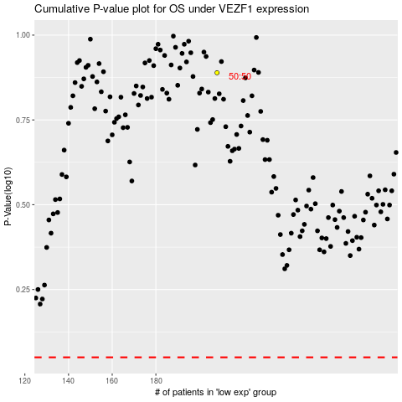

 |  |  |  |  |  | cases_OS | p_OS | rank | exp
 |  |  |  |  |  |  | cases_RFS | p_RFS | rank | exp

