VGF _multivariate
Reported by Tex Li-Hsing Chi. tex@gate.sinica.edu.tw 2019-08-15

Table 2. The clinicopathological features of HNSCC cohort and VGF expression. (Chi square test)
Cutoff at -0.101 (50.0%)
 |  | VGF expression |  | VGF expression |  | (Optimised)
 | Features | Low | (%) | High | (%) | Case no | P-value | Remark | Matthews
Gender | Female | 142 | 34.2 | 164 | 39.5 | 415 | 0.0238 | 1 | 0
2 | Male | 65 | 15.7 | 44 | 10.6
Age at diagnosis | <=65y | 128 | 30.8 | 146 | 35.2 | 415 | 0.0904 | 0 | 0
4 | >65y | 79 | 19 | 62 | 14.9
Clinical T Status | T1+T2 | 89 | 21.4 | 60 | 14.5 | 415 | 0.0037 | 1 | 0
6 | T3+T4 | 118 | 28.4 | 148 | 35.7
Clinical N Status | N0 | 106 | 25.5 | 110 | 26.5 | 415 | 0.8075 | 0 | 0
8 | N1-3 | 101 | 24.3 | 98 | 23.6
Clinical M Status | M0 | 205 | 49.4 | 207 | 49.9 | 415 | 0.6232 | 0 | 0
10 | M1 | 2 | 0.5 | 1 | 0.2
Clinical Stage | Stage I+II | 60 | 14.5 | 42 | 10.1 | 415 | 0.0493 | 1 | 0
12 | Stage III+IV | 147 | 35.4 | 166 | 40
Surgical Margin status | Negative | 157 | 37.8 | 161 | 38.8 | 415 | 0.729 | 0 | 0
14 | Positive | 50 | 12 | 47 | 11.3
Tobacco Exposure | Low | 93 | 22.4 | 68 | 16.4 | 415 | 0.0118 | 1 | 0
16 | High | 114 | 27.5 | 140 | 33.7

Table 3. Univariate/Multivariate Cox's proportional hazards regression analyses on OS time of VGF gene expression in HNSCC

 |  | Univariate |  |  |  | Multivariate
 | Features | HR | CI95%(L) | CI95%(H) | P-value | HR | CI95%(L) | CI95%(H) | P-value
1 | Female | 1 |  |  |  | 1
Gender | Male | 1.157 | 0.843 | 1.587 | 0.367 | 1.205 | 0.862 | 1.686 | 0.275
11 | <=65y | 1 |  |  |  | 1
Age at diagnosis | >65y | 1.329 | 0.99 | 1.784 | 0.058 | 1.393 | 1.025 | 1.893 | 0.034
12 | T1+T2 | 1 |  |  |  | 1
Clinical T Status | T3+T4 | 1.409 | 1.028 | 1.931 | 0.033 | 2.188 | 1.155 | 4.146 | 0.016
13 | N0 | 1 |  |  |  | 1
Clinical N Status | N1-3 | 1.185 | 0.89 | 1.577 | 0.246 | 1.243 | 0.871 | 1.774 | 0.231
14 | M0 | 1 |  |  |  | 1
Clinical M Status | M1 | 4.097 | 1.009 | 16.644 | 0.049 | 9.396 | 2.05 | 43.072 | 0.004
15 | Stage I+II | 1 |  |  |  | 1
Clinical Stage | Stage III+IV | 1.245 | 0.882 | 1.759 | 0.213 | 0.503 | 0.235 | 1.081 | 0.078
16 | Negative | 1 |  |  |  | 1
Surgical Margin status | Positive | 1.591 | 1.155 | 2.191 | 0.004 | 1.67 | 1.208 | 2.307 | 0.002
17 | Low | 1 |  |  |  | 1
Tobacco Exposure | High | 1.364 | 1.008 | 1.844 | 0.044 | 1.45 | 1.052 | 1.999 | 0.023
18 | Low | 1 |  |  |  | 1
RNAseq(z-score) | High | 1.113 | 0.835 | 1.483 | 0.467 | 1.036 | 0.77 | 1.393 | 0.816

Table 4. Univariate/Multivariate Cox's proportional hazards regression analyses on RFS time of VGF gene expression in HNSCC

 |  | Univariate |  |  |  | Multivariate
 | Features | HR | CI95%(L) | CI95%(H) | P-value | HR | CI95%(L) | CI95%(H) | P-value
1 | Female | 1 |  |  |  | 1
Gender | Male | 1.157 | 0.843 | 1.587 | 0.367 | 1.205 | 0.862 | 1.686 | 0.275
11 | <=65y | 1 |  |  |  | 1
Age at diagnosis | >65y | 1.329 | 0.99 | 1.784 | 0.058 | 1.393 | 1.025 | 1.893 | 0.034
12 | T1+T2 | 1 |  |  |  | 1
Clinical T Status | T3+T4 | 1.409 | 1.028 | 1.931 | 0.033 | 2.188 | 1.155 | 4.146 | 0.016
13 | N0 | 1 |  |  |  | 1
Clinical N Status | N1-3 | 1.185 | 0.89 | 1.577 | 0.246 | 1.243 | 0.871 | 1.774 | 0.231
14 | M0 | 1 |  |  |  | 1
Clinical M Status | M1 | 4.097 | 1.009 | 16.644 | 0.049 | 9.396 | 2.05 | 43.072 | 0.004
15 | Stage I+II | 1 |  |  |  | 1
Clinical Stage | Stage III+IV | 1.245 | 0.882 | 1.759 | 0.213 | 0.503 | 0.235 | 1.081 | 0.078
16 | Negative | 1 |  |  |  | 1
Surgical Margin status | Positive | 1.591 | 1.155 | 2.191 | 0.004 | 1.67 | 1.208 | 2.307 | 0.002
17 | Low | 1 |  |  |  | 1
Tobacco Exposure | High | 1.364 | 1.008 | 1.844 | 0.044 | 1.45 | 1.052 | 1.999 | 0.023
18 | Low | 1 |  |  |  | 1
RNAseq(z-score) | High | 1.113 | 0.835 | 1.483 | 0.467 | 1.036 | 0.77 | 1.393 | 0.816

Kaplan-Meier survival estimate: Cutoff at -0.101 (50.0%)

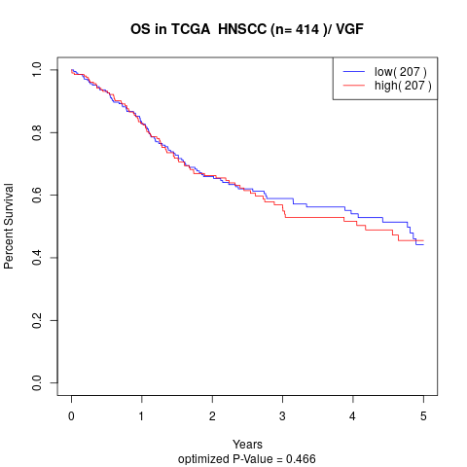

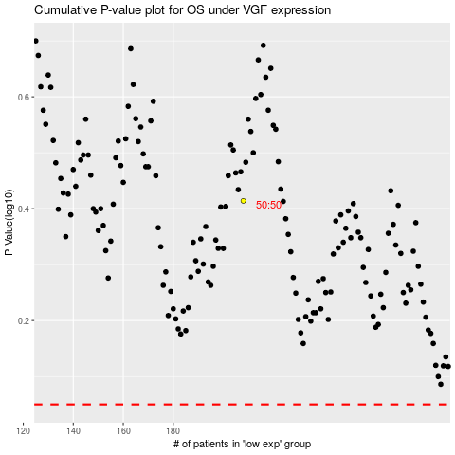

 |  |  |  |  |  | cases_OS | p_OS | rank | exp
 |  |  |  |  |  |  | cases_RFS | p_RFS | rank | exp

