VGLL1 _multivariate
Reported by Tex Li-Hsing Chi. tex@gate.sinica.edu.tw 2019-08-15

Table 2. The clinicopathological features of HNSCC cohort and VGLL1 expression. (Chi square test)
Cutoff at -0.304 (50.0%)
 |  | VGLL1 expression |  | VGLL1 expression |  | (Optimised)
 | Features | Low | (%) | High | (%) | Case no | P-value | Remark | Matthews
Gender | Female | 162 | 39 | 144 | 34.7 | 415 | 0.0479 | 1 | 0
2 | Male | 45 | 10.8 | 64 | 15.4
Age at diagnosis | <=65y | 142 | 34.2 | 132 | 31.8 | 415 | 0.3167 | 0 | 0
4 | >65y | 65 | 15.7 | 76 | 18.3
Clinical T Status | T1+T2 | 82 | 19.8 | 67 | 16.1 | 415 | 0.1417 | 0 | 0
6 | T3+T4 | 125 | 30.1 | 141 | 34
Clinical N Status | N0 | 104 | 25.1 | 112 | 27 | 415 | 0.5243 | 0 | 0
8 | N1-3 | 103 | 24.8 | 96 | 23.1
Clinical M Status | M0 | 205 | 49.4 | 207 | 49.9 | 415 | 0.6232 | 0 | 0
10 | M1 | 2 | 0.5 | 1 | 0.2
Clinical Stage | Stage I+II | 57 | 13.7 | 45 | 10.8 | 415 | 0.1998 | 0 | 0
12 | Stage III+IV | 150 | 36.1 | 163 | 39.3
Surgical Margin status | Negative | 155 | 37.3 | 163 | 39.3 | 415 | 0.4187 | 0 | 0
14 | Positive | 52 | 12.5 | 45 | 10.8
Tobacco Exposure | Low | 73 | 17.6 | 88 | 21.2 | 415 | 0.1587 | 0 | 0
16 | High | 134 | 32.3 | 120 | 28.9

Table 3. Univariate/Multivariate Cox's proportional hazards regression analyses on OS time of VGLL1 gene expression in HNSCC

 |  | Univariate |  |  |  | Multivariate
 | Features | HR | CI95%(L) | CI95%(H) | P-value | HR | CI95%(L) | CI95%(H) | P-value
1 | Female | 1 |  |  |  | 1
Gender | Male | 1.157 | 0.843 | 1.587 | 0.367 | 1.209 | 0.862 | 1.695 | 0.271
11 | <=65y | 1 |  |  |  | 1
Age at diagnosis | >65y | 1.329 | 0.99 | 1.784 | 0.058 | 1.393 | 1.025 | 1.894 | 0.034
12 | T1+T2 | 1 |  |  |  | 1
Clinical T Status | T3+T4 | 1.409 | 1.028 | 1.931 | 0.033 | 2.199 | 1.163 | 4.158 | 0.015
13 | N0 | 1 |  |  |  | 1
Clinical N Status | N1-3 | 1.185 | 0.89 | 1.577 | 0.246 | 1.236 | 0.865 | 1.766 | 0.244
14 | M0 | 1 |  |  |  | 1
Clinical M Status | M1 | 4.097 | 1.009 | 16.644 | 0.049 | 9.39 | 2.048 | 43.045 | 0.004
15 | Stage I+II | 1 |  |  |  | 1
Clinical Stage | Stage III+IV | 1.245 | 0.882 | 1.759 | 0.213 | 0.508 | 0.236 | 1.094 | 0.084
16 | Negative | 1 |  |  |  | 1
Surgical Margin status | Positive | 1.591 | 1.155 | 2.191 | 0.004 | 1.669 | 1.208 | 2.307 | 0.002
17 | Low | 1 |  |  |  | 1
Tobacco Exposure | High | 1.364 | 1.008 | 1.844 | 0.044 | 1.453 | 1.055 | 2.002 | 0.022
18 | Low | 1 |  |  |  | 1
RNAseq(z-score) | High | 0.981 | 0.737 | 1.307 | 0.898 | 0.964 | 0.72 | 1.291 | 0.806

Table 4. Univariate/Multivariate Cox's proportional hazards regression analyses on RFS time of VGLL1 gene expression in HNSCC

 |  | Univariate |  |  |  | Multivariate
 | Features | HR | CI95%(L) | CI95%(H) | P-value | HR | CI95%(L) | CI95%(H) | P-value
1 | Female | 1 |  |  |  | 1
Gender | Male | 1.157 | 0.843 | 1.587 | 0.367 | 1.209 | 0.862 | 1.695 | 0.271
11 | <=65y | 1 |  |  |  | 1
Age at diagnosis | >65y | 1.329 | 0.99 | 1.784 | 0.058 | 1.393 | 1.025 | 1.894 | 0.034
12 | T1+T2 | 1 |  |  |  | 1
Clinical T Status | T3+T4 | 1.409 | 1.028 | 1.931 | 0.033 | 2.199 | 1.163 | 4.158 | 0.015
13 | N0 | 1 |  |  |  | 1
Clinical N Status | N1-3 | 1.185 | 0.89 | 1.577 | 0.246 | 1.236 | 0.865 | 1.766 | 0.244
14 | M0 | 1 |  |  |  | 1
Clinical M Status | M1 | 4.097 | 1.009 | 16.644 | 0.049 | 9.39 | 2.048 | 43.045 | 0.004
15 | Stage I+II | 1 |  |  |  | 1
Clinical Stage | Stage III+IV | 1.245 | 0.882 | 1.759 | 0.213 | 0.508 | 0.236 | 1.094 | 0.084
16 | Negative | 1 |  |  |  | 1
Surgical Margin status | Positive | 1.591 | 1.155 | 2.191 | 0.004 | 1.669 | 1.208 | 2.307 | 0.002
17 | Low | 1 |  |  |  | 1
Tobacco Exposure | High | 1.364 | 1.008 | 1.844 | 0.044 | 1.453 | 1.055 | 2.002 | 0.022
18 | Low | 1 |  |  |  | 1
RNAseq(z-score) | High | 0.981 | 0.737 | 1.307 | 0.898 | 0.964 | 0.72 | 1.291 | 0.806

Kaplan-Meier survival estimate: Cutoff at -0.304 (50.0%)



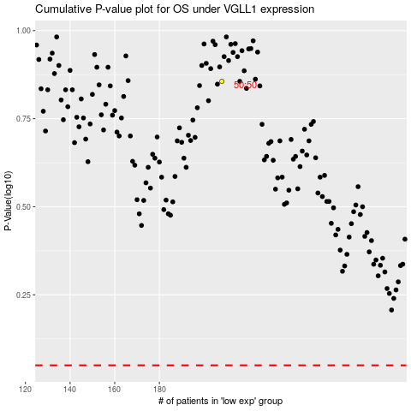

 |  |  |  |  |  | cases_OS | p_OS | rank | exp
 |  |  |  |  |  |  | cases_RFS | p_RFS | rank | exp

