VIP _multivariate
Reported by Tex Li-Hsing Chi. tex@gate.sinica.edu.tw 2019-08-15

Table 2. The clinicopathological features of HNSCC cohort and VIP expression. (Chi square test)
Cutoff at -0.157 (50.0%)
 |  | VIP expression |  | VIP expression |  | (Optimised)
 | Features | Low | (%) | High | (%) | Case no | P-value | Remark | Matthews
Gender | Female | 155 | 37.3 | 151 | 36.4 | 415 | 0.6768 | 0 | 0
2 | Male | 52 | 12.5 | 57 | 13.7
Age at diagnosis | <=65y | 134 | 32.3 | 140 | 33.7 | 415 | 0.6529 | 0 | 0
4 | >65y | 73 | 17.6 | 68 | 16.4
Clinical T Status | T1+T2 | 65 | 15.7 | 84 | 20.2 | 415 | 0.0711 | 0 | 0
6 | T3+T4 | 142 | 34.2 | 124 | 29.9
Clinical N Status | N0 | 106 | 25.5 | 110 | 26.5 | 415 | 0.8075 | 0 | 0
8 | N1-3 | 101 | 24.3 | 98 | 23.6
Clinical M Status | M0 | 206 | 49.6 | 206 | 49.6 | 415 | 1 | 0 | 0
10 | M1 | 1 | 0.2 | 2 | 0.5
Clinical Stage | Stage I+II | 42 | 10.1 | 60 | 14.5 | 415 | 0.0561 | 0 | 0
12 | Stage III+IV | 165 | 39.8 | 148 | 35.7
Surgical Margin status | Negative | 166 | 40 | 152 | 36.6 | 415 | 0.1042 | 0 | 0
14 | Positive | 41 | 9.9 | 56 | 13.5
Tobacco Exposure | Low | 79 | 19 | 82 | 19.8 | 415 | 0.8405 | 0 | 0
16 | High | 128 | 30.8 | 126 | 30.4

Table 3. Univariate/Multivariate Cox's proportional hazards regression analyses on OS time of VIP gene expression in HNSCC

 |  | Univariate |  |  |  | Multivariate
 | Features | HR | CI95%(L) | CI95%(H) | P-value | HR | CI95%(L) | CI95%(H) | P-value
1 | Female | 1 |  |  |  | 1
Gender | Male | 1.157 | 0.843 | 1.587 | 0.367 | 1.204 | 0.862 | 1.682 | 0.276
11 | <=65y | 1 |  |  |  | 1
Age at diagnosis | >65y | 1.329 | 0.99 | 1.784 | 0.058 | 1.407 | 1.035 | 1.913 | 0.029
12 | T1+T2 | 1 |  |  |  | 1
Clinical T Status | T3+T4 | 1.409 | 1.028 | 1.931 | 0.033 | 2.205 | 1.166 | 4.169 | 0.015
13 | N0 | 1 |  |  |  | 1
Clinical N Status | N1-3 | 1.185 | 0.89 | 1.577 | 0.246 | 1.239 | 0.869 | 1.767 | 0.236
14 | M0 | 1 |  |  |  | 1
Clinical M Status | M1 | 4.097 | 1.009 | 16.644 | 0.049 | 9.709 | 2.116 | 44.553 | 0.003
15 | Stage I+II | 1 |  |  |  | 1
Clinical Stage | Stage III+IV | 1.245 | 0.882 | 1.759 | 0.213 | 0.49 | 0.228 | 1.053 | 0.068
16 | Negative | 1 |  |  |  | 1
Surgical Margin status | Positive | 1.591 | 1.155 | 2.191 | 0.004 | 1.713 | 1.237 | 2.373 | 0.001
17 | Low | 1 |  |  |  | 1
Tobacco Exposure | High | 1.364 | 1.008 | 1.844 | 0.044 | 1.469 | 1.065 | 2.026 | 0.019
18 | Low | 1 |  |  |  | 1
RNAseq(z-score) | High | 0.872 | 0.653 | 1.164 | 0.353 | 0.83 | 0.619 | 1.113 | 0.214

Table 4. Univariate/Multivariate Cox's proportional hazards regression analyses on RFS time of VIP gene expression in HNSCC

 |  | Univariate |  |  |  | Multivariate
 | Features | HR | CI95%(L) | CI95%(H) | P-value | HR | CI95%(L) | CI95%(H) | P-value
1 | Female | 1 |  |  |  | 1
Gender | Male | 1.157 | 0.843 | 1.587 | 0.367 | 1.204 | 0.862 | 1.682 | 0.276
11 | <=65y | 1 |  |  |  | 1
Age at diagnosis | >65y | 1.329 | 0.99 | 1.784 | 0.058 | 1.407 | 1.035 | 1.913 | 0.029
12 | T1+T2 | 1 |  |  |  | 1
Clinical T Status | T3+T4 | 1.409 | 1.028 | 1.931 | 0.033 | 2.205 | 1.166 | 4.169 | 0.015
13 | N0 | 1 |  |  |  | 1
Clinical N Status | N1-3 | 1.185 | 0.89 | 1.577 | 0.246 | 1.239 | 0.869 | 1.767 | 0.236
14 | M0 | 1 |  |  |  | 1
Clinical M Status | M1 | 4.097 | 1.009 | 16.644 | 0.049 | 9.709 | 2.116 | 44.553 | 0.003
15 | Stage I+II | 1 |  |  |  | 1
Clinical Stage | Stage III+IV | 1.245 | 0.882 | 1.759 | 0.213 | 0.49 | 0.228 | 1.053 | 0.068
16 | Negative | 1 |  |  |  | 1
Surgical Margin status | Positive | 1.591 | 1.155 | 2.191 | 0.004 | 1.713 | 1.237 | 2.373 | 0.001
17 | Low | 1 |  |  |  | 1
Tobacco Exposure | High | 1.364 | 1.008 | 1.844 | 0.044 | 1.469 | 1.065 | 2.026 | 0.019
18 | Low | 1 |  |  |  | 1
RNAseq(z-score) | High | 0.872 | 0.653 | 1.164 | 0.353 | 0.83 | 0.619 | 1.113 | 0.214

Kaplan-Meier survival estimate: Cutoff at -0.157 (50.0%)



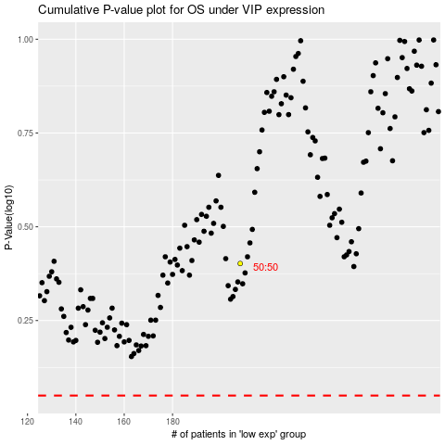

 |  |  |  |  |  | cases_OS | p_OS | rank | exp
 |  |  |  |  |  |  | cases_RFS | p_RFS | rank | exp

