VKORC1 _multivariate
Reported by Tex Li-Hsing Chi. tex@gate.sinica.edu.tw 2019-08-15

Table 2. The clinicopathological features of HNSCC cohort and VKORC1 expression. (Chi square test)
Cutoff at -0.469 (31.9%)
 |  | VKORC1 expression |  | VKORC1 expression |  | (Optimised)
 | Features | Low | (%) | High | (%) | Case no | P-value | Remark | Matthews
Gender | Female | 100 | 24.1 | 206 | 49.6 | 415 | 0.6033 | 0 | 0
2 | Male | 32 | 7.7 | 77 | 18.6
Age at diagnosis | <=65y | 82 | 19.8 | 192 | 46.3 | 415 | 0.3006 | 0 | 0
4 | >65y | 50 | 12 | 91 | 21.9
Clinical T Status | T1+T2 | 48 | 11.6 | 101 | 24.3 | 415 | 0.9812 | 0 | 0
6 | T3+T4 | 84 | 20.2 | 182 | 43.9
Clinical N Status | N0 | 71 | 17.1 | 145 | 34.9 | 415 | 0.7047 | 0 | 0
8 | N1-3 | 61 | 14.7 | 138 | 33.3
Clinical M Status | M0 | 131 | 31.6 | 281 | 67.7 | 415 | 1 | 0 | 0
10 | M1 | 1 | 0.2 | 2 | 0.5
Clinical Stage | Stage I+II | 31 | 7.5 | 71 | 17.1 | 415 | 0.8174 | 0 | 0
12 | Stage III+IV | 101 | 24.3 | 212 | 51.1
Surgical Margin status | Negative | 99 | 23.9 | 219 | 52.8 | 415 | 0.6193 | 0 | 0
14 | Positive | 33 | 8 | 64 | 15.4
Tobacco Exposure | Low | 55 | 13.3 | 106 | 25.5 | 415 | 0.4494 | 0 | 0
16 | High | 77 | 18.6 | 177 | 42.7

Table 3. Univariate/Multivariate Cox's proportional hazards regression analyses on OS time of VKORC1 gene expression in HNSCC

 |  | Univariate |  |  |  | Multivariate
 | Features | HR | CI95%(L) | CI95%(H) | P-value | HR | CI95%(L) | CI95%(H) | P-value
1 | Female | 1 |  |  |  | 1
Gender | Male | 1.157 | 0.843 | 1.587 | 0.367 | 1.161 | 0.831 | 1.622 | 0.382
11 | <=65y | 1 |  |  |  | 1
Age at diagnosis | >65y | 1.329 | 0.99 | 1.784 | 0.058 | 1.43 | 1.052 | 1.945 | 0.023
12 | T1+T2 | 1 |  |  |  | 1
Clinical T Status | T3+T4 | 1.409 | 1.028 | 1.931 | 0.033 | 2.096 | 1.109 | 3.962 | 0.023
13 | N0 | 1 |  |  |  | 1
Clinical N Status | N1-3 | 1.185 | 0.89 | 1.577 | 0.246 | 1.212 | 0.849 | 1.73 | 0.289
14 | M0 | 1 |  |  |  | 1
Clinical M Status | M1 | 4.097 | 1.009 | 16.644 | 0.049 | 8.597 | 1.874 | 39.448 | 0.006
15 | Stage I+II | 1 |  |  |  | 1
Clinical Stage | Stage III+IV | 1.245 | 0.882 | 1.759 | 0.213 | 0.541 | 0.252 | 1.162 | 0.115
16 | Negative | 1 |  |  |  | 1
Surgical Margin status | Positive | 1.591 | 1.155 | 2.191 | 0.004 | 1.687 | 1.222 | 2.329 | 0.001
17 | Low | 1 |  |  |  | 1
Tobacco Exposure | High | 1.364 | 1.008 | 1.844 | 0.044 | 1.426 | 1.036 | 1.963 | 0.029
18 | Low | 1 |  |  |  | 1
RNAseq(z-score) | High | 1.498 | 1.085 | 2.067 | 0.014 | 1.485 | 1.072 | 2.058 | 0.017

Table 4. Univariate/Multivariate Cox's proportional hazards regression analyses on RFS time of VKORC1 gene expression in HNSCC

 |  | Univariate |  |  |  | Multivariate
 | Features | HR | CI95%(L) | CI95%(H) | P-value | HR | CI95%(L) | CI95%(H) | P-value
1 | Female | 1 |  |  |  | 1
Gender | Male | 1.157 | 0.843 | 1.587 | 0.367 | 1.161 | 0.831 | 1.622 | 0.382
11 | <=65y | 1 |  |  |  | 1
Age at diagnosis | >65y | 1.329 | 0.99 | 1.784 | 0.058 | 1.43 | 1.052 | 1.945 | 0.023
12 | T1+T2 | 1 |  |  |  | 1
Clinical T Status | T3+T4 | 1.409 | 1.028 | 1.931 | 0.033 | 2.096 | 1.109 | 3.962 | 0.023
13 | N0 | 1 |  |  |  | 1
Clinical N Status | N1-3 | 1.185 | 0.89 | 1.577 | 0.246 | 1.212 | 0.849 | 1.73 | 0.289
14 | M0 | 1 |  |  |  | 1
Clinical M Status | M1 | 4.097 | 1.009 | 16.644 | 0.049 | 8.597 | 1.874 | 39.448 | 0.006
15 | Stage I+II | 1 |  |  |  | 1
Clinical Stage | Stage III+IV | 1.245 | 0.882 | 1.759 | 0.213 | 0.541 | 0.252 | 1.162 | 0.115
16 | Negative | 1 |  |  |  | 1
Surgical Margin status | Positive | 1.591 | 1.155 | 2.191 | 0.004 | 1.687 | 1.222 | 2.329 | 0.001
17 | Low | 1 |  |  |  | 1
Tobacco Exposure | High | 1.364 | 1.008 | 1.844 | 0.044 | 1.426 | 1.036 | 1.963 | 0.029
18 | Low | 1 |  |  |  | 1
RNAseq(z-score) | High | 1.498 | 1.085 | 2.067 | 0.014 | 1.485 | 1.072 | 2.058 | 0.017

Kaplan-Meier survival estimate: Cutoff at -0.469 (31.9%)

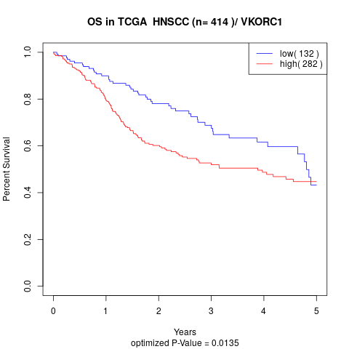

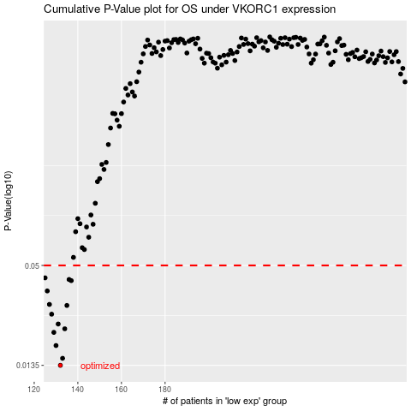

 |  |  |  |  |  | cases_OS | p_OS | rank | exp
 |  |  |  |  |  | 132 | 0.0135 | 279 | -0.46925991713
 |  |  |  |  |  | 133 | 0.0148 | 224 | -0.46561635427
 |  |  |  |  |  | 130 | 0.0175 | 404 | -0.47827717688
 |  |  |  |  |  | 129 | 0.0208 | 303 | -0.47928502592
 |  |  |  |  |  | 134 | 0.0218 | 123 | -0.46449561416
 |  |  |  |  |  | 131 | 0.0232 | 230 | -0.47579697766
 |  |  |  |  |  | 128 | 0.0264 | 121 | -0.47957167937
 |  |  |  |  |  | 135 | 0.0296 | 213 | -0.46207792037
 |  |  |  |  |  | 127 | 0.03 | 299 | -0.48097308113
 |  |  |  |  |  | 126 | 0.0358 | 167 | -0.48310139792
 |  |  |  |  |  | 137 | 0.041 | 355 | -0.46005718374
 |  |  |  |  |  | 136 | 0.0416 | 345 | -0.46103983995
 |  |  |  |  |  | 125 | 0.0425 | 93 | -0.4863481398
 |  |  |  |  |  |  | cases_RFS | p_RFS | rank | exp
 |  |  |  |  |  |  | 131 | 0.0135 | 230 | -0.47579697766
 |  |  |  |  |  |  | 132 | 0.0148 | 279 | -0.46925991713
 |  |  |  |  |  |  | 129 | 0.0175 | 303 | -0.47928502592
 |  |  |  |  |  |  | 128 | 0.0208 | 121 | -0.47957167937
 |  |  |  |  |  |  | 133 | 0.0218 | 224 | -0.46561635427
 |  |  |  |  |  |  | 130 | 0.0232 | 404 | -0.47827717688
 |  |  |  |  |  |  | 127 | 0.0264 | 299 | -0.48097308113
 |  |  |  |  |  |  | 134 | 0.0296 | 123 | -0.46449561416
 |  |  |  |  |  |  | 126 | 0.03 | 167 | -0.48310139792
 |  |  |  |  |  |  | 125 | 0.0358 | 93 | -0.4863481398
 |  |  |  |  |  |  | 136 | 0.041 | 345 | -0.46103983995
 |  |  |  |  |  |  | 135 | 0.0416 | 213 | -0.46207792037
 |  |  |  |  |  |  |  | 0.0425 | 50 | -0.49318329268

