VKORC1L1 _multivariate
Reported by Tex Li-Hsing Chi. tex@gate.sinica.edu.tw 2019-08-15

Table 2. The clinicopathological features of HNSCC cohort and VKORC1L1 expression. (Chi square test)
Cutoff at -0.203 (49.8%)
 |  | VKORC1L1 expression |  | VKORC1L1 expression |  | (Optimised)
 | Features | Low | (%) | High | (%) | Case no | P-value | Remark | Matthews
Gender | Female | 144 | 34.7 | 162 | 39 | 415 | 0.0697 | 0 | 0
2 | Male | 63 | 15.2 | 46 | 11.1
Age at diagnosis | <=65y | 134 | 32.3 | 140 | 33.7 | 415 | 0.6529 | 0 | 0
4 | >65y | 73 | 17.6 | 68 | 16.4
Clinical T Status | T1+T2 | 89 | 21.4 | 60 | 14.5 | 415 | 0.0037 | 1 | 0
6 | T3+T4 | 118 | 28.4 | 148 | 35.7
Clinical N Status | N0 | 106 | 25.5 | 110 | 26.5 | 415 | 0.8075 | 0 | 0
8 | N1-3 | 101 | 24.3 | 98 | 23.6
Clinical M Status | M0 | 205 | 49.4 | 207 | 49.9 | 415 | 0.6232 | 0 | 0
10 | M1 | 2 | 0.5 | 1 | 0.2
Clinical Stage | Stage I+II | 58 | 14 | 44 | 10.6 | 415 | 0.131 | 0 | 0
12 | Stage III+IV | 149 | 35.9 | 164 | 39.5
Surgical Margin status | Negative | 157 | 37.8 | 161 | 38.8 | 415 | 0.729 | 0 | 0
14 | Positive | 50 | 12 | 47 | 11.3
Tobacco Exposure | Low | 100 | 24.1 | 61 | 14.7 | 415 | 1e-04 | 1 | 0
16 | High | 107 | 25.8 | 147 | 35.4

Table 3. Univariate/Multivariate Cox's proportional hazards regression analyses on OS time of VKORC1L1 gene expression in HNSCC

 |  | Univariate |  |  |  | Multivariate
 | Features | HR | CI95%(L) | CI95%(H) | P-value | HR | CI95%(L) | CI95%(H) | P-value
1 | Female | 1 |  |  |  | 1
Gender | Male | 1.157 | 0.843 | 1.587 | 0.367 | 1.214 | 0.869 | 1.697 | 0.256
11 | <=65y | 1 |  |  |  | 1
Age at diagnosis | >65y | 1.329 | 0.99 | 1.784 | 0.058 | 1.402 | 1.031 | 1.906 | 0.031
12 | T1+T2 | 1 |  |  |  | 1
Clinical T Status | T3+T4 | 1.409 | 1.028 | 1.931 | 0.033 | 2.156 | 1.139 | 4.084 | 0.018
13 | N0 | 1 |  |  |  | 1
Clinical N Status | N1-3 | 1.185 | 0.89 | 1.577 | 0.246 | 1.249 | 0.875 | 1.784 | 0.221
14 | M0 | 1 |  |  |  | 1
Clinical M Status | M1 | 4.097 | 1.009 | 16.644 | 0.049 | 9.626 | 2.098 | 44.168 | 0.004
15 | Stage I+II | 1 |  |  |  | 1
Clinical Stage | Stage III+IV | 1.245 | 0.882 | 1.759 | 0.213 | 0.506 | 0.236 | 1.087 | 0.081
16 | Negative | 1 |  |  |  | 1
Surgical Margin status | Positive | 1.591 | 1.155 | 2.191 | 0.004 | 1.683 | 1.218 | 2.327 | 0.002
17 | Low | 1 |  |  |  | 1
Tobacco Exposure | High | 1.364 | 1.008 | 1.844 | 0.044 | 1.423 | 1.029 | 1.967 | 0.033
18 | Low | 1 |  |  |  | 1
RNAseq(z-score) | High | 1.154 | 0.864 | 1.542 | 0.332 | 1.13 | 0.835 | 1.529 | 0.427

Table 4. Univariate/Multivariate Cox's proportional hazards regression analyses on RFS time of VKORC1L1 gene expression in HNSCC

 |  | Univariate |  |  |  | Multivariate
 | Features | HR | CI95%(L) | CI95%(H) | P-value | HR | CI95%(L) | CI95%(H) | P-value
1 | Female | 1 |  |  |  | 1
Gender | Male | 1.157 | 0.843 | 1.587 | 0.367 | 1.214 | 0.869 | 1.697 | 0.256
11 | <=65y | 1 |  |  |  | 1
Age at diagnosis | >65y | 1.329 | 0.99 | 1.784 | 0.058 | 1.402 | 1.031 | 1.906 | 0.031
12 | T1+T2 | 1 |  |  |  | 1
Clinical T Status | T3+T4 | 1.409 | 1.028 | 1.931 | 0.033 | 2.156 | 1.139 | 4.084 | 0.018
13 | N0 | 1 |  |  |  | 1
Clinical N Status | N1-3 | 1.185 | 0.89 | 1.577 | 0.246 | 1.249 | 0.875 | 1.784 | 0.221
14 | M0 | 1 |  |  |  | 1
Clinical M Status | M1 | 4.097 | 1.009 | 16.644 | 0.049 | 9.626 | 2.098 | 44.168 | 0.004
15 | Stage I+II | 1 |  |  |  | 1
Clinical Stage | Stage III+IV | 1.245 | 0.882 | 1.759 | 0.213 | 0.506 | 0.236 | 1.087 | 0.081
16 | Negative | 1 |  |  |  | 1
Surgical Margin status | Positive | 1.591 | 1.155 | 2.191 | 0.004 | 1.683 | 1.218 | 2.327 | 0.002
17 | Low | 1 |  |  |  | 1
Tobacco Exposure | High | 1.364 | 1.008 | 1.844 | 0.044 | 1.423 | 1.029 | 1.967 | 0.033
18 | Low | 1 |  |  |  | 1
RNAseq(z-score) | High | 1.154 | 0.864 | 1.542 | 0.332 | 1.13 | 0.835 | 1.529 | 0.427

Kaplan-Meier survival estimate: Cutoff at -0.203 (49.8%)



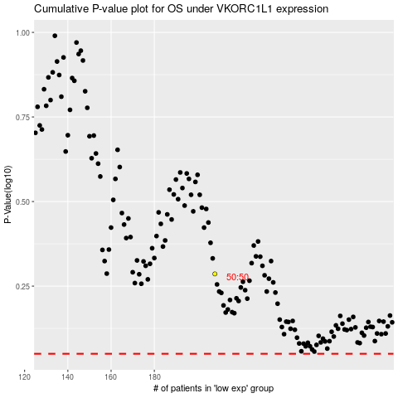

 |  |  |  |  |  | cases_OS | p_OS | rank | exp
 |  |  |  |  |  |  | cases_RFS | p_RFS | rank | exp

