VMAC _multivariate
Reported by Tex Li-Hsing Chi. tex@gate.sinica.edu.tw 2019-08-15

Table 2. The clinicopathological features of HNSCC cohort and VMAC expression. (Chi square test)
Cutoff at 0.285 (69.6%)
 |  | VMAC expression |  | VMAC expression |  | (Optimised)
 | Features | Low | (%) | High | (%) | Case no | P-value | Remark | Matthews
Gender | Female | 207 | 49.9 | 99 | 23.9 | 415 | 0.1748 | 0 | 0
2 | Male | 82 | 19.8 | 27 | 6.5
Age at diagnosis | <=65y | 196 | 47.2 | 78 | 18.8 | 415 | 0.2904 | 0 | 0
4 | >65y | 93 | 22.4 | 48 | 11.6
Clinical T Status | T1+T2 | 107 | 25.8 | 42 | 10.1 | 415 | 0.5422 | 0 | 0
6 | T3+T4 | 182 | 43.9 | 84 | 20.2
Clinical N Status | N0 | 148 | 35.7 | 68 | 16.4 | 415 | 0.6817 | 0 | 0
8 | N1-3 | 141 | 34 | 58 | 14
Clinical M Status | M0 | 287 | 69.2 | 125 | 30.1 | 415 | 1 | 0 | 0
10 | M1 | 2 | 0.5 | 1 | 0.2
Clinical Stage | Stage I+II | 75 | 18.1 | 27 | 6.5 | 415 | 0.3898 | 0 | 0
12 | Stage III+IV | 214 | 51.6 | 99 | 23.9
Surgical Margin status | Negative | 220 | 53 | 98 | 23.6 | 415 | 0.8011 | 0 | 0
14 | Positive | 69 | 16.6 | 28 | 6.7
Tobacco Exposure | Low | 113 | 27.2 | 48 | 11.6 | 415 | 0.9129 | 0 | 0
16 | High | 176 | 42.4 | 78 | 18.8

Table 3. Univariate/Multivariate Cox's proportional hazards regression analyses on OS time of VMAC gene expression in HNSCC

 |  | Univariate |  |  |  | Multivariate
 | Features | HR | CI95%(L) | CI95%(H) | P-value | HR | CI95%(L) | CI95%(H) | P-value
1 | Female | 1 |  |  |  | 1
Gender | Male | 1.157 | 0.843 | 1.587 | 0.367 | 1.203 | 0.862 | 1.679 | 0.278
11 | <=65y | 1 |  |  |  | 1
Age at diagnosis | >65y | 1.329 | 0.99 | 1.784 | 0.058 | 1.446 | 1.061 | 1.971 | 0.02
12 | T1+T2 | 1 |  |  |  | 1
Clinical T Status | T3+T4 | 1.409 | 1.028 | 1.931 | 0.033 | 2.255 | 1.193 | 4.265 | 0.012
13 | N0 | 1 |  |  |  | 1
Clinical N Status | N1-3 | 1.185 | 0.89 | 1.577 | 0.246 | 1.24 | 0.868 | 1.77 | 0.237
14 | M0 | 1 |  |  |  | 1
Clinical M Status | M1 | 4.097 | 1.009 | 16.644 | 0.049 | 10.122 | 2.204 | 46.488 | 0.003
15 | Stage I+II | 1 |  |  |  | 1
Clinical Stage | Stage III+IV | 1.245 | 0.882 | 1.759 | 0.213 | 0.517 | 0.241 | 1.109 | 0.09
16 | Negative | 1 |  |  |  | 1
Surgical Margin status | Positive | 1.591 | 1.155 | 2.191 | 0.004 | 1.718 | 1.242 | 2.376 | 0.001
17 | Low | 1 |  |  |  | 1
Tobacco Exposure | High | 1.364 | 1.008 | 1.844 | 0.044 | 1.507 | 1.092 | 2.08 | 0.013
18 | Low | 1 |  |  |  | 1
RNAseq(z-score) | High | 0.598 | 0.425 | 0.841 | 0.003 | 0.549 | 0.389 | 0.775 | 0.001

Table 4. Univariate/Multivariate Cox's proportional hazards regression analyses on RFS time of VMAC gene expression in HNSCC

 |  | Univariate |  |  |  | Multivariate
 | Features | HR | CI95%(L) | CI95%(H) | P-value | HR | CI95%(L) | CI95%(H) | P-value
1 | Female | 1 |  |  |  | 1
Gender | Male | 1.157 | 0.843 | 1.587 | 0.367 | 1.203 | 0.862 | 1.679 | 0.278
11 | <=65y | 1 |  |  |  | 1
Age at diagnosis | >65y | 1.329 | 0.99 | 1.784 | 0.058 | 1.446 | 1.061 | 1.971 | 0.02
12 | T1+T2 | 1 |  |  |  | 1
Clinical T Status | T3+T4 | 1.409 | 1.028 | 1.931 | 0.033 | 2.255 | 1.193 | 4.265 | 0.012
13 | N0 | 1 |  |  |  | 1
Clinical N Status | N1-3 | 1.185 | 0.89 | 1.577 | 0.246 | 1.24 | 0.868 | 1.77 | 0.237
14 | M0 | 1 |  |  |  | 1
Clinical M Status | M1 | 4.097 | 1.009 | 16.644 | 0.049 | 10.122 | 2.204 | 46.488 | 0.003
15 | Stage I+II | 1 |  |  |  | 1
Clinical Stage | Stage III+IV | 1.245 | 0.882 | 1.759 | 0.213 | 0.517 | 0.241 | 1.109 | 0.09
16 | Negative | 1 |  |  |  | 1
Surgical Margin status | Positive | 1.591 | 1.155 | 2.191 | 0.004 | 1.718 | 1.242 | 2.376 | 0.001
17 | Low | 1 |  |  |  | 1
Tobacco Exposure | High | 1.364 | 1.008 | 1.844 | 0.044 | 1.507 | 1.092 | 2.08 | 0.013
18 | Low | 1 |  |  |  | 1
RNAseq(z-score) | High | 0.598 | 0.425 | 0.841 | 0.003 | 0.549 | 0.389 | 0.775 | 0.001

Kaplan-Meier survival estimate: Cutoff at 0.285 (69.6%)

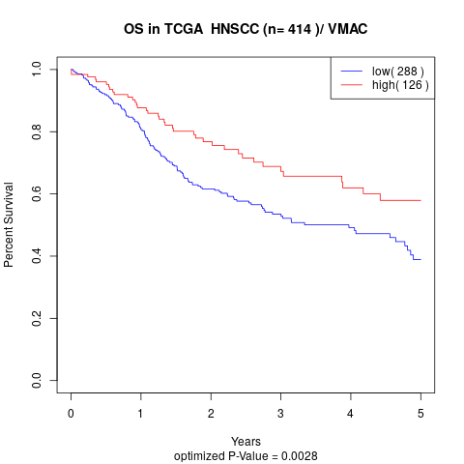

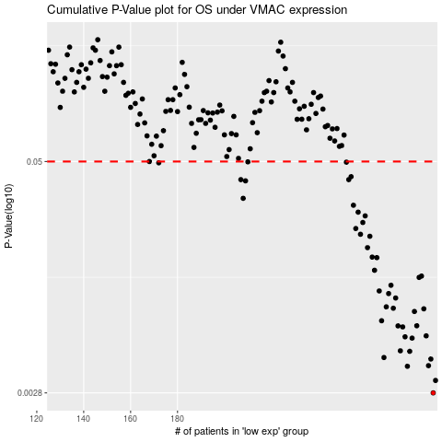

 |  |  |  |  |  | cases_OS | p_OS | rank | exp
 |  |  |  |  |  | 289 | 0.0028 | 408 | 0.28486330887
 |  |  |  |  |  | 290 | 0.00327 | 328 | 0.30070955599
 |  |  |  |  |  | 278 | 0.0039 | 293 | 0.22760789149
 |  |  |  |  |  | 287 | 0.00393 | 144 | 0.27449885446
 |  |  |  |  |  | 288 | 0.00427 | 204 | 0.27544619837
 |  |  |  |  |  | 268 | 0.00435 | 177 | 0.15687714715
 |  |  |  |  |  | 279 | 0.0047 | 178 | 0.24142375019
 |  |  |  |  |  | 275 | 0.00473 | 73 | 0.20441588852
 |  |  |  |  |  | 280 | 0.00554 | 51 | 0.2454256381
 |  |  |  |  |  | 277 | 0.00563 | 54 | 0.22130421393
 |  |  |  |  |  | 286 | 0.0057 | 339 | 0.26931918764
 |  |  |  |  |  | 276 | 0.00637 | 243 | 0.22090223287
 |  |  |  |  |  | 274 | 0.00645 | 77 | 0.20388332762
 |  |  |  |  |  | 282 | 0.00646 | 175 | 0.25249231156
 |  |  |  |  |  | 267 | 0.00688 | 274 | 0.13967645428
 |  |  |  |  |  | 281 | 0.00772 | 278 | 0.25124796254
 |  |  |  |  |  | 285 | 0.00798 | 263 | 0.26051144971
 |  |  |  |  |  | 272 | 0.00804 | 24 | 0.18575577395
 |  |  |  |  |  | 269 | 0.00818 | 11 | 0.16224372236
 |  |  |  |  |  | 273 | 0.00913 | 137 | 0.20198351903
 |  |  |  |  |  | 270 | 0.00965 | 395 | 0.16520097158
 |  |  |  |  |  | 266 | 0.00997 | 68 | 0.13598693383
 |  |  |  |  |  | 271 | 0.0107 | 414 | 0.17128701608
 |  |  |  |  |  | 283 | 0.0118 | 291 | 0.25274322968
 |  |  |  |  |  | 284 | 0.012 | 389 | 0.2555596575
 |  |  |  |  |  | 264 | 0.0129 | 53 | 0.11074405931
 |  |  |  |  |  | 265 | 0.0151 | 413 | 0.12842098452
 |  |  |  |  |  | 263 | 0.0152 | 240 | 0.10823743854
 |  |  |  |  |  | 261 | 0.0171 | 367 | 0.089538918146
 |  |  |  |  |  | 262 | 0.0197 | 200 | 0.10442245903
 |  |  |  |  |  | 258 | 0.0202 | 16 | 0.07596373601
 |  |  |  |  |  | 256 | 0.0217 | 300 | 0.050920571832
 |  |  |  |  |  | 259 | 0.0234 | 374 | 0.079120695567
 |  |  |  |  |  | 260 | 0.0254 | 247 | 0.085603600352
 |  |  |  |  |  | 257 | 0.0266 | 163 | 0.061812466363
 |  |  |  |  |  | 255 | 0.029 | 125 | 0.039048048338
 |  |  |  |  |  | 208 | 0.0316 | 192 | -0.19327396251
 |  |  |  |  |  | 209 | 0.0393 | 141 | -0.1814500864
 |  |  |  |  |  | 207 | 0.0399 | 236 | -0.20154913955
 |  |  |  |  |  | 253 | 0.0399 | 315 | 0.024238758734
 |  |  |  |  |  | 254 | 0.0414 | 155 | 0.02432069118
 |  |  |  |  |  | 172 | 0.0492 | 132 | -0.37542259177
 |  |  |  |  |  | 252 | 0.0496 | 202 | 0.022820303264
 |  |  |  |  |  | 210 | 0.0498 | 407 | -0.1800853991
 |  |  |  |  |  | 168 | 0.05 | 59 | -0.39584169353
 |  |  |  |  |  |  | cases_RFS | p_RFS | rank | exp
 |  |  |  |  |  |  | 288 | 0.0028 | 204 | 0.27544619837
 |  |  |  |  |  |  | 289 | 0.00327 | 408 | 0.28486330887
 |  |  |  |  |  |  | 277 | 0.0039 | 54 | 0.22130421393
 |  |  |  |  |  |  | 286 | 0.00393 | 339 | 0.26931918764
 |  |  |  |  |  |  | 287 | 0.00427 | 144 | 0.27449885446
 |  |  |  |  |  |  | 267 | 0.00435 | 274 | 0.13967645428
 |  |  |  |  |  |  | 278 | 0.0047 | 293 | 0.22760789149
 |  |  |  |  |  |  | 274 | 0.00473 | 77 | 0.20388332762
 |  |  |  |  |  |  | 279 | 0.00554 | 178 | 0.24142375019
 |  |  |  |  |  |  | 276 | 0.00563 | 243 | 0.22090223287
 |  |  |  |  |  |  | 285 | 0.0057 | 263 | 0.26051144971
 |  |  |  |  |  |  | 275 | 0.00637 | 73 | 0.20441588852
 |  |  |  |  |  |  | 273 | 0.00645 | 137 | 0.20198351903
 |  |  |  |  |  |  | 281 | 0.00646 | 278 | 0.25124796254
 |  |  |  |  |  |  | 266 | 0.00688 | 68 | 0.13598693383
 |  |  |  |  |  |  | 280 | 0.00772 | 51 | 0.2454256381
 |  |  |  |  |  |  | 284 | 0.00798 | 389 | 0.2555596575
 |  |  |  |  |  |  | 271 | 0.00804 | 414 | 0.17128701608
 |  |  |  |  |  |  | 268 | 0.00818 | 177 | 0.15687714715
 |  |  |  |  |  |  | 272 | 0.00913 | 24 | 0.18575577395
 |  |  |  |  |  |  | 269 | 0.00965 | 11 | 0.16224372236
 |  |  |  |  |  |  | 265 | 0.00997 | 413 | 0.12842098452
 |  |  |  |  |  |  | 270 | 0.0107 | 395 | 0.16520097158
 |  |  |  |  |  |  | 282 | 0.0118 | 175 | 0.25249231156
 |  |  |  |  |  |  | 283 | 0.012 | 291 | 0.25274322968
 |  |  |  |  |  |  | 263 | 0.0129 | 240 | 0.10823743854
 |  |  |  |  |  |  | 264 | 0.0151 | 53 | 0.11074405931
 |  |  |  |  |  |  | 262 | 0.0152 | 200 | 0.10442245903
 |  |  |  |  |  |  | 260 | 0.0171 | 247 | 0.085603600352
 |  |  |  |  |  |  | 261 | 0.0197 | 367 | 0.089538918146
 |  |  |  |  |  |  | 257 | 0.0202 | 163 | 0.061812466363
 |  |  |  |  |  |  | 255 | 0.0217 | 125 | 0.039048048338
 |  |  |  |  |  |  | 258 | 0.0234 | 16 | 0.07596373601
 |  |  |  |  |  |  | 259 | 0.0254 | 374 | 0.079120695567
 |  |  |  |  |  |  | 256 | 0.0266 | 300 | 0.050920571832
 |  |  |  |  |  |  | 254 | 0.029 | 155 | 0.02432069118
 |  |  |  |  |  |  | 207 | 0.0316 | 236 | -0.20154913955
 |  |  |  |  |  |  | 208 | 0.0393 | 192 | -0.19327396251
 |  |  |  |  |  |  | 252 | 0.0399 | 202 | 0.022820303264
 |  |  |  |  |  |  | 206 | 0.0399 | 409 | -0.20500310422
 |  |  |  |  |  |  | 253 | 0.0414 | 315 | 0.024238758734
 |  |  |  |  |  |  | 171 | 0.0492 | 99 | -0.38685472837
 |  |  |  |  |  |  | 251 | 0.0496 | 297 | 0.021657886687
 |  |  |  |  |  |  | 209 | 0.0498 | 141 | -0.1814500864
 |  |  |  |  |  |  | 167 | 0.05 | 224 | -0.40855658498

