VPREB3 _multivariate
Reported by Tex Li-Hsing Chi. tex@gate.sinica.edu.tw 2019-08-15

Table 2. The clinicopathological features of HNSCC cohort and VPREB3 expression. (Chi square test)
Cutoff at -0.206 (50.0%)
 |  | VPREB3 expression |  | VPREB3 expression |  | (Optimised)
 | Features | Low | (%) | High | (%) | Case no | P-value | Remark | Matthews
Gender | Female | 155 | 37.3 | 151 | 36.4 | 415 | 0.6768 | 0 | 0
2 | Male | 52 | 12.5 | 57 | 13.7
Age at diagnosis | <=65y | 141 | 34 | 133 | 32 | 415 | 0.4272 | 0 | 0
4 | >65y | 66 | 15.9 | 75 | 18.1
Clinical T Status | T1+T2 | 74 | 17.8 | 75 | 18.1 | 415 | 1 | 0 | 0
6 | T3+T4 | 133 | 32 | 133 | 32
Clinical N Status | N0 | 115 | 27.7 | 101 | 24.3 | 415 | 0.184 | 1 | 0
8 | N1-3 | 92 | 22.2 | 107 | 25.8
Clinical M Status | M0 | 205 | 49.4 | 207 | 49.9 | 415 | 0.6232 | 0 | 0
10 | M1 | 2 | 0.5 | 1 | 0.2
Clinical Stage | Stage I+II | 57 | 13.7 | 45 | 10.8 | 415 | 0.1998 | 0 | 0
12 | Stage III+IV | 150 | 36.1 | 163 | 39.3
Surgical Margin status | Negative | 155 | 37.3 | 163 | 39.3 | 415 | 0.4187 | 0 | 0
14 | Positive | 52 | 12.5 | 45 | 10.8
Tobacco Exposure | Low | 89 | 21.4 | 72 | 17.3 | 415 | 0.0872 | 0 | 0
16 | High | 118 | 28.4 | 136 | 32.8

Table 3. Univariate/Multivariate Cox's proportional hazards regression analyses on OS time of VPREB3 gene expression in HNSCC

 |  | Univariate |  |  |  | Multivariate
 | Features | HR | CI95%(L) | CI95%(H) | P-value | HR | CI95%(L) | CI95%(H) | P-value
1 | Female | 1 |  |  |  | 1
Gender | Male | 1.157 | 0.843 | 1.587 | 0.367 | 1.223 | 0.874 | 1.713 | 0.24
11 | <=65y | 1 |  |  |  | 1
Age at diagnosis | >65y | 1.329 | 0.99 | 1.784 | 0.058 | 1.406 | 1.034 | 1.913 | 0.03
12 | T1+T2 | 1 |  |  |  | 1
Clinical T Status | T3+T4 | 1.409 | 1.028 | 1.931 | 0.033 | 2.159 | 1.141 | 4.087 | 0.018
13 | N0 | 1 |  |  |  | 1
Clinical N Status | N1-3 | 1.185 | 0.89 | 1.577 | 0.246 | 1.249 | 0.875 | 1.782 | 0.221
14 | M0 | 1 |  |  |  | 1
Clinical M Status | M1 | 4.097 | 1.009 | 16.644 | 0.049 | 8.828 | 1.918 | 40.647 | 0.005
15 | Stage I+II | 1 |  |  |  | 1
Clinical Stage | Stage III+IV | 1.245 | 0.882 | 1.759 | 0.213 | 0.52 | 0.242 | 1.119 | 0.095
16 | Negative | 1 |  |  |  | 1
Surgical Margin status | Positive | 1.591 | 1.155 | 2.191 | 0.004 | 1.668 | 1.207 | 2.305 | 0.002
17 | Low | 1 |  |  |  | 1
Tobacco Exposure | High | 1.364 | 1.008 | 1.844 | 0.044 | 1.485 | 1.075 | 2.052 | 0.016
18 | Low | 1 |  |  |  | 1
RNAseq(z-score) | High | 0.873 | 0.656 | 1.163 | 0.355 | 0.847 | 0.632 | 1.135 | 0.267

Table 4. Univariate/Multivariate Cox's proportional hazards regression analyses on RFS time of VPREB3 gene expression in HNSCC

 |  | Univariate |  |  |  | Multivariate
 | Features | HR | CI95%(L) | CI95%(H) | P-value | HR | CI95%(L) | CI95%(H) | P-value
1 | Female | 1 |  |  |  | 1
Gender | Male | 1.157 | 0.843 | 1.587 | 0.367 | 1.223 | 0.874 | 1.713 | 0.24
11 | <=65y | 1 |  |  |  | 1
Age at diagnosis | >65y | 1.329 | 0.99 | 1.784 | 0.058 | 1.406 | 1.034 | 1.913 | 0.03
12 | T1+T2 | 1 |  |  |  | 1
Clinical T Status | T3+T4 | 1.409 | 1.028 | 1.931 | 0.033 | 2.159 | 1.141 | 4.087 | 0.018
13 | N0 | 1 |  |  |  | 1
Clinical N Status | N1-3 | 1.185 | 0.89 | 1.577 | 0.246 | 1.249 | 0.875 | 1.782 | 0.221
14 | M0 | 1 |  |  |  | 1
Clinical M Status | M1 | 4.097 | 1.009 | 16.644 | 0.049 | 8.828 | 1.918 | 40.647 | 0.005
15 | Stage I+II | 1 |  |  |  | 1
Clinical Stage | Stage III+IV | 1.245 | 0.882 | 1.759 | 0.213 | 0.52 | 0.242 | 1.119 | 0.095
16 | Negative | 1 |  |  |  | 1
Surgical Margin status | Positive | 1.591 | 1.155 | 2.191 | 0.004 | 1.668 | 1.207 | 2.305 | 0.002
17 | Low | 1 |  |  |  | 1
Tobacco Exposure | High | 1.364 | 1.008 | 1.844 | 0.044 | 1.485 | 1.075 | 2.052 | 0.016
18 | Low | 1 |  |  |  | 1
RNAseq(z-score) | High | 0.873 | 0.656 | 1.163 | 0.355 | 0.847 | 0.632 | 1.135 | 0.267

Kaplan-Meier survival estimate: Cutoff at -0.206 (50.0%)



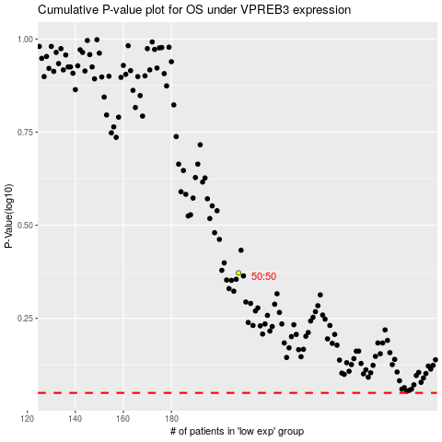

 |  |  |  |  |  | cases_OS | p_OS | rank | exp
 |  |  |  |  |  |  | cases_RFS | p_RFS | rank | exp

