VPS11 _multivariate
Reported by Tex Li-Hsing Chi. tex@gate.sinica.edu.tw 2019-08-15

Table 2. The clinicopathological features of HNSCC cohort and VPS11 expression. (Chi square test)
Cutoff at -0.127 (49.8%)
 |  | VPS11 expression |  | VPS11 expression |  | (Optimised)
 | Features | Low | (%) | High | (%) | Case no | P-value | Remark | Matthews
Gender | Female | 165 | 39.8 | 141 | 34 | 415 | 0.0081 | 1 | 0
2 | Male | 42 | 10.1 | 67 | 16.1
Age at diagnosis | <=65y | 139 | 33.5 | 135 | 32.5 | 415 | 0.7044 | 0 | 0
4 | >65y | 68 | 16.4 | 73 | 17.6
Clinical T Status | T1+T2 | 75 | 18.1 | 74 | 17.8 | 415 | 0.9707 | 0 | 0
6 | T3+T4 | 132 | 31.8 | 134 | 32.3
Clinical N Status | N0 | 100 | 24.1 | 116 | 28 | 415 | 0.1548 | 0 | 0
8 | N1-3 | 107 | 25.8 | 92 | 22.2
Clinical M Status | M0 | 206 | 49.6 | 206 | 49.6 | 415 | 1 | 0 | 0
10 | M1 | 1 | 0.2 | 2 | 0.5
Clinical Stage | Stage I+II | 50 | 12 | 52 | 12.5 | 415 | 0.9315 | 0 | 0
12 | Stage III+IV | 157 | 37.8 | 156 | 37.6
Surgical Margin status | Negative | 154 | 37.1 | 164 | 39.5 | 415 | 0.2984 | 0 | 0
14 | Positive | 53 | 12.8 | 44 | 10.6
Tobacco Exposure | Low | 71 | 17.1 | 90 | 21.7 | 415 | 0.0698 | 0 | 0
16 | High | 136 | 32.8 | 118 | 28.4

Table 3. Univariate/Multivariate Cox's proportional hazards regression analyses on OS time of VPS11 gene expression in HNSCC

 |  | Univariate |  |  |  | Multivariate
 | Features | HR | CI95%(L) | CI95%(H) | P-value | HR | CI95%(L) | CI95%(H) | P-value
1 | Female | 1 |  |  |  | 1
Gender | Male | 1.157 | 0.843 | 1.587 | 0.367 | 1.178 | 0.842 | 1.649 | 0.339
11 | <=65y | 1 |  |  |  | 1
Age at diagnosis | >65y | 1.329 | 0.99 | 1.784 | 0.058 | 1.407 | 1.034 | 1.914 | 0.03
12 | T1+T2 | 1 |  |  |  | 1
Clinical T Status | T3+T4 | 1.409 | 1.028 | 1.931 | 0.033 | 2.238 | 1.182 | 4.237 | 0.013
13 | N0 | 1 |  |  |  | 1
Clinical N Status | N1-3 | 1.185 | 0.89 | 1.577 | 0.246 | 1.263 | 0.884 | 1.804 | 0.199
14 | M0 | 1 |  |  |  | 1
Clinical M Status | M1 | 4.097 | 1.009 | 16.644 | 0.049 | 9.046 | 1.969 | 41.566 | 0.005
15 | Stage I+II | 1 |  |  |  | 1
Clinical Stage | Stage III+IV | 1.245 | 0.882 | 1.759 | 0.213 | 0.496 | 0.231 | 1.065 | 0.072
16 | Negative | 1 |  |  |  | 1
Surgical Margin status | Positive | 1.591 | 1.155 | 2.191 | 0.004 | 1.684 | 1.218 | 2.328 | 0.002
17 | Low | 1 |  |  |  | 1
Tobacco Exposure | High | 1.364 | 1.008 | 1.844 | 0.044 | 1.483 | 1.074 | 2.049 | 0.017
18 | Low | 1 |  |  |  | 1
RNAseq(z-score) | High | 1.082 | 0.813 | 1.441 | 0.589 | 1.16 | 0.864 | 1.559 | 0.324

Table 4. Univariate/Multivariate Cox's proportional hazards regression analyses on RFS time of VPS11 gene expression in HNSCC

 |  | Univariate |  |  |  | Multivariate
 | Features | HR | CI95%(L) | CI95%(H) | P-value | HR | CI95%(L) | CI95%(H) | P-value
1 | Female | 1 |  |  |  | 1
Gender | Male | 1.157 | 0.843 | 1.587 | 0.367 | 1.178 | 0.842 | 1.649 | 0.339
11 | <=65y | 1 |  |  |  | 1
Age at diagnosis | >65y | 1.329 | 0.99 | 1.784 | 0.058 | 1.407 | 1.034 | 1.914 | 0.03
12 | T1+T2 | 1 |  |  |  | 1
Clinical T Status | T3+T4 | 1.409 | 1.028 | 1.931 | 0.033 | 2.238 | 1.182 | 4.237 | 0.013
13 | N0 | 1 |  |  |  | 1
Clinical N Status | N1-3 | 1.185 | 0.89 | 1.577 | 0.246 | 1.263 | 0.884 | 1.804 | 0.199
14 | M0 | 1 |  |  |  | 1
Clinical M Status | M1 | 4.097 | 1.009 | 16.644 | 0.049 | 9.046 | 1.969 | 41.566 | 0.005
15 | Stage I+II | 1 |  |  |  | 1
Clinical Stage | Stage III+IV | 1.245 | 0.882 | 1.759 | 0.213 | 0.496 | 0.231 | 1.065 | 0.072
16 | Negative | 1 |  |  |  | 1
Surgical Margin status | Positive | 1.591 | 1.155 | 2.191 | 0.004 | 1.684 | 1.218 | 2.328 | 0.002
17 | Low | 1 |  |  |  | 1
Tobacco Exposure | High | 1.364 | 1.008 | 1.844 | 0.044 | 1.483 | 1.074 | 2.049 | 0.017
18 | Low | 1 |  |  |  | 1
RNAseq(z-score) | High | 1.082 | 0.813 | 1.441 | 0.589 | 1.16 | 0.864 | 1.559 | 0.324

Kaplan-Meier survival estimate: Cutoff at -0.127 (49.8%)

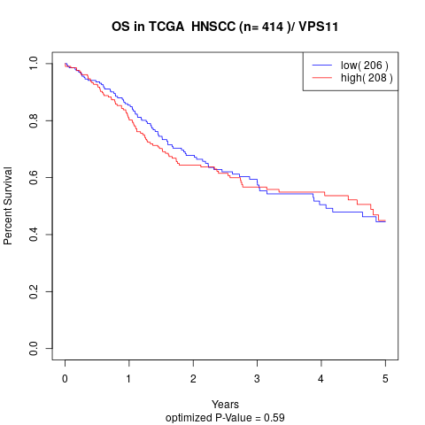

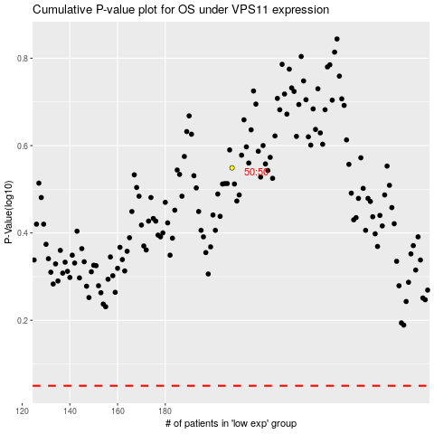

 |  |  |  |  |  | cases_OS | p_OS | rank | exp
 |  |  |  |  |  |  | cases_RFS | p_RFS | rank | exp

