VPS13A _multivariate
Reported by Tex Li-Hsing Chi. tex@gate.sinica.edu.tw 2019-08-15

Table 2. The clinicopathological features of HNSCC cohort and VPS13A expression. (Chi square test)
Cutoff at -0.187 (49.8%)
 |  | VPS13A expression |  | VPS13A expression |  | (Optimised)
 | Features | Low | (%) | High | (%) | Case no | P-value | Remark | Matthews
Gender | Female | 149 | 35.9 | 157 | 37.8 | 415 | 0.4848 | 0 | 0
2 | Male | 58 | 14 | 51 | 12.3
Age at diagnosis | <=65y | 139 | 33.5 | 135 | 32.5 | 415 | 0.7044 | 0 | 0
4 | >65y | 68 | 16.4 | 73 | 17.6
Clinical T Status | T1+T2 | 70 | 16.9 | 79 | 19 | 415 | 0.4343 | 0 | 0
6 | T3+T4 | 137 | 33 | 129 | 31.1
Clinical N Status | N0 | 106 | 25.5 | 110 | 26.5 | 415 | 0.8075 | 0 | 0
8 | N1-3 | 101 | 24.3 | 98 | 23.6
Clinical M Status | M0 | 205 | 49.4 | 207 | 49.9 | 415 | 0.6232 | 0 | 0
10 | M1 | 2 | 0.5 | 1 | 0.2
Clinical Stage | Stage I+II | 49 | 11.8 | 53 | 12.8 | 415 | 0.7535 | 0 | 0
12 | Stage III+IV | 158 | 38.1 | 155 | 37.3
Surgical Margin status | Negative | 161 | 38.8 | 157 | 37.8 | 415 | 0.6429 | 0 | 0
14 | Positive | 46 | 11.1 | 51 | 12.3
Tobacco Exposure | Low | 81 | 19.5 | 80 | 19.3 | 415 | 0.9199 | 0 | 0
16 | High | 126 | 30.4 | 128 | 30.8

Table 3. Univariate/Multivariate Cox's proportional hazards regression analyses on OS time of VPS13A gene expression in HNSCC

 |  | Univariate |  |  |  | Multivariate
 | Features | HR | CI95%(L) | CI95%(H) | P-value | HR | CI95%(L) | CI95%(H) | P-value
1 | Female | 1 |  |  |  | 1
Gender | Male | 1.157 | 0.843 | 1.587 | 0.367 | 1.194 | 0.852 | 1.672 | 0.303
11 | <=65y | 1 |  |  |  | 1
Age at diagnosis | >65y | 1.329 | 0.99 | 1.784 | 0.058 | 1.399 | 1.027 | 1.904 | 0.033
12 | T1+T2 | 1 |  |  |  | 1
Clinical T Status | T3+T4 | 1.409 | 1.028 | 1.931 | 0.033 | 2.184 | 1.153 | 4.138 | 0.017
13 | N0 | 1 |  |  |  | 1
Clinical N Status | N1-3 | 1.185 | 0.89 | 1.577 | 0.246 | 1.24 | 0.869 | 1.769 | 0.236
14 | M0 | 1 |  |  |  | 1
Clinical M Status | M1 | 4.097 | 1.009 | 16.644 | 0.049 | 9.195 | 1.994 | 42.404 | 0.004
15 | Stage I+II | 1 |  |  |  | 1
Clinical Stage | Stage III+IV | 1.245 | 0.882 | 1.759 | 0.213 | 0.508 | 0.236 | 1.092 | 0.083
16 | Negative | 1 |  |  |  | 1
Surgical Margin status | Positive | 1.591 | 1.155 | 2.191 | 0.004 | 1.672 | 1.21 | 2.31 | 0.002
17 | Low | 1 |  |  |  | 1
Tobacco Exposure | High | 1.364 | 1.008 | 1.844 | 0.044 | 1.447 | 1.049 | 1.995 | 0.024
18 | Low | 1 |  |  |  | 1
RNAseq(z-score) | High | 0.901 | 0.676 | 1.2 | 0.476 | 0.952 | 0.71 | 1.277 | 0.744

Table 4. Univariate/Multivariate Cox's proportional hazards regression analyses on RFS time of VPS13A gene expression in HNSCC

 |  | Univariate |  |  |  | Multivariate
 | Features | HR | CI95%(L) | CI95%(H) | P-value | HR | CI95%(L) | CI95%(H) | P-value
1 | Female | 1 |  |  |  | 1
Gender | Male | 1.157 | 0.843 | 1.587 | 0.367 | 1.194 | 0.852 | 1.672 | 0.303
11 | <=65y | 1 |  |  |  | 1
Age at diagnosis | >65y | 1.329 | 0.99 | 1.784 | 0.058 | 1.399 | 1.027 | 1.904 | 0.033
12 | T1+T2 | 1 |  |  |  | 1
Clinical T Status | T3+T4 | 1.409 | 1.028 | 1.931 | 0.033 | 2.184 | 1.153 | 4.138 | 0.017
13 | N0 | 1 |  |  |  | 1
Clinical N Status | N1-3 | 1.185 | 0.89 | 1.577 | 0.246 | 1.24 | 0.869 | 1.769 | 0.236
14 | M0 | 1 |  |  |  | 1
Clinical M Status | M1 | 4.097 | 1.009 | 16.644 | 0.049 | 9.195 | 1.994 | 42.404 | 0.004
15 | Stage I+II | 1 |  |  |  | 1
Clinical Stage | Stage III+IV | 1.245 | 0.882 | 1.759 | 0.213 | 0.508 | 0.236 | 1.092 | 0.083
16 | Negative | 1 |  |  |  | 1
Surgical Margin status | Positive | 1.591 | 1.155 | 2.191 | 0.004 | 1.672 | 1.21 | 2.31 | 0.002
17 | Low | 1 |  |  |  | 1
Tobacco Exposure | High | 1.364 | 1.008 | 1.844 | 0.044 | 1.447 | 1.049 | 1.995 | 0.024
18 | Low | 1 |  |  |  | 1
RNAseq(z-score) | High | 0.901 | 0.676 | 1.2 | 0.476 | 0.952 | 0.71 | 1.277 | 0.744

Kaplan-Meier survival estimate: Cutoff at -0.187 (49.8%)



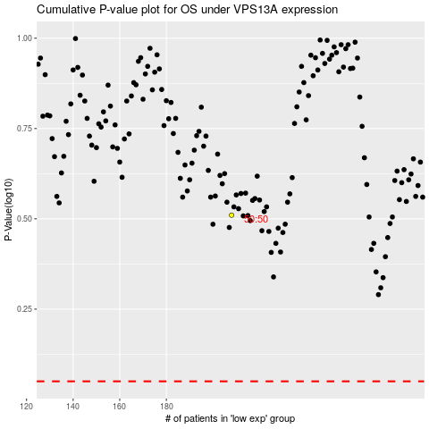

 |  |  |  |  |  | cases_OS | p_OS | rank | exp
 |  |  |  |  |  |  | cases_RFS | p_RFS | rank | exp

