VPS13C _multivariate
Reported by Tex Li-Hsing Chi. tex@gate.sinica.edu.tw 2019-08-15

Table 2. The clinicopathological features of HNSCC cohort and VPS13C expression. (Chi square test)
Cutoff at -0.128 (49.8%)
 |  | VPS13C expression |  | VPS13C expression |  | (Optimised)
 | Features | Low | (%) | High | (%) | Case no | P-value | Remark | Matthews
Gender | Female | 162 | 39 | 144 | 34.7 | 415 | 0.0479 | 1 | 0
2 | Male | 45 | 10.8 | 64 | 15.4
Age at diagnosis | <=65y | 141 | 34 | 133 | 32 | 415 | 0.4272 | 0 | 0
4 | >65y | 66 | 15.9 | 75 | 18.1
Clinical T Status | T1+T2 | 70 | 16.9 | 79 | 19 | 415 | 0.4343 | 0 | 0
6 | T3+T4 | 137 | 33 | 129 | 31.1
Clinical N Status | N0 | 106 | 25.5 | 110 | 26.5 | 415 | 0.8075 | 0 | 0
8 | N1-3 | 101 | 24.3 | 98 | 23.6
Clinical M Status | M0 | 205 | 49.4 | 207 | 49.9 | 415 | 0.6232 | 0 | 0
10 | M1 | 2 | 0.5 | 1 | 0.2
Clinical Stage | Stage I+II | 47 | 11.3 | 55 | 13.3 | 415 | 0.4413 | 0 | 0
12 | Stage III+IV | 160 | 38.6 | 153 | 36.9
Surgical Margin status | Negative | 160 | 38.6 | 158 | 38.1 | 415 | 0.8167 | 0 | 0
14 | Positive | 47 | 11.3 | 50 | 12
Tobacco Exposure | Low | 72 | 17.3 | 89 | 21.4 | 415 | 0.1071 | 0 | 0
16 | High | 135 | 32.5 | 119 | 28.7

Table 3. Univariate/Multivariate Cox's proportional hazards regression analyses on OS time of VPS13C gene expression in HNSCC

 |  | Univariate |  |  |  | Multivariate
 | Features | HR | CI95%(L) | CI95%(H) | P-value | HR | CI95%(L) | CI95%(H) | P-value
1 | Female | 1 |  |  |  | 1
Gender | Male | 1.157 | 0.843 | 1.587 | 0.367 | 1.194 | 0.854 | 1.667 | 0.3
11 | <=65y | 1 |  |  |  | 1
Age at diagnosis | >65y | 1.329 | 0.99 | 1.784 | 0.058 | 1.398 | 1.028 | 1.901 | 0.033
12 | T1+T2 | 1 |  |  |  | 1
Clinical T Status | T3+T4 | 1.409 | 1.028 | 1.931 | 0.033 | 2.218 | 1.172 | 4.194 | 0.014
13 | N0 | 1 |  |  |  | 1
Clinical N Status | N1-3 | 1.185 | 0.89 | 1.577 | 0.246 | 1.24 | 0.869 | 1.769 | 0.235
14 | M0 | 1 |  |  |  | 1
Clinical M Status | M1 | 4.097 | 1.009 | 16.644 | 0.049 | 9.759 | 2.121 | 44.895 | 0.003
15 | Stage I+II | 1 |  |  |  | 1
Clinical Stage | Stage III+IV | 1.245 | 0.882 | 1.759 | 0.213 | 0.503 | 0.234 | 1.08 | 0.078
16 | Negative | 1 |  |  |  | 1
Surgical Margin status | Positive | 1.591 | 1.155 | 2.191 | 0.004 | 1.676 | 1.213 | 2.316 | 0.002
17 | Low | 1 |  |  |  | 1
Tobacco Exposure | High | 1.364 | 1.008 | 1.844 | 0.044 | 1.477 | 1.068 | 2.041 | 0.018
18 | Low | 1 |  |  |  | 1
RNAseq(z-score) | High | 1.027 | 0.771 | 1.368 | 0.855 | 1.111 | 0.829 | 1.488 | 0.482

Table 4. Univariate/Multivariate Cox's proportional hazards regression analyses on RFS time of VPS13C gene expression in HNSCC

 |  | Univariate |  |  |  | Multivariate
 | Features | HR | CI95%(L) | CI95%(H) | P-value | HR | CI95%(L) | CI95%(H) | P-value
1 | Female | 1 |  |  |  | 1
Gender | Male | 1.157 | 0.843 | 1.587 | 0.367 | 1.194 | 0.854 | 1.667 | 0.3
11 | <=65y | 1 |  |  |  | 1
Age at diagnosis | >65y | 1.329 | 0.99 | 1.784 | 0.058 | 1.398 | 1.028 | 1.901 | 0.033
12 | T1+T2 | 1 |  |  |  | 1
Clinical T Status | T3+T4 | 1.409 | 1.028 | 1.931 | 0.033 | 2.218 | 1.172 | 4.194 | 0.014
13 | N0 | 1 |  |  |  | 1
Clinical N Status | N1-3 | 1.185 | 0.89 | 1.577 | 0.246 | 1.24 | 0.869 | 1.769 | 0.235
14 | M0 | 1 |  |  |  | 1
Clinical M Status | M1 | 4.097 | 1.009 | 16.644 | 0.049 | 9.759 | 2.121 | 44.895 | 0.003
15 | Stage I+II | 1 |  |  |  | 1
Clinical Stage | Stage III+IV | 1.245 | 0.882 | 1.759 | 0.213 | 0.503 | 0.234 | 1.08 | 0.078
16 | Negative | 1 |  |  |  | 1
Surgical Margin status | Positive | 1.591 | 1.155 | 2.191 | 0.004 | 1.676 | 1.213 | 2.316 | 0.002
17 | Low | 1 |  |  |  | 1
Tobacco Exposure | High | 1.364 | 1.008 | 1.844 | 0.044 | 1.477 | 1.068 | 2.041 | 0.018
18 | Low | 1 |  |  |  | 1
RNAseq(z-score) | High | 1.027 | 0.771 | 1.368 | 0.855 | 1.111 | 0.829 | 1.488 | 0.482

Kaplan-Meier survival estimate: Cutoff at -0.128 (49.8%)



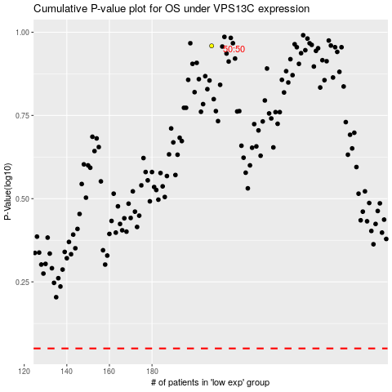

 |  |  |  |  |  | cases_OS | p_OS | rank | exp
 |  |  |  |  |  |  | cases_RFS | p_RFS | rank | exp

