VPS24 _multivariate
Reported by Tex Li-Hsing Chi. tex@gate.sinica.edu.tw 2019-08-15

Table 2. The clinicopathological features of HNSCC cohort and VPS24 expression. (Chi square test)
Cutoff at 0.302 (70.0%)
 |  | VPS24 expression |  | VPS24 expression |  | (Optimised)
 | Features | Low | (%) | High | (%) | Case no | P-value | Remark | Matthews
Gender | Female | 214 | 51.6 | 92 | 22.2 | 415 | 1 | 0 | 0
2 | Male | 76 | 18.3 | 33 | 8
Age at diagnosis | <=65y | 187 | 45.1 | 87 | 21 | 415 | 0.3698 | 0 | 0
4 | >65y | 103 | 24.8 | 38 | 9.2
Clinical T Status | T1+T2 | 106 | 25.5 | 43 | 10.4 | 415 | 0.7583 | 0 | 0
6 | T3+T4 | 184 | 44.3 | 82 | 19.8
Clinical N Status | N0 | 157 | 37.8 | 59 | 14.2 | 415 | 0.2337 | 0 | 0
8 | N1-3 | 133 | 32 | 66 | 15.9
Clinical M Status | M0 | 288 | 69.4 | 124 | 29.9 | 415 | 1 | 0 | 0
10 | M1 | 2 | 0.5 | 1 | 0.2
Clinical Stage | Stage I+II | 70 | 16.9 | 32 | 7.7 | 415 | 0.8469 | 0 | 0
12 | Stage III+IV | 220 | 53 | 93 | 22.4
Surgical Margin status | Negative | 219 | 52.8 | 99 | 23.9 | 415 | 0.4502 | 0 | 0
14 | Positive | 71 | 17.1 | 26 | 6.3
Tobacco Exposure | Low | 123 | 29.6 | 38 | 9.2 | 415 | 0.0216 | 1 | 0
16 | High | 167 | 40.2 | 87 | 21

Table 3. Univariate/Multivariate Cox's proportional hazards regression analyses on OS time of VPS24 gene expression in HNSCC

 |  | Univariate |  |  |  | Multivariate
 | Features | HR | CI95%(L) | CI95%(H) | P-value | HR | CI95%(L) | CI95%(H) | P-value
1 | Female | 1 |  |  |  | 1
Gender | Male | 1.157 | 0.843 | 1.587 | 0.367 | 1.192 | 0.853 | 1.665 | 0.303
11 | <=65y | 1 |  |  |  | 1
Age at diagnosis | >65y | 1.329 | 0.99 | 1.784 | 0.058 | 1.44 | 1.057 | 1.962 | 0.021
12 | T1+T2 | 1 |  |  |  | 1
Clinical T Status | T3+T4 | 1.409 | 1.028 | 1.931 | 0.033 | 2.127 | 1.125 | 4.024 | 0.02
13 | N0 | 1 |  |  |  | 1
Clinical N Status | N1-3 | 1.185 | 0.89 | 1.577 | 0.246 | 1.217 | 0.852 | 1.738 | 0.281
14 | M0 | 1 |  |  |  | 1
Clinical M Status | M1 | 4.097 | 1.009 | 16.644 | 0.049 | 8.966 | 1.955 | 41.126 | 0.005
15 | Stage I+II | 1 |  |  |  | 1
Clinical Stage | Stage III+IV | 1.245 | 0.882 | 1.759 | 0.213 | 0.53 | 0.247 | 1.14 | 0.104
16 | Negative | 1 |  |  |  | 1
Surgical Margin status | Positive | 1.591 | 1.155 | 2.191 | 0.004 | 1.656 | 1.198 | 2.29 | 0.002
17 | Low | 1 |  |  |  | 1
Tobacco Exposure | High | 1.364 | 1.008 | 1.844 | 0.044 | 1.413 | 1.023 | 1.952 | 0.036
18 | Low | 1 |  |  |  | 1
RNAseq(z-score) | High | 1.361 | 1.001 | 1.85 | 0.049 | 1.334 | 0.974 | 1.826 | 0.072

Table 4. Univariate/Multivariate Cox's proportional hazards regression analyses on RFS time of VPS24 gene expression in HNSCC

 |  | Univariate |  |  |  | Multivariate
 | Features | HR | CI95%(L) | CI95%(H) | P-value | HR | CI95%(L) | CI95%(H) | P-value
1 | Female | 1 |  |  |  | 1
Gender | Male | 1.157 | 0.843 | 1.587 | 0.367 | 1.192 | 0.853 | 1.665 | 0.303
11 | <=65y | 1 |  |  |  | 1
Age at diagnosis | >65y | 1.329 | 0.99 | 1.784 | 0.058 | 1.44 | 1.057 | 1.962 | 0.021
12 | T1+T2 | 1 |  |  |  | 1
Clinical T Status | T3+T4 | 1.409 | 1.028 | 1.931 | 0.033 | 2.127 | 1.125 | 4.024 | 0.02
13 | N0 | 1 |  |  |  | 1
Clinical N Status | N1-3 | 1.185 | 0.89 | 1.577 | 0.246 | 1.217 | 0.852 | 1.738 | 0.281
14 | M0 | 1 |  |  |  | 1
Clinical M Status | M1 | 4.097 | 1.009 | 16.644 | 0.049 | 8.966 | 1.955 | 41.126 | 0.005
15 | Stage I+II | 1 |  |  |  | 1
Clinical Stage | Stage III+IV | 1.245 | 0.882 | 1.759 | 0.213 | 0.53 | 0.247 | 1.14 | 0.104
16 | Negative | 1 |  |  |  | 1
Surgical Margin status | Positive | 1.591 | 1.155 | 2.191 | 0.004 | 1.656 | 1.198 | 2.29 | 0.002
17 | Low | 1 |  |  |  | 1
Tobacco Exposure | High | 1.364 | 1.008 | 1.844 | 0.044 | 1.413 | 1.023 | 1.952 | 0.036
18 | Low | 1 |  |  |  | 1
RNAseq(z-score) | High | 1.361 | 1.001 | 1.85 | 0.049 | 1.334 | 0.974 | 1.826 | 0.072

Kaplan-Meier survival estimate: Cutoff at 0.302 (70.0%)



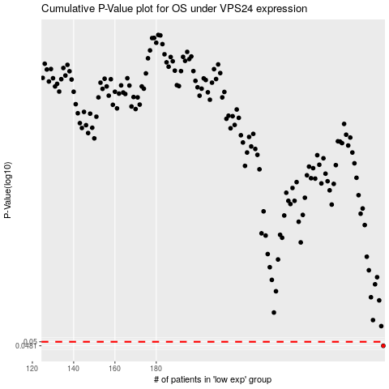

 |  |  |  |  |  | cases_OS | p_OS | rank | exp
 |  |  |  |  |  | 290 | 0.0481 | 392 | 0.30209071319
 |  |  |  |  |  |  | cases_RFS | p_RFS | rank | exp
 |  |  |  |  |  |  | 289 | 0.0481 | 290 | 0.29157012113

