VPS28 _multivariate
Reported by Tex Li-Hsing Chi. tex@gate.sinica.edu.tw 2019-08-15

Table 2. The clinicopathological features of HNSCC cohort and VPS28 expression. (Chi square test)
Cutoff at -0.259 (50.0%)
 |  | VPS28 expression |  | VPS28 expression |  | (Optimised)
 | Features | Low | (%) | High | (%) | Case no | P-value | Remark | Matthews
Gender | Female | 158 | 38.1 | 148 | 35.7 | 415 | 0.2774 | 0 | 0
2 | Male | 49 | 11.8 | 60 | 14.5
Age at diagnosis | <=65y | 134 | 32.3 | 140 | 33.7 | 415 | 0.6529 | 0 | 0
4 | >65y | 73 | 17.6 | 68 | 16.4
Clinical T Status | T1+T2 | 76 | 18.3 | 73 | 17.6 | 415 | 0.8092 | 0 | 0
6 | T3+T4 | 131 | 31.6 | 135 | 32.5
Clinical N Status | N0 | 107 | 25.8 | 109 | 26.3 | 415 | 0.9624 | 0 | 0
8 | N1-3 | 100 | 24.1 | 99 | 23.9
Clinical M Status | M0 | 206 | 49.6 | 206 | 49.6 | 415 | 1 | 0 | 0
10 | M1 | 1 | 0.2 | 2 | 0.5
Clinical Stage | Stage I+II | 48 | 11.6 | 54 | 13 | 415 | 0.5878 | 0 | 0
12 | Stage III+IV | 159 | 38.3 | 154 | 37.1
Surgical Margin status | Negative | 153 | 36.9 | 165 | 39.8 | 415 | 0.2036 | 0 | 0
14 | Positive | 54 | 13 | 43 | 10.4
Tobacco Exposure | Low | 71 | 17.1 | 90 | 21.7 | 415 | 0.0698 | 0 | 0
16 | High | 136 | 32.8 | 118 | 28.4

Table 3. Univariate/Multivariate Cox's proportional hazards regression analyses on OS time of VPS28 gene expression in HNSCC

 |  | Univariate |  |  |  | Multivariate
 | Features | HR | CI95%(L) | CI95%(H) | P-value | HR | CI95%(L) | CI95%(H) | P-value
1 | Female | 1 |  |  |  | 1
Gender | Male | 1.157 | 0.843 | 1.587 | 0.367 | 1.203 | 0.861 | 1.681 | 0.28
11 | <=65y | 1 |  |  |  | 1
Age at diagnosis | >65y | 1.329 | 0.99 | 1.784 | 0.058 | 1.389 | 1.019 | 1.893 | 0.038
12 | T1+T2 | 1 |  |  |  | 1
Clinical T Status | T3+T4 | 1.409 | 1.028 | 1.931 | 0.033 | 2.209 | 1.165 | 4.188 | 0.015
13 | N0 | 1 |  |  |  | 1
Clinical N Status | N1-3 | 1.185 | 0.89 | 1.577 | 0.246 | 1.243 | 0.87 | 1.775 | 0.232
14 | M0 | 1 |  |  |  | 1
Clinical M Status | M1 | 4.097 | 1.009 | 16.644 | 0.049 | 9.475 | 2.055 | 43.683 | 0.004
15 | Stage I+II | 1 |  |  |  | 1
Clinical Stage | Stage III+IV | 1.245 | 0.882 | 1.759 | 0.213 | 0.502 | 0.232 | 1.084 | 0.079
16 | Negative | 1 |  |  |  | 1
Surgical Margin status | Positive | 1.591 | 1.155 | 2.191 | 0.004 | 1.672 | 1.21 | 2.311 | 0.002
17 | Low | 1 |  |  |  | 1
Tobacco Exposure | High | 1.364 | 1.008 | 1.844 | 0.044 | 1.45 | 1.05 | 2.002 | 0.024
18 | Low | 1 |  |  |  | 1
RNAseq(z-score) | High | 0.971 | 0.728 | 1.296 | 0.843 | 0.984 | 0.731 | 1.323 | 0.914

Table 4. Univariate/Multivariate Cox's proportional hazards regression analyses on RFS time of VPS28 gene expression in HNSCC

 |  | Univariate |  |  |  | Multivariate
 | Features | HR | CI95%(L) | CI95%(H) | P-value | HR | CI95%(L) | CI95%(H) | P-value
1 | Female | 1 |  |  |  | 1
Gender | Male | 1.157 | 0.843 | 1.587 | 0.367 | 1.203 | 0.861 | 1.681 | 0.28
11 | <=65y | 1 |  |  |  | 1
Age at diagnosis | >65y | 1.329 | 0.99 | 1.784 | 0.058 | 1.389 | 1.019 | 1.893 | 0.038
12 | T1+T2 | 1 |  |  |  | 1
Clinical T Status | T3+T4 | 1.409 | 1.028 | 1.931 | 0.033 | 2.209 | 1.165 | 4.188 | 0.015
13 | N0 | 1 |  |  |  | 1
Clinical N Status | N1-3 | 1.185 | 0.89 | 1.577 | 0.246 | 1.243 | 0.87 | 1.775 | 0.232
14 | M0 | 1 |  |  |  | 1
Clinical M Status | M1 | 4.097 | 1.009 | 16.644 | 0.049 | 9.475 | 2.055 | 43.683 | 0.004
15 | Stage I+II | 1 |  |  |  | 1
Clinical Stage | Stage III+IV | 1.245 | 0.882 | 1.759 | 0.213 | 0.502 | 0.232 | 1.084 | 0.079
16 | Negative | 1 |  |  |  | 1
Surgical Margin status | Positive | 1.591 | 1.155 | 2.191 | 0.004 | 1.672 | 1.21 | 2.311 | 0.002
17 | Low | 1 |  |  |  | 1
Tobacco Exposure | High | 1.364 | 1.008 | 1.844 | 0.044 | 1.45 | 1.05 | 2.002 | 0.024
18 | Low | 1 |  |  |  | 1
RNAseq(z-score) | High | 0.971 | 0.728 | 1.296 | 0.843 | 0.984 | 0.731 | 1.323 | 0.914

Kaplan-Meier survival estimate: Cutoff at -0.259 (50.0%)



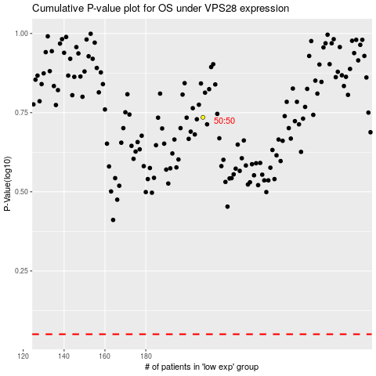

 |  |  |  |  |  | cases_OS | p_OS | rank | exp
 |  |  |  |  |  |  | cases_RFS | p_RFS | rank | exp

