VPS36 _multivariate
Reported by Tex Li-Hsing Chi. tex@gate.sinica.edu.tw 2019-08-15

Table 2. The clinicopathological features of HNSCC cohort and VPS36 expression. (Chi square test)
Cutoff at -0.258 (50.0%)
 |  | VPS36 expression |  | VPS36 expression |  | (Optimised)
 | Features | Low | (%) | High | (%) | Case no | P-value | Remark | Matthews
Gender | Female | 162 | 39 | 144 | 34.7 | 415 | 0.0479 | 1 | 0
2 | Male | 45 | 10.8 | 64 | 15.4
Age at diagnosis | <=65y | 145 | 34.9 | 129 | 31.1 | 415 | 0.1046 | 0 | 0
4 | >65y | 62 | 14.9 | 79 | 19
Clinical T Status | T1+T2 | 73 | 17.6 | 76 | 18.3 | 415 | 0.8666 | 0 | 0
6 | T3+T4 | 134 | 32.3 | 132 | 31.8
Clinical N Status | N0 | 98 | 23.6 | 118 | 28.4 | 415 | 0.0694 | 0 | 0
8 | N1-3 | 109 | 26.3 | 90 | 21.7
Clinical M Status | M0 | 205 | 49.4 | 207 | 49.9 | 415 | 0.6232 | 0 | 0
10 | M1 | 2 | 0.5 | 1 | 0.2
Clinical Stage | Stage I+II | 44 | 10.6 | 58 | 14 | 415 | 0.1459 | 0 | 0
12 | Stage III+IV | 163 | 39.3 | 150 | 36.1
Surgical Margin status | Negative | 159 | 38.3 | 159 | 38.3 | 415 | 1 | 0 | 0
14 | Positive | 48 | 11.6 | 49 | 11.8
Tobacco Exposure | Low | 70 | 16.9 | 91 | 21.9 | 415 | 0.0439 | 1 | 0
16 | High | 137 | 33 | 117 | 28.2

Table 3. Univariate/Multivariate Cox's proportional hazards regression analyses on OS time of VPS36 gene expression in HNSCC

 |  | Univariate |  |  |  | Multivariate
 | Features | HR | CI95%(L) | CI95%(H) | P-value | HR | CI95%(L) | CI95%(H) | P-value
1 | Female | 1 |  |  |  | 1
Gender | Male | 1.157 | 0.843 | 1.587 | 0.367 | 1.199 | 0.858 | 1.675 | 0.288
11 | <=65y | 1 |  |  |  | 1
Age at diagnosis | >65y | 1.329 | 0.99 | 1.784 | 0.058 | 1.391 | 1.023 | 1.892 | 0.035
12 | T1+T2 | 1 |  |  |  | 1
Clinical T Status | T3+T4 | 1.409 | 1.028 | 1.931 | 0.033 | 2.199 | 1.163 | 4.159 | 0.015
13 | N0 | 1 |  |  |  | 1
Clinical N Status | N1-3 | 1.185 | 0.89 | 1.577 | 0.246 | 1.242 | 0.871 | 1.772 | 0.232
14 | M0 | 1 |  |  |  | 1
Clinical M Status | M1 | 4.097 | 1.009 | 16.644 | 0.049 | 9.435 | 2.058 | 43.256 | 0.004
15 | Stage I+II | 1 |  |  |  | 1
Clinical Stage | Stage III+IV | 1.245 | 0.882 | 1.759 | 0.213 | 0.508 | 0.236 | 1.09 | 0.082
16 | Negative | 1 |  |  |  | 1
Surgical Margin status | Positive | 1.591 | 1.155 | 2.191 | 0.004 | 1.676 | 1.212 | 2.318 | 0.002
17 | Low | 1 |  |  |  | 1
Tobacco Exposure | High | 1.364 | 1.008 | 1.844 | 0.044 | 1.458 | 1.057 | 2.01 | 0.021
18 | Low | 1 |  |  |  | 1
RNAseq(z-score) | High | 0.998 | 0.75 | 1.329 | 0.991 | 1.05 | 0.786 | 1.403 | 0.74

Table 4. Univariate/Multivariate Cox's proportional hazards regression analyses on RFS time of VPS36 gene expression in HNSCC

 |  | Univariate |  |  |  | Multivariate
 | Features | HR | CI95%(L) | CI95%(H) | P-value | HR | CI95%(L) | CI95%(H) | P-value
1 | Female | 1 |  |  |  | 1
Gender | Male | 1.157 | 0.843 | 1.587 | 0.367 | 1.199 | 0.858 | 1.675 | 0.288
11 | <=65y | 1 |  |  |  | 1
Age at diagnosis | >65y | 1.329 | 0.99 | 1.784 | 0.058 | 1.391 | 1.023 | 1.892 | 0.035
12 | T1+T2 | 1 |  |  |  | 1
Clinical T Status | T3+T4 | 1.409 | 1.028 | 1.931 | 0.033 | 2.199 | 1.163 | 4.159 | 0.015
13 | N0 | 1 |  |  |  | 1
Clinical N Status | N1-3 | 1.185 | 0.89 | 1.577 | 0.246 | 1.242 | 0.871 | 1.772 | 0.232
14 | M0 | 1 |  |  |  | 1
Clinical M Status | M1 | 4.097 | 1.009 | 16.644 | 0.049 | 9.435 | 2.058 | 43.256 | 0.004
15 | Stage I+II | 1 |  |  |  | 1
Clinical Stage | Stage III+IV | 1.245 | 0.882 | 1.759 | 0.213 | 0.508 | 0.236 | 1.09 | 0.082
16 | Negative | 1 |  |  |  | 1
Surgical Margin status | Positive | 1.591 | 1.155 | 2.191 | 0.004 | 1.676 | 1.212 | 2.318 | 0.002
17 | Low | 1 |  |  |  | 1
Tobacco Exposure | High | 1.364 | 1.008 | 1.844 | 0.044 | 1.458 | 1.057 | 2.01 | 0.021
18 | Low | 1 |  |  |  | 1
RNAseq(z-score) | High | 0.998 | 0.75 | 1.329 | 0.991 | 1.05 | 0.786 | 1.403 | 0.74

Kaplan-Meier survival estimate: Cutoff at -0.258 (50.0%)



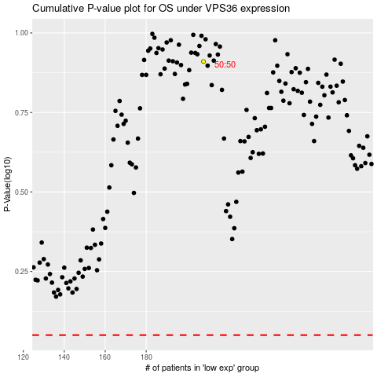

 |  |  |  |  |  | cases_OS | p_OS | rank | exp
 |  |  |  |  |  |  | cases_RFS | p_RFS | rank | exp

