VPS41 _multivariate
Reported by Tex Li-Hsing Chi. tex@gate.sinica.edu.tw 2019-08-15

Table 2. The clinicopathological features of HNSCC cohort and VPS41 expression. (Chi square test)
Cutoff at -0.138 (49.8%)
 |  | VPS41 expression |  | VPS41 expression |  | (Optimised)
 | Features | Low | (%) | High | (%) | Case no | P-value | Remark | Matthews
Gender | Female | 149 | 35.9 | 157 | 37.8 | 415 | 0.4848 | 0 | 0
2 | Male | 58 | 14 | 51 | 12.3
Age at diagnosis | <=65y | 133 | 32 | 141 | 34 | 415 | 0.5111 | 0 | 0
4 | >65y | 74 | 17.8 | 67 | 16.1
Clinical T Status | T1+T2 | 77 | 18.6 | 72 | 17.3 | 415 | 0.6556 | 0 | 0
6 | T3+T4 | 130 | 31.3 | 136 | 32.8
Clinical N Status | N0 | 113 | 27.2 | 103 | 24.8 | 415 | 0.3495 | 1 | 0
8 | N1-3 | 94 | 22.7 | 105 | 25.3
Clinical M Status | M0 | 205 | 49.4 | 207 | 49.9 | 415 | 0.6232 | 0 | 0
10 | M1 | 2 | 0.5 | 1 | 0.2
Clinical Stage | Stage I+II | 54 | 13 | 48 | 11.6 | 415 | 0.5498 | 0 | 0
12 | Stage III+IV | 153 | 36.9 | 160 | 38.6
Surgical Margin status | Negative | 153 | 36.9 | 165 | 39.8 | 415 | 0.2036 | 0 | 0
14 | Positive | 54 | 13 | 43 | 10.4
Tobacco Exposure | Low | 84 | 20.2 | 77 | 18.6 | 415 | 0.4816 | 0 | 0
16 | High | 123 | 29.6 | 131 | 31.6

Table 3. Univariate/Multivariate Cox's proportional hazards regression analyses on OS time of VPS41 gene expression in HNSCC

 |  | Univariate |  |  |  | Multivariate
 | Features | HR | CI95%(L) | CI95%(H) | P-value | HR | CI95%(L) | CI95%(H) | P-value
1 | Female | 1 |  |  |  | 1
Gender | Male | 1.157 | 0.843 | 1.587 | 0.367 | 1.202 | 0.86 | 1.678 | 0.281
11 | <=65y | 1 |  |  |  | 1
Age at diagnosis | >65y | 1.329 | 0.99 | 1.784 | 0.058 | 1.397 | 1.028 | 1.898 | 0.033
12 | T1+T2 | 1 |  |  |  | 1
Clinical T Status | T3+T4 | 1.409 | 1.028 | 1.931 | 0.033 | 2.188 | 1.157 | 4.137 | 0.016
13 | N0 | 1 |  |  |  | 1
Clinical N Status | N1-3 | 1.185 | 0.89 | 1.577 | 0.246 | 1.214 | 0.849 | 1.737 | 0.287
14 | M0 | 1 |  |  |  | 1
Clinical M Status | M1 | 4.097 | 1.009 | 16.644 | 0.049 | 10.073 | 2.191 | 46.321 | 0.003
15 | Stage I+II | 1 |  |  |  | 1
Clinical Stage | Stage III+IV | 1.245 | 0.882 | 1.759 | 0.213 | 0.505 | 0.235 | 1.084 | 0.08
16 | Negative | 1 |  |  |  | 1
Surgical Margin status | Positive | 1.591 | 1.155 | 2.191 | 0.004 | 1.705 | 1.232 | 2.359 | 0.001
17 | Low | 1 |  |  |  | 1
Tobacco Exposure | High | 1.364 | 1.008 | 1.844 | 0.044 | 1.446 | 1.05 | 1.99 | 0.024
18 | Low | 1 |  |  |  | 1
RNAseq(z-score) | High | 1.194 | 0.894 | 1.595 | 0.231 | 1.229 | 0.916 | 1.648 | 0.17

Table 4. Univariate/Multivariate Cox's proportional hazards regression analyses on RFS time of VPS41 gene expression in HNSCC

 |  | Univariate |  |  |  | Multivariate
 | Features | HR | CI95%(L) | CI95%(H) | P-value | HR | CI95%(L) | CI95%(H) | P-value
1 | Female | 1 |  |  |  | 1
Gender | Male | 1.157 | 0.843 | 1.587 | 0.367 | 1.202 | 0.86 | 1.678 | 0.281
11 | <=65y | 1 |  |  |  | 1
Age at diagnosis | >65y | 1.329 | 0.99 | 1.784 | 0.058 | 1.397 | 1.028 | 1.898 | 0.033
12 | T1+T2 | 1 |  |  |  | 1
Clinical T Status | T3+T4 | 1.409 | 1.028 | 1.931 | 0.033 | 2.188 | 1.157 | 4.137 | 0.016
13 | N0 | 1 |  |  |  | 1
Clinical N Status | N1-3 | 1.185 | 0.89 | 1.577 | 0.246 | 1.214 | 0.849 | 1.737 | 0.287
14 | M0 | 1 |  |  |  | 1
Clinical M Status | M1 | 4.097 | 1.009 | 16.644 | 0.049 | 10.073 | 2.191 | 46.321 | 0.003
15 | Stage I+II | 1 |  |  |  | 1
Clinical Stage | Stage III+IV | 1.245 | 0.882 | 1.759 | 0.213 | 0.505 | 0.235 | 1.084 | 0.08
16 | Negative | 1 |  |  |  | 1
Surgical Margin status | Positive | 1.591 | 1.155 | 2.191 | 0.004 | 1.705 | 1.232 | 2.359 | 0.001
17 | Low | 1 |  |  |  | 1
Tobacco Exposure | High | 1.364 | 1.008 | 1.844 | 0.044 | 1.446 | 1.05 | 1.99 | 0.024
18 | Low | 1 |  |  |  | 1
RNAseq(z-score) | High | 1.194 | 0.894 | 1.595 | 0.231 | 1.229 | 0.916 | 1.648 | 0.17

Kaplan-Meier survival estimate: Cutoff at -0.138 (49.8%)



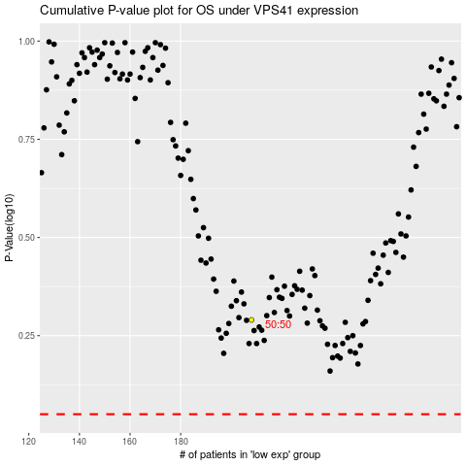

 |  |  |  |  |  | cases_OS | p_OS | rank | exp
 |  |  |  |  |  |  | cases_RFS | p_RFS | rank | exp

