VPS4B _multivariate
Reported by Tex Li-Hsing Chi. tex@gate.sinica.edu.tw 2019-08-15

Table 2. The clinicopathological features of HNSCC cohort and VPS4B expression. (Chi square test)
Cutoff at -0.252 (50.0%)
 |  | VPS4B expression |  | VPS4B expression |  | (Optimised)
 | Features | Low | (%) | High | (%) | Case no | P-value | Remark | Matthews
Gender | Female | 157 | 37.8 | 149 | 35.9 | 415 | 0.3881 | 0 | 0
2 | Male | 50 | 12 | 59 | 14.2
Age at diagnosis | <=65y | 138 | 33.3 | 136 | 32.8 | 415 | 0.8634 | 0 | 0
4 | >65y | 69 | 16.6 | 72 | 17.3
Clinical T Status | T1+T2 | 71 | 17.1 | 78 | 18.8 | 415 | 0.5638 | 0 | 0
6 | T3+T4 | 136 | 32.8 | 130 | 31.3
Clinical N Status | N0 | 111 | 26.7 | 105 | 25.3 | 415 | 0.5875 | 0 | 0
8 | N1-3 | 96 | 23.1 | 103 | 24.8
Clinical M Status | M0 | 205 | 49.4 | 207 | 49.9 | 415 | 0.6232 | 0 | 0
10 | M1 | 2 | 0.5 | 1 | 0.2
Clinical Stage | Stage I+II | 50 | 12 | 52 | 12.5 | 415 | 0.9315 | 0 | 0
12 | Stage III+IV | 157 | 37.8 | 156 | 37.6
Surgical Margin status | Negative | 160 | 38.6 | 158 | 38.1 | 415 | 0.8167 | 0 | 0
14 | Positive | 47 | 11.3 | 50 | 12
Tobacco Exposure | Low | 71 | 17.1 | 90 | 21.7 | 415 | 0.0698 | 0 | 0
16 | High | 136 | 32.8 | 118 | 28.4

Table 3. Univariate/Multivariate Cox's proportional hazards regression analyses on OS time of VPS4B gene expression in HNSCC

 |  | Univariate |  |  |  | Multivariate
 | Features | HR | CI95%(L) | CI95%(H) | P-value | HR | CI95%(L) | CI95%(H) | P-value
1 | Female | 1 |  |  |  | 1
Gender | Male | 1.157 | 0.843 | 1.587 | 0.367 | 1.196 | 0.856 | 1.671 | 0.295
11 | <=65y | 1 |  |  |  | 1
Age at diagnosis | >65y | 1.329 | 0.99 | 1.784 | 0.058 | 1.39 | 1.022 | 1.889 | 0.036
12 | T1+T2 | 1 |  |  |  | 1
Clinical T Status | T3+T4 | 1.409 | 1.028 | 1.931 | 0.033 | 2.181 | 1.153 | 4.125 | 0.016
13 | N0 | 1 |  |  |  | 1
Clinical N Status | N1-3 | 1.185 | 0.89 | 1.577 | 0.246 | 1.243 | 0.871 | 1.773 | 0.231
14 | M0 | 1 |  |  |  | 1
Clinical M Status | M1 | 4.097 | 1.009 | 16.644 | 0.049 | 9.208 | 2.006 | 42.267 | 0.004
15 | Stage I+II | 1 |  |  |  | 1
Clinical Stage | Stage III+IV | 1.245 | 0.882 | 1.759 | 0.213 | 0.507 | 0.236 | 1.088 | 0.081
16 | Negative | 1 |  |  |  | 1
Surgical Margin status | Positive | 1.591 | 1.155 | 2.191 | 0.004 | 1.667 | 1.207 | 2.303 | 0.002
17 | Low | 1 |  |  |  | 1
Tobacco Exposure | High | 1.364 | 1.008 | 1.844 | 0.044 | 1.441 | 1.045 | 1.987 | 0.026
18 | Low | 1 |  |  |  | 1
RNAseq(z-score) | High | 0.857 | 0.642 | 1.142 | 0.292 | 0.912 | 0.682 | 1.219 | 0.534

Table 4. Univariate/Multivariate Cox's proportional hazards regression analyses on RFS time of VPS4B gene expression in HNSCC

 |  | Univariate |  |  |  | Multivariate
 | Features | HR | CI95%(L) | CI95%(H) | P-value | HR | CI95%(L) | CI95%(H) | P-value
1 | Female | 1 |  |  |  | 1
Gender | Male | 1.157 | 0.843 | 1.587 | 0.367 | 1.196 | 0.856 | 1.671 | 0.295
11 | <=65y | 1 |  |  |  | 1
Age at diagnosis | >65y | 1.329 | 0.99 | 1.784 | 0.058 | 1.39 | 1.022 | 1.889 | 0.036
12 | T1+T2 | 1 |  |  |  | 1
Clinical T Status | T3+T4 | 1.409 | 1.028 | 1.931 | 0.033 | 2.181 | 1.153 | 4.125 | 0.016
13 | N0 | 1 |  |  |  | 1
Clinical N Status | N1-3 | 1.185 | 0.89 | 1.577 | 0.246 | 1.243 | 0.871 | 1.773 | 0.231
14 | M0 | 1 |  |  |  | 1
Clinical M Status | M1 | 4.097 | 1.009 | 16.644 | 0.049 | 9.208 | 2.006 | 42.267 | 0.004
15 | Stage I+II | 1 |  |  |  | 1
Clinical Stage | Stage III+IV | 1.245 | 0.882 | 1.759 | 0.213 | 0.507 | 0.236 | 1.088 | 0.081
16 | Negative | 1 |  |  |  | 1
Surgical Margin status | Positive | 1.591 | 1.155 | 2.191 | 0.004 | 1.667 | 1.207 | 2.303 | 0.002
17 | Low | 1 |  |  |  | 1
Tobacco Exposure | High | 1.364 | 1.008 | 1.844 | 0.044 | 1.441 | 1.045 | 1.987 | 0.026
18 | Low | 1 |  |  |  | 1
RNAseq(z-score) | High | 0.857 | 0.642 | 1.142 | 0.292 | 0.912 | 0.682 | 1.219 | 0.534

Kaplan-Meier survival estimate: Cutoff at -0.252 (50.0%)



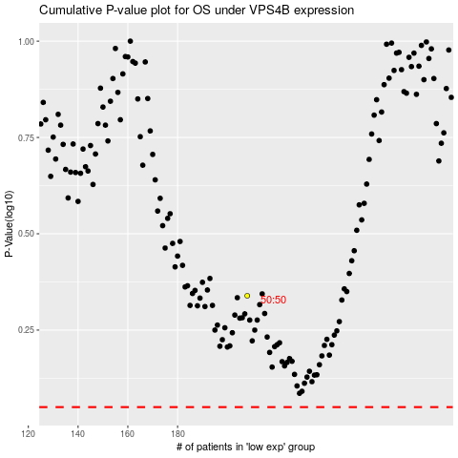

 |  |  |  |  |  | cases_OS | p_OS | rank | exp
 |  |  |  |  |  |  | cases_RFS | p_RFS | rank | exp

