VPS52 _multivariate
Reported by Tex Li-Hsing Chi. tex@gate.sinica.edu.tw 2019-08-15

Table 2. The clinicopathological features of HNSCC cohort and VPS52 expression. (Chi square test)
Cutoff at -0.172 (49.8%)
 |  | VPS52 expression |  | VPS52 expression |  | (Optimised)
 | Features | Low | (%) | High | (%) | Case no | P-value | Remark | Matthews
Gender | Female | 150 | 36.1 | 156 | 37.6 | 415 | 0.6344 | 0 | 0
2 | Male | 57 | 13.7 | 52 | 12.5
Age at diagnosis | <=65y | 139 | 33.5 | 135 | 32.5 | 415 | 0.7044 | 0 | 0
4 | >65y | 68 | 16.4 | 73 | 17.6
Clinical T Status | T1+T2 | 68 | 16.4 | 81 | 19.5 | 415 | 0.2336 | 0 | 0
6 | T3+T4 | 139 | 33.5 | 127 | 30.6
Clinical N Status | N0 | 101 | 24.3 | 115 | 27.7 | 415 | 0.2201 | 0 | 0
8 | N1-3 | 106 | 25.5 | 93 | 22.4
Clinical M Status | M0 | 206 | 49.6 | 206 | 49.6 | 415 | 1 | 0 | 0
10 | M1 | 1 | 0.2 | 2 | 0.5
Clinical Stage | Stage I+II | 49 | 11.8 | 53 | 12.8 | 415 | 0.7535 | 0 | 0
12 | Stage III+IV | 158 | 38.1 | 155 | 37.3
Surgical Margin status | Negative | 159 | 38.3 | 159 | 38.3 | 415 | 1 | 0 | 0
14 | Positive | 48 | 11.6 | 49 | 11.8
Tobacco Exposure | Low | 76 | 18.3 | 85 | 20.5 | 415 | 0.4207 | 0 | 0
16 | High | 131 | 31.6 | 123 | 29.6

Table 3. Univariate/Multivariate Cox's proportional hazards regression analyses on OS time of VPS52 gene expression in HNSCC

 |  | Univariate |  |  |  | Multivariate
 | Features | HR | CI95%(L) | CI95%(H) | P-value | HR | CI95%(L) | CI95%(H) | P-value
1 | Female | 1 |  |  |  | 1
Gender | Male | 1.157 | 0.843 | 1.587 | 0.367 | 1.201 | 0.86 | 1.678 | 0.283
11 | <=65y | 1 |  |  |  | 1
Age at diagnosis | >65y | 1.329 | 0.99 | 1.784 | 0.058 | 1.386 | 1.019 | 1.886 | 0.037
12 | T1+T2 | 1 |  |  |  | 1
Clinical T Status | T3+T4 | 1.409 | 1.028 | 1.931 | 0.033 | 2.15 | 1.134 | 4.077 | 0.019
13 | N0 | 1 |  |  |  | 1
Clinical N Status | N1-3 | 1.185 | 0.89 | 1.577 | 0.246 | 1.211 | 0.845 | 1.737 | 0.297
14 | M0 | 1 |  |  |  | 1
Clinical M Status | M1 | 4.097 | 1.009 | 16.644 | 0.049 | 9.634 | 2.099 | 44.21 | 0.004
15 | Stage I+II | 1 |  |  |  | 1
Clinical Stage | Stage III+IV | 1.245 | 0.882 | 1.759 | 0.213 | 0.521 | 0.242 | 1.121 | 0.095
16 | Negative | 1 |  |  |  | 1
Surgical Margin status | Positive | 1.591 | 1.155 | 2.191 | 0.004 | 1.693 | 1.223 | 2.344 | 0.002
17 | Low | 1 |  |  |  | 1
Tobacco Exposure | High | 1.364 | 1.008 | 1.844 | 0.044 | 1.453 | 1.054 | 2.002 | 0.023
18 | Low | 1 |  |  |  | 1
RNAseq(z-score) | High | 0.887 | 0.666 | 1.181 | 0.41 | 0.889 | 0.663 | 1.192 | 0.432

Table 4. Univariate/Multivariate Cox's proportional hazards regression analyses on RFS time of VPS52 gene expression in HNSCC

 |  | Univariate |  |  |  | Multivariate
 | Features | HR | CI95%(L) | CI95%(H) | P-value | HR | CI95%(L) | CI95%(H) | P-value
1 | Female | 1 |  |  |  | 1
Gender | Male | 1.157 | 0.843 | 1.587 | 0.367 | 1.201 | 0.86 | 1.678 | 0.283
11 | <=65y | 1 |  |  |  | 1
Age at diagnosis | >65y | 1.329 | 0.99 | 1.784 | 0.058 | 1.386 | 1.019 | 1.886 | 0.037
12 | T1+T2 | 1 |  |  |  | 1
Clinical T Status | T3+T4 | 1.409 | 1.028 | 1.931 | 0.033 | 2.15 | 1.134 | 4.077 | 0.019
13 | N0 | 1 |  |  |  | 1
Clinical N Status | N1-3 | 1.185 | 0.89 | 1.577 | 0.246 | 1.211 | 0.845 | 1.737 | 0.297
14 | M0 | 1 |  |  |  | 1
Clinical M Status | M1 | 4.097 | 1.009 | 16.644 | 0.049 | 9.634 | 2.099 | 44.21 | 0.004
15 | Stage I+II | 1 |  |  |  | 1
Clinical Stage | Stage III+IV | 1.245 | 0.882 | 1.759 | 0.213 | 0.521 | 0.242 | 1.121 | 0.095
16 | Negative | 1 |  |  |  | 1
Surgical Margin status | Positive | 1.591 | 1.155 | 2.191 | 0.004 | 1.693 | 1.223 | 2.344 | 0.002
17 | Low | 1 |  |  |  | 1
Tobacco Exposure | High | 1.364 | 1.008 | 1.844 | 0.044 | 1.453 | 1.054 | 2.002 | 0.023
18 | Low | 1 |  |  |  | 1
RNAseq(z-score) | High | 0.887 | 0.666 | 1.181 | 0.41 | 0.889 | 0.663 | 1.192 | 0.432

Kaplan-Meier survival estimate: Cutoff at -0.172 (49.8%)



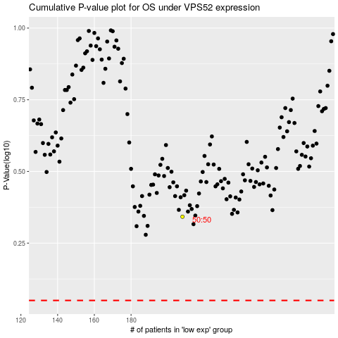

 |  |  |  |  |  | cases_OS | p_OS | rank | exp
 |  |  |  |  |  |  | cases_RFS | p_RFS | rank | exp

