VPS72 _multivariate
Reported by Tex Li-Hsing Chi. tex@gate.sinica.edu.tw 2019-08-15

Table 2. The clinicopathological features of HNSCC cohort and VPS72 expression. (Chi square test)
Cutoff at -0.12 (50.0%)
 |  | VPS72 expression |  | VPS72 expression |  | (Optimised)
 | Features | Low | (%) | High | (%) | Case no | P-value | Remark | Matthews
Gender | Female | 143 | 34.5 | 163 | 39.3 | 415 | 0.0416 | 1 | 0
2 | Male | 64 | 15.4 | 45 | 10.8
Age at diagnosis | <=65y | 129 | 31.1 | 145 | 34.9 | 415 | 0.1372 | 0 | 0
4 | >65y | 78 | 18.8 | 63 | 15.2
Clinical T Status | T1+T2 | 75 | 18.1 | 74 | 17.8 | 415 | 0.9707 | 0 | 0
6 | T3+T4 | 132 | 31.8 | 134 | 32.3
Clinical N Status | N0 | 116 | 28 | 100 | 24.1 | 415 | 0.1273 | 1 | 0
8 | N1-3 | 91 | 21.9 | 108 | 26
Clinical M Status | M0 | 207 | 49.9 | 205 | 49.4 | 415 | 0.2482 | 0 | 0
10 | M1 | 0 | 0 | 3 | 0.7
Clinical Stage | Stage I+II | 57 | 13.7 | 45 | 10.8 | 415 | 0.1998 | 0 | 0
12 | Stage III+IV | 150 | 36.1 | 163 | 39.3
Surgical Margin status | Negative | 170 | 41 | 148 | 35.7 | 415 | 0.0105 | 1 | 0
14 | Positive | 37 | 8.9 | 60 | 14.5
Tobacco Exposure | Low | 87 | 21 | 74 | 17.8 | 415 | 0.1911 | 0 | 0
16 | High | 120 | 28.9 | 134 | 32.3

Table 3. Univariate/Multivariate Cox's proportional hazards regression analyses on OS time of VPS72 gene expression in HNSCC

 |  | Univariate |  |  |  | Multivariate
 | Features | HR | CI95%(L) | CI95%(H) | P-value | HR | CI95%(L) | CI95%(H) | P-value
1 | Female | 1 |  |  |  | 1
Gender | Male | 1.157 | 0.843 | 1.587 | 0.367 | 1.196 | 0.856 | 1.671 | 0.294
11 | <=65y | 1 |  |  |  | 1
Age at diagnosis | >65y | 1.329 | 0.99 | 1.784 | 0.058 | 1.384 | 1.017 | 1.883 | 0.039
12 | T1+T2 | 1 |  |  |  | 1
Clinical T Status | T3+T4 | 1.409 | 1.028 | 1.931 | 0.033 | 2.205 | 1.166 | 4.168 | 0.015
13 | N0 | 1 |  |  |  | 1
Clinical N Status | N1-3 | 1.185 | 0.89 | 1.577 | 0.246 | 1.255 | 0.878 | 1.794 | 0.213
14 | M0 | 1 |  |  |  | 1
Clinical M Status | M1 | 4.097 | 1.009 | 16.644 | 0.049 | 9.805 | 2.125 | 45.236 | 0.003
15 | Stage I+II | 1 |  |  |  | 1
Clinical Stage | Stage III+IV | 1.245 | 0.882 | 1.759 | 0.213 | 0.505 | 0.235 | 1.083 | 0.079
16 | Negative | 1 |  |  |  | 1
Surgical Margin status | Positive | 1.591 | 1.155 | 2.191 | 0.004 | 1.708 | 1.226 | 2.379 | 0.002
17 | Low | 1 |  |  |  | 1
Tobacco Exposure | High | 1.364 | 1.008 | 1.844 | 0.044 | 1.459 | 1.058 | 2.011 | 0.021
18 | Low | 1 |  |  |  | 1
RNAseq(z-score) | High | 1.031 | 0.774 | 1.373 | 0.836 | 0.913 | 0.676 | 1.234 | 0.555

Table 4. Univariate/Multivariate Cox's proportional hazards regression analyses on RFS time of VPS72 gene expression in HNSCC

 |  | Univariate |  |  |  | Multivariate
 | Features | HR | CI95%(L) | CI95%(H) | P-value | HR | CI95%(L) | CI95%(H) | P-value
1 | Female | 1 |  |  |  | 1
Gender | Male | 1.157 | 0.843 | 1.587 | 0.367 | 1.196 | 0.856 | 1.671 | 0.294
11 | <=65y | 1 |  |  |  | 1
Age at diagnosis | >65y | 1.329 | 0.99 | 1.784 | 0.058 | 1.384 | 1.017 | 1.883 | 0.039
12 | T1+T2 | 1 |  |  |  | 1
Clinical T Status | T3+T4 | 1.409 | 1.028 | 1.931 | 0.033 | 2.205 | 1.166 | 4.168 | 0.015
13 | N0 | 1 |  |  |  | 1
Clinical N Status | N1-3 | 1.185 | 0.89 | 1.577 | 0.246 | 1.255 | 0.878 | 1.794 | 0.213
14 | M0 | 1 |  |  |  | 1
Clinical M Status | M1 | 4.097 | 1.009 | 16.644 | 0.049 | 9.805 | 2.125 | 45.236 | 0.003
15 | Stage I+II | 1 |  |  |  | 1
Clinical Stage | Stage III+IV | 1.245 | 0.882 | 1.759 | 0.213 | 0.505 | 0.235 | 1.083 | 0.079
16 | Negative | 1 |  |  |  | 1
Surgical Margin status | Positive | 1.591 | 1.155 | 2.191 | 0.004 | 1.708 | 1.226 | 2.379 | 0.002
17 | Low | 1 |  |  |  | 1
Tobacco Exposure | High | 1.364 | 1.008 | 1.844 | 0.044 | 1.459 | 1.058 | 2.011 | 0.021
18 | Low | 1 |  |  |  | 1
RNAseq(z-score) | High | 1.031 | 0.774 | 1.373 | 0.836 | 0.913 | 0.676 | 1.234 | 0.555

Kaplan-Meier survival estimate: Cutoff at -0.12 (50.0%)



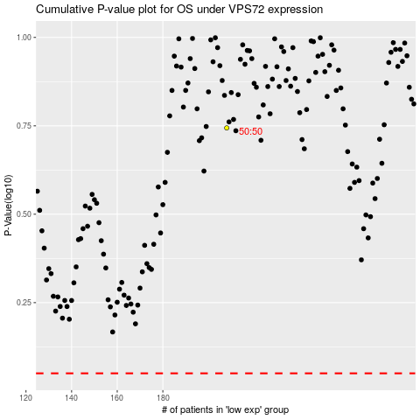

 |  |  |  |  |  | cases_OS | p_OS | rank | exp
 |  |  |  |  |  |  | cases_RFS | p_RFS | rank | exp

