VPS8 _multivariate
Reported by Tex Li-Hsing Chi. tex@gate.sinica.edu.tw 2019-08-15

Table 2. The clinicopathological features of HNSCC cohort and VPS8 expression. (Chi square test)
Cutoff at -0.123 (49.8%)
 |  | VPS8 expression |  | VPS8 expression |  | (Optimised)
 | Features | Low | (%) | High | (%) | Case no | P-value | Remark | Matthews
Gender | Female | 146 | 35.2 | 160 | 38.6 | 415 | 0.1714 | 0 | 0
2 | Male | 61 | 14.7 | 48 | 11.6
Age at diagnosis | <=65y | 129 | 31.1 | 145 | 34.9 | 415 | 0.1372 | 0 | 0
4 | >65y | 78 | 18.8 | 63 | 15.2
Clinical T Status | T1+T2 | 67 | 16.1 | 82 | 19.8 | 415 | 0.1628 | 0 | 0
6 | T3+T4 | 140 | 33.7 | 126 | 30.4
Clinical N Status | N0 | 100 | 24.1 | 116 | 28 | 415 | 0.1548 | 0 | 0
8 | N1-3 | 107 | 25.8 | 92 | 22.2
Clinical M Status | M0 | 206 | 49.6 | 206 | 49.6 | 415 | 1 | 0 | 0
10 | M1 | 1 | 0.2 | 2 | 0.5
Clinical Stage | Stage I+II | 48 | 11.6 | 54 | 13 | 415 | 0.5878 | 0 | 0
12 | Stage III+IV | 159 | 38.3 | 154 | 37.1
Surgical Margin status | Negative | 162 | 39 | 156 | 37.6 | 415 | 0.4867 | 0 | 0
14 | Positive | 45 | 10.8 | 52 | 12.5
Tobacco Exposure | Low | 85 | 20.5 | 76 | 18.3 | 415 | 0.3655 | 0 | 0
16 | High | 122 | 29.4 | 132 | 31.8

Table 3. Univariate/Multivariate Cox's proportional hazards regression analyses on OS time of VPS8 gene expression in HNSCC

 |  | Univariate |  |  |  | Multivariate
 | Features | HR | CI95%(L) | CI95%(H) | P-value | HR | CI95%(L) | CI95%(H) | P-value
1 | Female | 1 |  |  |  | 1
Gender | Male | 1.157 | 0.843 | 1.587 | 0.367 | 1.198 | 0.856 | 1.676 | 0.292
11 | <=65y | 1 |  |  |  | 1
Age at diagnosis | >65y | 1.329 | 0.99 | 1.784 | 0.058 | 1.389 | 1.02 | 1.889 | 0.037
12 | T1+T2 | 1 |  |  |  | 1
Clinical T Status | T3+T4 | 1.409 | 1.028 | 1.931 | 0.033 | 2.193 | 1.158 | 4.152 | 0.016
13 | N0 | 1 |  |  |  | 1
Clinical N Status | N1-3 | 1.185 | 0.89 | 1.577 | 0.246 | 1.238 | 0.867 | 1.768 | 0.24
14 | M0 | 1 |  |  |  | 1
Clinical M Status | M1 | 4.097 | 1.009 | 16.644 | 0.049 | 9.39 | 2.048 | 43.047 | 0.004
15 | Stage I+II | 1 |  |  |  | 1
Clinical Stage | Stage III+IV | 1.245 | 0.882 | 1.759 | 0.213 | 0.506 | 0.236 | 1.088 | 0.081
16 | Negative | 1 |  |  |  | 1
Surgical Margin status | Positive | 1.591 | 1.155 | 2.191 | 0.004 | 1.671 | 1.209 | 2.308 | 0.002
17 | Low | 1 |  |  |  | 1
Tobacco Exposure | High | 1.364 | 1.008 | 1.844 | 0.044 | 1.453 | 1.054 | 2.002 | 0.022
18 | Low | 1 |  |  |  | 1
RNAseq(z-score) | High | 0.893 | 0.67 | 1.19 | 0.439 | 0.972 | 0.726 | 1.301 | 0.847

Table 4. Univariate/Multivariate Cox's proportional hazards regression analyses on RFS time of VPS8 gene expression in HNSCC

 |  | Univariate |  |  |  | Multivariate
 | Features | HR | CI95%(L) | CI95%(H) | P-value | HR | CI95%(L) | CI95%(H) | P-value
1 | Female | 1 |  |  |  | 1
Gender | Male | 1.157 | 0.843 | 1.587 | 0.367 | 1.198 | 0.856 | 1.676 | 0.292
11 | <=65y | 1 |  |  |  | 1
Age at diagnosis | >65y | 1.329 | 0.99 | 1.784 | 0.058 | 1.389 | 1.02 | 1.889 | 0.037
12 | T1+T2 | 1 |  |  |  | 1
Clinical T Status | T3+T4 | 1.409 | 1.028 | 1.931 | 0.033 | 2.193 | 1.158 | 4.152 | 0.016
13 | N0 | 1 |  |  |  | 1
Clinical N Status | N1-3 | 1.185 | 0.89 | 1.577 | 0.246 | 1.238 | 0.867 | 1.768 | 0.24
14 | M0 | 1 |  |  |  | 1
Clinical M Status | M1 | 4.097 | 1.009 | 16.644 | 0.049 | 9.39 | 2.048 | 43.047 | 0.004
15 | Stage I+II | 1 |  |  |  | 1
Clinical Stage | Stage III+IV | 1.245 | 0.882 | 1.759 | 0.213 | 0.506 | 0.236 | 1.088 | 0.081
16 | Negative | 1 |  |  |  | 1
Surgical Margin status | Positive | 1.591 | 1.155 | 2.191 | 0.004 | 1.671 | 1.209 | 2.308 | 0.002
17 | Low | 1 |  |  |  | 1
Tobacco Exposure | High | 1.364 | 1.008 | 1.844 | 0.044 | 1.453 | 1.054 | 2.002 | 0.022
18 | Low | 1 |  |  |  | 1
RNAseq(z-score) | High | 0.893 | 0.67 | 1.19 | 0.439 | 0.972 | 0.726 | 1.301 | 0.847

Kaplan-Meier survival estimate: Cutoff at -0.123 (49.8%)



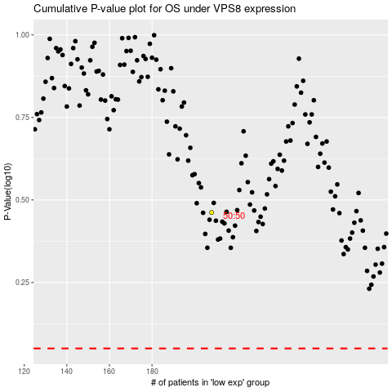

 |  |  |  |  |  | cases_OS | p_OS | rank | exp
 |  |  |  |  |  |  | cases_RFS | p_RFS | rank | exp

