VRK3 _multivariate
Reported by Tex Li-Hsing Chi. tex@gate.sinica.edu.tw 2019-08-15

Table 2. The clinicopathological features of HNSCC cohort and VRK3 expression. (Chi square test)
Cutoff at -0.259 (50.0%)
 |  | VRK3 expression |  | VRK3 expression |  | (Optimised)
 | Features | Low | (%) | High | (%) | Case no | P-value | Remark | Matthews
Gender | Female | 157 | 37.8 | 149 | 35.9 | 415 | 0.3881 | 0 | 0
2 | Male | 50 | 12 | 59 | 14.2
Age at diagnosis | <=65y | 142 | 34.2 | 132 | 31.8 | 415 | 0.3167 | 0 | 0
4 | >65y | 65 | 15.7 | 76 | 18.3
Clinical T Status | T1+T2 | 65 | 15.7 | 84 | 20.2 | 415 | 0.0711 | 0 | 0
6 | T3+T4 | 142 | 34.2 | 124 | 29.9
Clinical N Status | N0 | 112 | 27 | 104 | 25.1 | 415 | 0.4599 | 0 | 0
8 | N1-3 | 95 | 22.9 | 104 | 25.1
Clinical M Status | M0 | 207 | 49.9 | 205 | 49.4 | 415 | 0.2482 | 0 | 0
10 | M1 | 0 | 0 | 3 | 0.7
Clinical Stage | Stage I+II | 48 | 11.6 | 54 | 13 | 415 | 0.5878 | 0 | 0
12 | Stage III+IV | 159 | 38.3 | 154 | 37.1
Surgical Margin status | Negative | 158 | 38.1 | 160 | 38.6 | 415 | 0.9081 | 0 | 0
14 | Positive | 49 | 11.8 | 48 | 11.6
Tobacco Exposure | Low | 77 | 18.6 | 84 | 20.2 | 415 | 0.5459 | 0 | 0
16 | High | 130 | 31.3 | 124 | 29.9

Table 3. Univariate/Multivariate Cox's proportional hazards regression analyses on OS time of VRK3 gene expression in HNSCC

 |  | Univariate |  |  |  | Multivariate
 | Features | HR | CI95%(L) | CI95%(H) | P-value | HR | CI95%(L) | CI95%(H) | P-value
1 | Female | 1 |  |  |  | 1
Gender | Male | 1.157 | 0.843 | 1.587 | 0.367 | 1.215 | 0.869 | 1.7 | 0.255
11 | <=65y | 1 |  |  |  | 1
Age at diagnosis | >65y | 1.329 | 0.99 | 1.784 | 0.058 | 1.396 | 1.027 | 1.898 | 0.033
12 | T1+T2 | 1 |  |  |  | 1
Clinical T Status | T3+T4 | 1.409 | 1.028 | 1.931 | 0.033 | 2.168 | 1.145 | 4.106 | 0.018
13 | N0 | 1 |  |  |  | 1
Clinical N Status | N1-3 | 1.185 | 0.89 | 1.577 | 0.246 | 1.25 | 0.875 | 1.785 | 0.22
14 | M0 | 1 |  |  |  | 1
Clinical M Status | M1 | 4.097 | 1.009 | 16.644 | 0.049 | 9.81 | 2.13 | 45.184 | 0.003
15 | Stage I+II | 1 |  |  |  | 1
Clinical Stage | Stage III+IV | 1.245 | 0.882 | 1.759 | 0.213 | 0.509 | 0.237 | 1.093 | 0.083
16 | Negative | 1 |  |  |  | 1
Surgical Margin status | Positive | 1.591 | 1.155 | 2.191 | 0.004 | 1.677 | 1.213 | 2.319 | 0.002
17 | Low | 1 |  |  |  | 1
Tobacco Exposure | High | 1.364 | 1.008 | 1.844 | 0.044 | 1.453 | 1.055 | 2.002 | 0.022
18 | Low | 1 |  |  |  | 1
RNAseq(z-score) | High | 0.921 | 0.691 | 1.228 | 0.575 | 0.901 | 0.673 | 1.208 | 0.487

Table 4. Univariate/Multivariate Cox's proportional hazards regression analyses on RFS time of VRK3 gene expression in HNSCC

 |  | Univariate |  |  |  | Multivariate
 | Features | HR | CI95%(L) | CI95%(H) | P-value | HR | CI95%(L) | CI95%(H) | P-value
1 | Female | 1 |  |  |  | 1
Gender | Male | 1.157 | 0.843 | 1.587 | 0.367 | 1.215 | 0.869 | 1.7 | 0.255
11 | <=65y | 1 |  |  |  | 1
Age at diagnosis | >65y | 1.329 | 0.99 | 1.784 | 0.058 | 1.396 | 1.027 | 1.898 | 0.033
12 | T1+T2 | 1 |  |  |  | 1
Clinical T Status | T3+T4 | 1.409 | 1.028 | 1.931 | 0.033 | 2.168 | 1.145 | 4.106 | 0.018
13 | N0 | 1 |  |  |  | 1
Clinical N Status | N1-3 | 1.185 | 0.89 | 1.577 | 0.246 | 1.25 | 0.875 | 1.785 | 0.22
14 | M0 | 1 |  |  |  | 1
Clinical M Status | M1 | 4.097 | 1.009 | 16.644 | 0.049 | 9.81 | 2.13 | 45.184 | 0.003
15 | Stage I+II | 1 |  |  |  | 1
Clinical Stage | Stage III+IV | 1.245 | 0.882 | 1.759 | 0.213 | 0.509 | 0.237 | 1.093 | 0.083
16 | Negative | 1 |  |  |  | 1
Surgical Margin status | Positive | 1.591 | 1.155 | 2.191 | 0.004 | 1.677 | 1.213 | 2.319 | 0.002
17 | Low | 1 |  |  |  | 1
Tobacco Exposure | High | 1.364 | 1.008 | 1.844 | 0.044 | 1.453 | 1.055 | 2.002 | 0.022
18 | Low | 1 |  |  |  | 1
RNAseq(z-score) | High | 0.921 | 0.691 | 1.228 | 0.575 | 0.901 | 0.673 | 1.208 | 0.487

Kaplan-Meier survival estimate: Cutoff at -0.259 (50.0%)



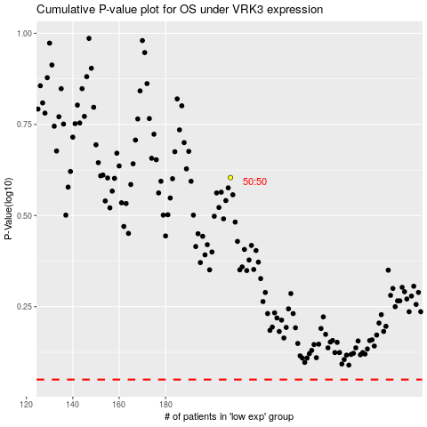

 |  |  |  |  |  | cases_OS | p_OS | rank | exp
 |  |  |  |  |  |  | cases_RFS | p_RFS | rank | exp

