VSIG1 _multivariate
Reported by Tex Li-Hsing Chi. tex@gate.sinica.edu.tw 2019-08-15

Table 2. The clinicopathological features of HNSCC cohort and VSIG1 expression. (Chi square test)
Cutoff at -0.214 (50.0%)
 |  | VSIG1 expression |  | VSIG1 expression |  | (Optimised)
 | Features | Low | (%) | High | (%) | Case no | P-value | Remark | Matthews
Gender | Female | 152 | 36.6 | 154 | 37.1 | 415 | 0.9766 | 0 | 0
2 | Male | 55 | 13.3 | 54 | 13
Age at diagnosis | <=65y | 132 | 31.8 | 142 | 34.2 | 415 | 0.3874 | 0 | 0
4 | >65y | 75 | 18.1 | 66 | 15.9
Clinical T Status | T1+T2 | 76 | 18.3 | 73 | 17.6 | 415 | 0.8092 | 0 | 0
6 | T3+T4 | 131 | 31.6 | 135 | 32.5
Clinical N Status | N0 | 106 | 25.5 | 110 | 26.5 | 415 | 0.8075 | 0 | 0
8 | N1-3 | 101 | 24.3 | 98 | 23.6
Clinical M Status | M0 | 207 | 49.9 | 205 | 49.4 | 415 | 0.2482 | 0 | 0
10 | M1 | 0 | 0 | 3 | 0.7
Clinical Stage | Stage I+II | 51 | 12.3 | 51 | 12.3 | 415 | 1 | 0 | 0
12 | Stage III+IV | 156 | 37.6 | 157 | 37.8
Surgical Margin status | Negative | 153 | 36.9 | 165 | 39.8 | 415 | 0.2036 | 0 | 0
14 | Positive | 54 | 13 | 43 | 10.4
Tobacco Exposure | Low | 84 | 20.2 | 77 | 18.6 | 415 | 0.4816 | 0 | 0
16 | High | 123 | 29.6 | 131 | 31.6

Table 3. Univariate/Multivariate Cox's proportional hazards regression analyses on OS time of VSIG1 gene expression in HNSCC

 |  | Univariate |  |  |  | Multivariate
 | Features | HR | CI95%(L) | CI95%(H) | P-value | HR | CI95%(L) | CI95%(H) | P-value
1 | Female | 1 |  |  |  | 1
Gender | Male | 1.157 | 0.843 | 1.587 | 0.367 | 1.201 | 0.86 | 1.677 | 0.283
11 | <=65y | 1 |  |  |  | 1
Age at diagnosis | >65y | 1.329 | 0.99 | 1.784 | 0.058 | 1.43 | 1.05 | 1.947 | 0.023
12 | T1+T2 | 1 |  |  |  | 1
Clinical T Status | T3+T4 | 1.409 | 1.028 | 1.931 | 0.033 | 2.241 | 1.185 | 4.24 | 0.013
13 | N0 | 1 |  |  |  | 1
Clinical N Status | N1-3 | 1.185 | 0.89 | 1.577 | 0.246 | 1.265 | 0.886 | 1.805 | 0.195
14 | M0 | 1 |  |  |  | 1
Clinical M Status | M1 | 4.097 | 1.009 | 16.644 | 0.049 | 8.597 | 1.866 | 39.607 | 0.006
15 | Stage I+II | 1 |  |  |  | 1
Clinical Stage | Stage III+IV | 1.245 | 0.882 | 1.759 | 0.213 | 0.5 | 0.233 | 1.073 | 0.075
16 | Negative | 1 |  |  |  | 1
Surgical Margin status | Positive | 1.591 | 1.155 | 2.191 | 0.004 | 1.693 | 1.225 | 2.34 | 0.001
17 | Low | 1 |  |  |  | 1
Tobacco Exposure | High | 1.364 | 1.008 | 1.844 | 0.044 | 1.446 | 1.049 | 1.992 | 0.024
18 | Low | 1 |  |  |  | 1
RNAseq(z-score) | High | 1.162 | 0.871 | 1.548 | 0.307 | 1.228 | 0.916 | 1.647 | 0.17

Table 4. Univariate/Multivariate Cox's proportional hazards regression analyses on RFS time of VSIG1 gene expression in HNSCC

 |  | Univariate |  |  |  | Multivariate
 | Features | HR | CI95%(L) | CI95%(H) | P-value | HR | CI95%(L) | CI95%(H) | P-value
1 | Female | 1 |  |  |  | 1
Gender | Male | 1.157 | 0.843 | 1.587 | 0.367 | 1.201 | 0.86 | 1.677 | 0.283
11 | <=65y | 1 |  |  |  | 1
Age at diagnosis | >65y | 1.329 | 0.99 | 1.784 | 0.058 | 1.43 | 1.05 | 1.947 | 0.023
12 | T1+T2 | 1 |  |  |  | 1
Clinical T Status | T3+T4 | 1.409 | 1.028 | 1.931 | 0.033 | 2.241 | 1.185 | 4.24 | 0.013
13 | N0 | 1 |  |  |  | 1
Clinical N Status | N1-3 | 1.185 | 0.89 | 1.577 | 0.246 | 1.265 | 0.886 | 1.805 | 0.195
14 | M0 | 1 |  |  |  | 1
Clinical M Status | M1 | 4.097 | 1.009 | 16.644 | 0.049 | 8.597 | 1.866 | 39.607 | 0.006
15 | Stage I+II | 1 |  |  |  | 1
Clinical Stage | Stage III+IV | 1.245 | 0.882 | 1.759 | 0.213 | 0.5 | 0.233 | 1.073 | 0.075
16 | Negative | 1 |  |  |  | 1
Surgical Margin status | Positive | 1.591 | 1.155 | 2.191 | 0.004 | 1.693 | 1.225 | 2.34 | 0.001
17 | Low | 1 |  |  |  | 1
Tobacco Exposure | High | 1.364 | 1.008 | 1.844 | 0.044 | 1.446 | 1.049 | 1.992 | 0.024
18 | Low | 1 |  |  |  | 1
RNAseq(z-score) | High | 1.162 | 0.871 | 1.548 | 0.307 | 1.228 | 0.916 | 1.647 | 0.17

Kaplan-Meier survival estimate: Cutoff at -0.214 (50.0%)



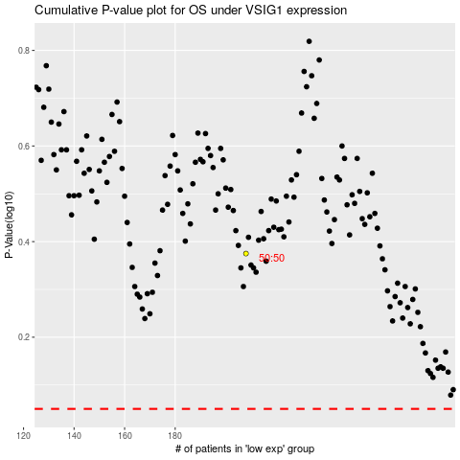

 |  |  |  |  |  | cases_OS | p_OS | rank | exp
 |  |  |  |  |  |  | cases_RFS | p_RFS | rank | exp

