VSIG10L _multivariate
Reported by Tex Li-Hsing Chi. tex@gate.sinica.edu.tw 2019-08-15

Table 2. The clinicopathological features of HNSCC cohort and VSIG10L expression. (Chi square test)
Cutoff at -0.408 (50.0%)
 |  | VSIG10L expression |  | VSIG10L expression |  | (Optimised)
 | Features | Low | (%) | High | (%) | Case no | P-value | Remark | Matthews
Gender | Female | 164 | 39.5 | 142 | 34.2 | 415 | 0.0153 | 1 | 0
2 | Male | 43 | 10.4 | 66 | 15.9
Age at diagnosis | <=65y | 139 | 33.5 | 135 | 32.5 | 415 | 0.7044 | 0 | 0
4 | >65y | 68 | 16.4 | 73 | 17.6
Clinical T Status | T1+T2 | 81 | 19.5 | 68 | 16.4 | 415 | 0.206 | 0 | 0
6 | T3+T4 | 126 | 30.4 | 140 | 33.7
Clinical N Status | N0 | 95 | 22.9 | 121 | 29.2 | 415 | 0.0162 | 1 | 0
8 | N1-3 | 112 | 27 | 87 | 21
Clinical M Status | M0 | 205 | 49.4 | 207 | 49.9 | 415 | 0.6232 | 0 | 0
10 | M1 | 2 | 0.5 | 1 | 0.2
Clinical Stage | Stage I+II | 49 | 11.8 | 53 | 12.8 | 415 | 0.7535 | 0 | 0
12 | Stage III+IV | 158 | 38.1 | 155 | 37.3
Surgical Margin status | Negative | 155 | 37.3 | 163 | 39.3 | 415 | 0.4187 | 0 | 0
14 | Positive | 52 | 12.5 | 45 | 10.8
Tobacco Exposure | Low | 75 | 18.1 | 86 | 20.7 | 415 | 0.3141 | 0 | 0
16 | High | 132 | 31.8 | 122 | 29.4

Table 3. Univariate/Multivariate Cox's proportional hazards regression analyses on OS time of VSIG10L gene expression in HNSCC

 |  | Univariate |  |  |  | Multivariate
 | Features | HR | CI95%(L) | CI95%(H) | P-value | HR | CI95%(L) | CI95%(H) | P-value
1 | Female | 1 |  |  |  | 1
Gender | Male | 1.157 | 0.843 | 1.587 | 0.367 | 1.22 | 0.869 | 1.713 | 0.25
11 | <=65y | 1 |  |  |  | 1
Age at diagnosis | >65y | 1.329 | 0.99 | 1.784 | 0.058 | 1.392 | 1.024 | 1.892 | 0.035
12 | T1+T2 | 1 |  |  |  | 1
Clinical T Status | T3+T4 | 1.409 | 1.028 | 1.931 | 0.033 | 2.235 | 1.179 | 4.235 | 0.014
13 | N0 | 1 |  |  |  | 1
Clinical N Status | N1-3 | 1.185 | 0.89 | 1.577 | 0.246 | 1.225 | 0.856 | 1.754 | 0.267
14 | M0 | 1 |  |  |  | 1
Clinical M Status | M1 | 4.097 | 1.009 | 16.644 | 0.049 | 9.542 | 2.08 | 43.783 | 0.004
15 | Stage I+II | 1 |  |  |  | 1
Clinical Stage | Stage III+IV | 1.245 | 0.882 | 1.759 | 0.213 | 0.503 | 0.234 | 1.079 | 0.078
16 | Negative | 1 |  |  |  | 1
Surgical Margin status | Positive | 1.591 | 1.155 | 2.191 | 0.004 | 1.669 | 1.208 | 2.306 | 0.002
17 | Low | 1 |  |  |  | 1
Tobacco Exposure | High | 1.364 | 1.008 | 1.844 | 0.044 | 1.452 | 1.054 | 2.001 | 0.022
18 | Low | 1 |  |  |  | 1
RNAseq(z-score) | High | 0.975 | 0.732 | 1.3 | 0.864 | 0.926 | 0.687 | 1.248 | 0.614

Table 4. Univariate/Multivariate Cox's proportional hazards regression analyses on RFS time of VSIG10L gene expression in HNSCC

 |  | Univariate |  |  |  | Multivariate
 | Features | HR | CI95%(L) | CI95%(H) | P-value | HR | CI95%(L) | CI95%(H) | P-value
1 | Female | 1 |  |  |  | 1
Gender | Male | 1.157 | 0.843 | 1.587 | 0.367 | 1.22 | 0.869 | 1.713 | 0.25
11 | <=65y | 1 |  |  |  | 1
Age at diagnosis | >65y | 1.329 | 0.99 | 1.784 | 0.058 | 1.392 | 1.024 | 1.892 | 0.035
12 | T1+T2 | 1 |  |  |  | 1
Clinical T Status | T3+T4 | 1.409 | 1.028 | 1.931 | 0.033 | 2.235 | 1.179 | 4.235 | 0.014
13 | N0 | 1 |  |  |  | 1
Clinical N Status | N1-3 | 1.185 | 0.89 | 1.577 | 0.246 | 1.225 | 0.856 | 1.754 | 0.267
14 | M0 | 1 |  |  |  | 1
Clinical M Status | M1 | 4.097 | 1.009 | 16.644 | 0.049 | 9.542 | 2.08 | 43.783 | 0.004
15 | Stage I+II | 1 |  |  |  | 1
Clinical Stage | Stage III+IV | 1.245 | 0.882 | 1.759 | 0.213 | 0.503 | 0.234 | 1.079 | 0.078
16 | Negative | 1 |  |  |  | 1
Surgical Margin status | Positive | 1.591 | 1.155 | 2.191 | 0.004 | 1.669 | 1.208 | 2.306 | 0.002
17 | Low | 1 |  |  |  | 1
Tobacco Exposure | High | 1.364 | 1.008 | 1.844 | 0.044 | 1.452 | 1.054 | 2.001 | 0.022
18 | Low | 1 |  |  |  | 1
RNAseq(z-score) | High | 0.975 | 0.732 | 1.3 | 0.864 | 0.926 | 0.687 | 1.248 | 0.614

Kaplan-Meier survival estimate: Cutoff at -0.408 (50.0%)



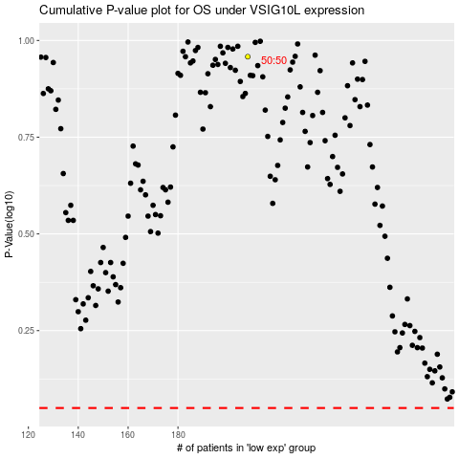

 |  |  |  |  |  | cases_OS | p_OS | rank | exp
 |  |  |  |  |  |  | cases_RFS | p_RFS | rank | exp

