VSTM2L _multivariate
Reported by Tex Li-Hsing Chi. tex@gate.sinica.edu.tw 2019-08-15

Table 2. The clinicopathological features of HNSCC cohort and VSTM2L expression. (Chi square test)
Cutoff at -0.33 (34.1%)
 |  | VSTM2L expression |  | VSTM2L expression |  | (Optimised)
 | Features | Low | (%) | High | (%) | Case no | P-value | Remark | Matthews
Gender | Female | 105 | 25.3 | 201 | 48.4 | 415 | 0.9 | 0 | 0
2 | Male | 36 | 8.7 | 73 | 17.6
Age at diagnosis | <=65y | 85 | 20.5 | 189 | 45.5 | 415 | 0.0966 | 0 | 0
4 | >65y | 56 | 13.5 | 85 | 20.5
Clinical T Status | T1+T2 | 52 | 12.5 | 97 | 23.4 | 415 | 0.8499 | 0 | 0
6 | T3+T4 | 89 | 21.4 | 177 | 42.7
Clinical N Status | N0 | 72 | 17.3 | 144 | 34.7 | 415 | 0.8538 | 0 | 0
8 | N1-3 | 69 | 16.6 | 130 | 31.3
Clinical M Status | M0 | 138 | 33.3 | 274 | 66 | 415 | 0.0387 | 1 | 0
10 | M1 | 3 | 0.7 | 0 | 0
Clinical Stage | Stage I+II | 34 | 8.2 | 68 | 16.4 | 415 | 0.9702 | 0 | 0
12 | Stage III+IV | 107 | 25.8 | 206 | 49.6
Surgical Margin status | Negative | 105 | 25.3 | 213 | 51.3 | 415 | 0.4646 | 0 | 0
14 | Positive | 36 | 8.7 | 61 | 14.7
Tobacco Exposure | Low | 56 | 13.5 | 105 | 25.3 | 415 | 0.8317 | 0 | 0
16 | High | 85 | 20.5 | 169 | 40.7

Table 3. Univariate/Multivariate Cox's proportional hazards regression analyses on OS time of VSTM2L gene expression in HNSCC

 |  | Univariate |  |  |  | Multivariate
 | Features | HR | CI95%(L) | CI95%(H) | P-value | HR | CI95%(L) | CI95%(H) | P-value
1 | Female | 1 |  |  |  | 1
Gender | Male | 1.157 | 0.843 | 1.587 | 0.367 | 1.219 | 0.872 | 1.703 | 0.246
11 | <=65y | 1 |  |  |  | 1
Age at diagnosis | >65y | 1.329 | 0.99 | 1.784 | 0.058 | 1.334 | 0.979 | 1.817 | 0.068
12 | T1+T2 | 1 |  |  |  | 1
Clinical T Status | T3+T4 | 1.409 | 1.028 | 1.931 | 0.033 | 2.246 | 1.188 | 4.245 | 0.013
13 | N0 | 1 |  |  |  | 1
Clinical N Status | N1-3 | 1.185 | 0.89 | 1.577 | 0.246 | 1.231 | 0.862 | 1.757 | 0.252
14 | M0 | 1 |  |  |  | 1
Clinical M Status | M1 | 4.097 | 1.009 | 16.644 | 0.049 | 7.831 | 1.692 | 36.243 | 0.008
15 | Stage I+II | 1 |  |  |  | 1
Clinical Stage | Stage III+IV | 1.245 | 0.882 | 1.759 | 0.213 | 0.512 | 0.239 | 1.1 | 0.086
16 | Negative | 1 |  |  |  | 1
Surgical Margin status | Positive | 1.591 | 1.155 | 2.191 | 0.004 | 1.692 | 1.224 | 2.34 | 0.001
17 | Low | 1 |  |  |  | 1
Tobacco Exposure | High | 1.364 | 1.008 | 1.844 | 0.044 | 1.459 | 1.058 | 2.012 | 0.021
18 | Low | 1 |  |  |  | 1
RNAseq(z-score) | High | 0.733 | 0.547 | 0.983 | 0.038 | 0.731 | 0.541 | 0.987 | 0.041

Table 4. Univariate/Multivariate Cox's proportional hazards regression analyses on RFS time of VSTM2L gene expression in HNSCC

 |  | Univariate |  |  |  | Multivariate
 | Features | HR | CI95%(L) | CI95%(H) | P-value | HR | CI95%(L) | CI95%(H) | P-value
1 | Female | 1 |  |  |  | 1
Gender | Male | 1.157 | 0.843 | 1.587 | 0.367 | 1.219 | 0.872 | 1.703 | 0.246
11 | <=65y | 1 |  |  |  | 1
Age at diagnosis | >65y | 1.329 | 0.99 | 1.784 | 0.058 | 1.334 | 0.979 | 1.817 | 0.068
12 | T1+T2 | 1 |  |  |  | 1
Clinical T Status | T3+T4 | 1.409 | 1.028 | 1.931 | 0.033 | 2.246 | 1.188 | 4.245 | 0.013
13 | N0 | 1 |  |  |  | 1
Clinical N Status | N1-3 | 1.185 | 0.89 | 1.577 | 0.246 | 1.231 | 0.862 | 1.757 | 0.252
14 | M0 | 1 |  |  |  | 1
Clinical M Status | M1 | 4.097 | 1.009 | 16.644 | 0.049 | 7.831 | 1.692 | 36.243 | 0.008
15 | Stage I+II | 1 |  |  |  | 1
Clinical Stage | Stage III+IV | 1.245 | 0.882 | 1.759 | 0.213 | 0.512 | 0.239 | 1.1 | 0.086
16 | Negative | 1 |  |  |  | 1
Surgical Margin status | Positive | 1.591 | 1.155 | 2.191 | 0.004 | 1.692 | 1.224 | 2.34 | 0.001
17 | Low | 1 |  |  |  | 1
Tobacco Exposure | High | 1.364 | 1.008 | 1.844 | 0.044 | 1.459 | 1.058 | 2.012 | 0.021
18 | Low | 1 |  |  |  | 1
RNAseq(z-score) | High | 0.733 | 0.547 | 0.983 | 0.038 | 0.731 | 0.541 | 0.987 | 0.041

Kaplan-Meier survival estimate: Cutoff at -0.33 (34.1%)



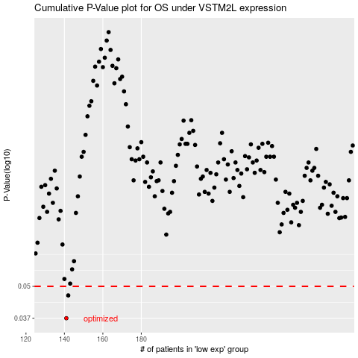

 |  |  |  |  |  | cases_OS | p_OS | rank | exp
 |  |  |  |  |  | 141 | 0.037 | 300 | -0.32983143572
 |  |  |  |  |  | 142 | 0.0459 | 346 | -0.32955106985
 |  |  |  |  |  |  | cases_RFS | p_RFS | rank | exp
 |  |  |  |  |  |  | 140 | 0.037 | 297 | -0.33025420423
 |  |  |  |  |  |  | 141 | 0.0459 | 300 | -0.32983143572

