VTA1 _multivariate
Reported by Tex Li-Hsing Chi. tex@gate.sinica.edu.tw 2019-08-15

Table 2. The clinicopathological features of HNSCC cohort and VTA1 expression. (Chi square test)
Cutoff at -0.021 (50.0%)
 |  | VTA1 expression |  | VTA1 expression |  | (Optimised)
 | Features | Low | (%) | High | (%) | Case no | P-value | Remark | Matthews
Gender | Female | 158 | 38.1 | 148 | 35.7 | 415 | 0.2774 | 0 | 0
2 | Male | 49 | 11.8 | 60 | 14.5
Age at diagnosis | <=65y | 130 | 31.3 | 144 | 34.7 | 415 | 0.2009 | 0 | 0
4 | >65y | 77 | 18.6 | 64 | 15.4
Clinical T Status | T1+T2 | 71 | 17.1 | 78 | 18.8 | 415 | 0.5638 | 0 | 0
6 | T3+T4 | 136 | 32.8 | 130 | 31.3
Clinical N Status | N0 | 106 | 25.5 | 110 | 26.5 | 415 | 0.8075 | 0 | 0
8 | N1-3 | 101 | 24.3 | 98 | 23.6
Clinical M Status | M0 | 204 | 49.2 | 208 | 50.1 | 415 | 0.1232 | 0 | 0
10 | M1 | 3 | 0.7 | 0 | 0
Clinical Stage | Stage I+II | 44 | 10.6 | 58 | 14 | 415 | 0.1459 | 0 | 0
12 | Stage III+IV | 163 | 39.3 | 150 | 36.1
Surgical Margin status | Negative | 159 | 38.3 | 159 | 38.3 | 415 | 1 | 0 | 0
14 | Positive | 48 | 11.6 | 49 | 11.8
Tobacco Exposure | Low | 80 | 19.3 | 81 | 19.5 | 415 | 1 | 0 | 0
16 | High | 127 | 30.6 | 127 | 30.6

Table 3. Univariate/Multivariate Cox's proportional hazards regression analyses on OS time of VTA1 gene expression in HNSCC

 |  | Univariate |  |  |  | Multivariate
 | Features | HR | CI95%(L) | CI95%(H) | P-value | HR | CI95%(L) | CI95%(H) | P-value
1 | Female | 1 |  |  |  | 1
Gender | Male | 1.157 | 0.843 | 1.587 | 0.367 | 1.178 | 0.844 | 1.644 | 0.337
11 | <=65y | 1 |  |  |  | 1
Age at diagnosis | >65y | 1.329 | 0.99 | 1.784 | 0.058 | 1.43 | 1.051 | 1.947 | 0.023
12 | T1+T2 | 1 |  |  |  | 1
Clinical T Status | T3+T4 | 1.409 | 1.028 | 1.931 | 0.033 | 2.196 | 1.162 | 4.15 | 0.015
13 | N0 | 1 |  |  |  | 1
Clinical N Status | N1-3 | 1.185 | 0.89 | 1.577 | 0.246 | 1.223 | 0.857 | 1.744 | 0.268
14 | M0 | 1 |  |  |  | 1
Clinical M Status | M1 | 4.097 | 1.009 | 16.644 | 0.049 | 10.635 | 2.299 | 49.184 | 0.002
15 | Stage I+II | 1 |  |  |  | 1
Clinical Stage | Stage III+IV | 1.245 | 0.882 | 1.759 | 0.213 | 0.516 | 0.241 | 1.107 | 0.089
16 | Negative | 1 |  |  |  | 1
Surgical Margin status | Positive | 1.591 | 1.155 | 2.191 | 0.004 | 1.692 | 1.224 | 2.34 | 0.001
17 | Low | 1 |  |  |  | 1
Tobacco Exposure | High | 1.364 | 1.008 | 1.844 | 0.044 | 1.447 | 1.051 | 1.992 | 0.024
18 | Low | 1 |  |  |  | 1
RNAseq(z-score) | High | 1.177 | 0.884 | 1.569 | 0.265 | 1.261 | 0.941 | 1.692 | 0.121

Table 4. Univariate/Multivariate Cox's proportional hazards regression analyses on RFS time of VTA1 gene expression in HNSCC

 |  | Univariate |  |  |  | Multivariate
 | Features | HR | CI95%(L) | CI95%(H) | P-value | HR | CI95%(L) | CI95%(H) | P-value
1 | Female | 1 |  |  |  | 1
Gender | Male | 1.157 | 0.843 | 1.587 | 0.367 | 1.178 | 0.844 | 1.644 | 0.337
11 | <=65y | 1 |  |  |  | 1
Age at diagnosis | >65y | 1.329 | 0.99 | 1.784 | 0.058 | 1.43 | 1.051 | 1.947 | 0.023
12 | T1+T2 | 1 |  |  |  | 1
Clinical T Status | T3+T4 | 1.409 | 1.028 | 1.931 | 0.033 | 2.196 | 1.162 | 4.15 | 0.015
13 | N0 | 1 |  |  |  | 1
Clinical N Status | N1-3 | 1.185 | 0.89 | 1.577 | 0.246 | 1.223 | 0.857 | 1.744 | 0.268
14 | M0 | 1 |  |  |  | 1
Clinical M Status | M1 | 4.097 | 1.009 | 16.644 | 0.049 | 10.635 | 2.299 | 49.184 | 0.002
15 | Stage I+II | 1 |  |  |  | 1
Clinical Stage | Stage III+IV | 1.245 | 0.882 | 1.759 | 0.213 | 0.516 | 0.241 | 1.107 | 0.089
16 | Negative | 1 |  |  |  | 1
Surgical Margin status | Positive | 1.591 | 1.155 | 2.191 | 0.004 | 1.692 | 1.224 | 2.34 | 0.001
17 | Low | 1 |  |  |  | 1
Tobacco Exposure | High | 1.364 | 1.008 | 1.844 | 0.044 | 1.447 | 1.051 | 1.992 | 0.024
18 | Low | 1 |  |  |  | 1
RNAseq(z-score) | High | 1.177 | 0.884 | 1.569 | 0.265 | 1.261 | 0.941 | 1.692 | 0.121

Kaplan-Meier survival estimate: Cutoff at -0.021 (50.0%)



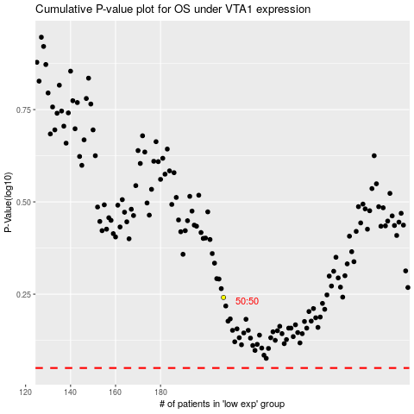

 |  |  |  |  |  | cases_OS | p_OS | rank | exp
 |  |  |  |  |  |  | cases_RFS | p_RFS | rank | exp

