VTI1A _multivariate
Reported by Tex Li-Hsing Chi. tex@gate.sinica.edu.tw 2019-08-15

Table 2. The clinicopathological features of HNSCC cohort and VTI1A expression. (Chi square test)
Cutoff at -0.093 (49.8%)
 |  | VTI1A expression |  | VTI1A expression |  | (Optimised)
 | Features | Low | (%) | High | (%) | Case no | P-value | Remark | Matthews
Gender | Female | 156 | 37.6 | 150 | 36.1 | 415 | 0.5222 | 0 | 0
2 | Male | 51 | 12.3 | 58 | 14
Age at diagnosis | <=65y | 141 | 34 | 133 | 32 | 415 | 0.4272 | 0 | 0
4 | >65y | 66 | 15.9 | 75 | 18.1
Clinical T Status | T1+T2 | 75 | 18.1 | 74 | 17.8 | 415 | 0.9707 | 0 | 0
6 | T3+T4 | 132 | 31.8 | 134 | 32.3
Clinical N Status | N0 | 99 | 23.9 | 117 | 28.2 | 415 | 0.1054 | 0 | 0
8 | N1-3 | 108 | 26 | 91 | 21.9
Clinical M Status | M0 | 205 | 49.4 | 207 | 49.9 | 415 | 0.6232 | 0 | 0
10 | M1 | 2 | 0.5 | 1 | 0.2
Clinical Stage | Stage I+II | 47 | 11.3 | 55 | 13.3 | 415 | 0.4413 | 0 | 0
12 | Stage III+IV | 160 | 38.6 | 153 | 36.9
Surgical Margin status | Negative | 167 | 40.2 | 151 | 36.4 | 415 | 0.0632 | 0 | 0
14 | Positive | 40 | 9.6 | 57 | 13.7
Tobacco Exposure | Low | 72 | 17.3 | 89 | 21.4 | 415 | 0.1071 | 0 | 0
16 | High | 135 | 32.5 | 119 | 28.7

Table 3. Univariate/Multivariate Cox's proportional hazards regression analyses on OS time of VTI1A gene expression in HNSCC

 |  | Univariate |  |  |  | Multivariate
 | Features | HR | CI95%(L) | CI95%(H) | P-value | HR | CI95%(L) | CI95%(H) | P-value
1 | Female | 1 |  |  |  | 1
Gender | Male | 1.157 | 0.843 | 1.587 | 0.367 | 1.182 | 0.845 | 1.652 | 0.329
11 | <=65y | 1 |  |  |  | 1
Age at diagnosis | >65y | 1.329 | 0.99 | 1.784 | 0.058 | 1.385 | 1.019 | 1.882 | 0.037
12 | T1+T2 | 1 |  |  |  | 1
Clinical T Status | T3+T4 | 1.409 | 1.028 | 1.931 | 0.033 | 2.196 | 1.16 | 4.154 | 0.016
13 | N0 | 1 |  |  |  | 1
Clinical N Status | N1-3 | 1.185 | 0.89 | 1.577 | 0.246 | 1.269 | 0.887 | 1.814 | 0.192
14 | M0 | 1 |  |  |  | 1
Clinical M Status | M1 | 4.097 | 1.009 | 16.644 | 0.049 | 9.751 | 2.124 | 44.768 | 0.003
15 | Stage I+II | 1 |  |  |  | 1
Clinical Stage | Stage III+IV | 1.245 | 0.882 | 1.759 | 0.213 | 0.499 | 0.233 | 1.073 | 0.075
16 | Negative | 1 |  |  |  | 1
Surgical Margin status | Positive | 1.591 | 1.155 | 2.191 | 0.004 | 1.658 | 1.199 | 2.292 | 0.002
17 | Low | 1 |  |  |  | 1
Tobacco Exposure | High | 1.364 | 1.008 | 1.844 | 0.044 | 1.457 | 1.057 | 2.008 | 0.021
18 | Low | 1 |  |  |  | 1
RNAseq(z-score) | High | 1.181 | 0.885 | 1.577 | 0.257 | 1.184 | 0.883 | 1.587 | 0.259

Table 4. Univariate/Multivariate Cox's proportional hazards regression analyses on RFS time of VTI1A gene expression in HNSCC

 |  | Univariate |  |  |  | Multivariate
 | Features | HR | CI95%(L) | CI95%(H) | P-value | HR | CI95%(L) | CI95%(H) | P-value
1 | Female | 1 |  |  |  | 1
Gender | Male | 1.157 | 0.843 | 1.587 | 0.367 | 1.182 | 0.845 | 1.652 | 0.329
11 | <=65y | 1 |  |  |  | 1
Age at diagnosis | >65y | 1.329 | 0.99 | 1.784 | 0.058 | 1.385 | 1.019 | 1.882 | 0.037
12 | T1+T2 | 1 |  |  |  | 1
Clinical T Status | T3+T4 | 1.409 | 1.028 | 1.931 | 0.033 | 2.196 | 1.16 | 4.154 | 0.016
13 | N0 | 1 |  |  |  | 1
Clinical N Status | N1-3 | 1.185 | 0.89 | 1.577 | 0.246 | 1.269 | 0.887 | 1.814 | 0.192
14 | M0 | 1 |  |  |  | 1
Clinical M Status | M1 | 4.097 | 1.009 | 16.644 | 0.049 | 9.751 | 2.124 | 44.768 | 0.003
15 | Stage I+II | 1 |  |  |  | 1
Clinical Stage | Stage III+IV | 1.245 | 0.882 | 1.759 | 0.213 | 0.499 | 0.233 | 1.073 | 0.075
16 | Negative | 1 |  |  |  | 1
Surgical Margin status | Positive | 1.591 | 1.155 | 2.191 | 0.004 | 1.658 | 1.199 | 2.292 | 0.002
17 | Low | 1 |  |  |  | 1
Tobacco Exposure | High | 1.364 | 1.008 | 1.844 | 0.044 | 1.457 | 1.057 | 2.008 | 0.021
18 | Low | 1 |  |  |  | 1
RNAseq(z-score) | High | 1.181 | 0.885 | 1.577 | 0.257 | 1.184 | 0.883 | 1.587 | 0.259

Kaplan-Meier survival estimate: Cutoff at -0.093 (49.8%)



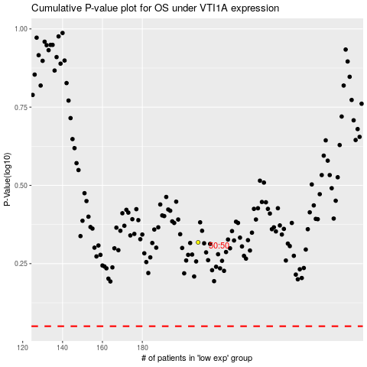

 |  |  |  |  |  | cases_OS | p_OS | rank | exp
 |  |  |  |  |  |  | cases_RFS | p_RFS | rank | exp

