VWA5B2 _multivariate
Reported by Tex Li-Hsing Chi. tex@gate.sinica.edu.tw 2019-08-15

Table 2. The clinicopathological features of HNSCC cohort and VWA5B2 expression. (Chi square test)
Cutoff at -0.161 (49.5%)
 |  | VWA5B2 expression |  | VWA5B2 expression |  | (Optimised)
 | Features | Low | (%) | High | (%) | Case no | P-value | Remark | Matthews
Gender | Female | 141 | 34 | 165 | 39.8 | 415 | 0.0204 | 1 | 0
2 | Male | 65 | 15.7 | 44 | 10.6
Age at diagnosis | <=65y | 133 | 32 | 141 | 34 | 415 | 0.6029 | 0 | 0
4 | >65y | 73 | 17.6 | 68 | 16.4
Clinical T Status | T1+T2 | 79 | 19 | 70 | 16.9 | 415 | 0.353 | 0 | 0
6 | T3+T4 | 127 | 30.6 | 139 | 33.5
Clinical N Status | N0 | 106 | 25.5 | 110 | 26.5 | 415 | 0.8876 | 0 | 0
8 | N1-3 | 100 | 24.1 | 99 | 23.9
Clinical M Status | M0 | 203 | 48.9 | 209 | 50.4 | 415 | 0.1214 | 0 | 0
10 | M1 | 3 | 0.7 | 0 | 0
Clinical Stage | Stage I+II | 60 | 14.5 | 42 | 10.1 | 415 | 0.0431 | 1 | 0
12 | Stage III+IV | 146 | 35.2 | 167 | 40.2
Surgical Margin status | Negative | 159 | 38.3 | 159 | 38.3 | 415 | 0.8172 | 0 | 0
14 | Positive | 47 | 11.3 | 50 | 12
Tobacco Exposure | Low | 91 | 21.9 | 70 | 16.9 | 415 | 0.0271 | 1 | 0
16 | High | 115 | 27.7 | 139 | 33.5

Table 3. Univariate/Multivariate Cox's proportional hazards regression analyses on OS time of VWA5B2 gene expression in HNSCC

 |  | Univariate |  |  |  | Multivariate
 | Features | HR | CI95%(L) | CI95%(H) | P-value | HR | CI95%(L) | CI95%(H) | P-value
1 | Female | 1 |  |  |  | 1
Gender | Male | 1.157 | 0.843 | 1.587 | 0.367 | 1.207 | 0.863 | 1.688 | 0.271
11 | <=65y | 1 |  |  |  | 1
Age at diagnosis | >65y | 1.329 | 0.99 | 1.784 | 0.058 | 1.388 | 1.02 | 1.887 | 0.037
12 | T1+T2 | 1 |  |  |  | 1
Clinical T Status | T3+T4 | 1.409 | 1.028 | 1.931 | 0.033 | 2.222 | 1.173 | 4.209 | 0.014
13 | N0 | 1 |  |  |  | 1
Clinical N Status | N1-3 | 1.185 | 0.89 | 1.577 | 0.246 | 1.246 | 0.873 | 1.78 | 0.226
14 | M0 | 1 |  |  |  | 1
Clinical M Status | M1 | 4.097 | 1.009 | 16.644 | 0.049 | 9.751 | 2.099 | 45.306 | 0.004
15 | Stage I+II | 1 |  |  |  | 1
Clinical Stage | Stage III+IV | 1.245 | 0.882 | 1.759 | 0.213 | 0.495 | 0.229 | 1.07 | 0.074
16 | Negative | 1 |  |  |  | 1
Surgical Margin status | Positive | 1.591 | 1.155 | 2.191 | 0.004 | 1.669 | 1.207 | 2.306 | 0.002
17 | Low | 1 |  |  |  | 1
Tobacco Exposure | High | 1.364 | 1.008 | 1.844 | 0.044 | 1.441 | 1.043 | 1.992 | 0.027
18 | Low | 1 |  |  |  | 1
RNAseq(z-score) | High | 1.079 | 0.808 | 1.44 | 0.608 | 1.055 | 0.781 | 1.425 | 0.726

Table 4. Univariate/Multivariate Cox's proportional hazards regression analyses on RFS time of VWA5B2 gene expression in HNSCC

 |  | Univariate |  |  |  | Multivariate
 | Features | HR | CI95%(L) | CI95%(H) | P-value | HR | CI95%(L) | CI95%(H) | P-value
1 | Female | 1 |  |  |  | 1
Gender | Male | 1.157 | 0.843 | 1.587 | 0.367 | 1.207 | 0.863 | 1.688 | 0.271
11 | <=65y | 1 |  |  |  | 1
Age at diagnosis | >65y | 1.329 | 0.99 | 1.784 | 0.058 | 1.388 | 1.02 | 1.887 | 0.037
12 | T1+T2 | 1 |  |  |  | 1
Clinical T Status | T3+T4 | 1.409 | 1.028 | 1.931 | 0.033 | 2.222 | 1.173 | 4.209 | 0.014
13 | N0 | 1 |  |  |  | 1
Clinical N Status | N1-3 | 1.185 | 0.89 | 1.577 | 0.246 | 1.246 | 0.873 | 1.78 | 0.226
14 | M0 | 1 |  |  |  | 1
Clinical M Status | M1 | 4.097 | 1.009 | 16.644 | 0.049 | 9.751 | 2.099 | 45.306 | 0.004
15 | Stage I+II | 1 |  |  |  | 1
Clinical Stage | Stage III+IV | 1.245 | 0.882 | 1.759 | 0.213 | 0.495 | 0.229 | 1.07 | 0.074
16 | Negative | 1 |  |  |  | 1
Surgical Margin status | Positive | 1.591 | 1.155 | 2.191 | 0.004 | 1.669 | 1.207 | 2.306 | 0.002
17 | Low | 1 |  |  |  | 1
Tobacco Exposure | High | 1.364 | 1.008 | 1.844 | 0.044 | 1.441 | 1.043 | 1.992 | 0.027
18 | Low | 1 |  |  |  | 1
RNAseq(z-score) | High | 1.079 | 0.808 | 1.44 | 0.608 | 1.055 | 0.781 | 1.425 | 0.726

Kaplan-Meier survival estimate: Cutoff at -0.161 (49.5%)



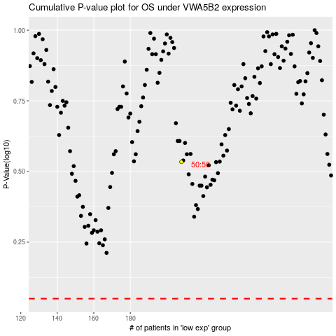

 |  |  |  |  |  | cases_OS | p_OS | rank | exp
 |  |  |  |  |  |  | cases_RFS | p_RFS | rank | exp

