VWDE _multivariate
Reported by Tex Li-Hsing Chi. tex@gate.sinica.edu.tw 2019-08-15

Table 2. The clinicopathological features of HNSCC cohort and VWDE expression. (Chi square test)
Cutoff at -0.354 (49.8%)
 |  | VWDE expression |  | VWDE expression |  | (Optimised)
 | Features | Low | (%) | High | (%) | Case no | P-value | Remark | Matthews
Gender | Female | 144 | 34.7 | 162 | 39 | 415 | 0.0697 | 0 | 0
2 | Male | 63 | 15.2 | 46 | 11.1
Age at diagnosis | <=65y | 131 | 31.6 | 143 | 34.5 | 415 | 0.2839 | 0 | 0
4 | >65y | 76 | 18.3 | 65 | 15.7
Clinical T Status | T1+T2 | 78 | 18.8 | 71 | 17.1 | 415 | 0.5152 | 0 | 0
6 | T3+T4 | 129 | 31.1 | 137 | 33
Clinical N Status | N0 | 113 | 27.2 | 103 | 24.8 | 415 | 0.3495 | 1 | 0
8 | N1-3 | 94 | 22.7 | 105 | 25.3
Clinical M Status | M0 | 207 | 49.9 | 205 | 49.4 | 415 | 0.2482 | 0 | 0
10 | M1 | 0 | 0 | 3 | 0.7
Clinical Stage | Stage I+II | 57 | 13.7 | 45 | 10.8 | 415 | 0.1998 | 0 | 0
12 | Stage III+IV | 150 | 36.1 | 163 | 39.3
Surgical Margin status | Negative | 160 | 38.6 | 158 | 38.1 | 415 | 0.8167 | 0 | 0
14 | Positive | 47 | 11.3 | 50 | 12
Tobacco Exposure | Low | 97 | 23.4 | 64 | 15.4 | 415 | 9e-04 | 1 | 0
16 | High | 110 | 26.5 | 144 | 34.7

Table 3. Univariate/Multivariate Cox's proportional hazards regression analyses on OS time of VWDE gene expression in HNSCC

 |  | Univariate |  |  |  | Multivariate
 | Features | HR | CI95%(L) | CI95%(H) | P-value | HR | CI95%(L) | CI95%(H) | P-value
1 | Female | 1 |  |  |  | 1
Gender | Male | 1.157 | 0.843 | 1.587 | 0.367 | 1.19 | 0.85 | 1.666 | 0.311
11 | <=65y | 1 |  |  |  | 1
Age at diagnosis | >65y | 1.329 | 0.99 | 1.784 | 0.058 | 1.389 | 1.022 | 1.889 | 0.036
12 | T1+T2 | 1 |  |  |  | 1
Clinical T Status | T3+T4 | 1.409 | 1.028 | 1.931 | 0.033 | 2.196 | 1.161 | 4.153 | 0.016
13 | N0 | 1 |  |  |  | 1
Clinical N Status | N1-3 | 1.185 | 0.89 | 1.577 | 0.246 | 1.236 | 0.866 | 1.764 | 0.243
14 | M0 | 1 |  |  |  | 1
Clinical M Status | M1 | 4.097 | 1.009 | 16.644 | 0.049 | 9.783 | 2.12 | 45.133 | 0.003
15 | Stage I+II | 1 |  |  |  | 1
Clinical Stage | Stage III+IV | 1.245 | 0.882 | 1.759 | 0.213 | 0.507 | 0.236 | 1.089 | 0.082
16 | Negative | 1 |  |  |  | 1
Surgical Margin status | Positive | 1.591 | 1.155 | 2.191 | 0.004 | 1.677 | 1.213 | 2.318 | 0.002
17 | Low | 1 |  |  |  | 1
Tobacco Exposure | High | 1.364 | 1.008 | 1.844 | 0.044 | 1.472 | 1.064 | 2.037 | 0.019
18 | Low | 1 |  |  |  | 1
RNAseq(z-score) | High | 0.969 | 0.727 | 1.29 | 0.827 | 0.919 | 0.685 | 1.234 | 0.576

Table 4. Univariate/Multivariate Cox's proportional hazards regression analyses on RFS time of VWDE gene expression in HNSCC

 |  | Univariate |  |  |  | Multivariate
 | Features | HR | CI95%(L) | CI95%(H) | P-value | HR | CI95%(L) | CI95%(H) | P-value
1 | Female | 1 |  |  |  | 1
Gender | Male | 1.157 | 0.843 | 1.587 | 0.367 | 1.19 | 0.85 | 1.666 | 0.311
11 | <=65y | 1 |  |  |  | 1
Age at diagnosis | >65y | 1.329 | 0.99 | 1.784 | 0.058 | 1.389 | 1.022 | 1.889 | 0.036
12 | T1+T2 | 1 |  |  |  | 1
Clinical T Status | T3+T4 | 1.409 | 1.028 | 1.931 | 0.033 | 2.196 | 1.161 | 4.153 | 0.016
13 | N0 | 1 |  |  |  | 1
Clinical N Status | N1-3 | 1.185 | 0.89 | 1.577 | 0.246 | 1.236 | 0.866 | 1.764 | 0.243
14 | M0 | 1 |  |  |  | 1
Clinical M Status | M1 | 4.097 | 1.009 | 16.644 | 0.049 | 9.783 | 2.12 | 45.133 | 0.003
15 | Stage I+II | 1 |  |  |  | 1
Clinical Stage | Stage III+IV | 1.245 | 0.882 | 1.759 | 0.213 | 0.507 | 0.236 | 1.089 | 0.082
16 | Negative | 1 |  |  |  | 1
Surgical Margin status | Positive | 1.591 | 1.155 | 2.191 | 0.004 | 1.677 | 1.213 | 2.318 | 0.002
17 | Low | 1 |  |  |  | 1
Tobacco Exposure | High | 1.364 | 1.008 | 1.844 | 0.044 | 1.472 | 1.064 | 2.037 | 0.019
18 | Low | 1 |  |  |  | 1
RNAseq(z-score) | High | 0.969 | 0.727 | 1.29 | 0.827 | 0.919 | 0.685 | 1.234 | 0.576

Kaplan-Meier survival estimate: Cutoff at -0.354 (49.8%)



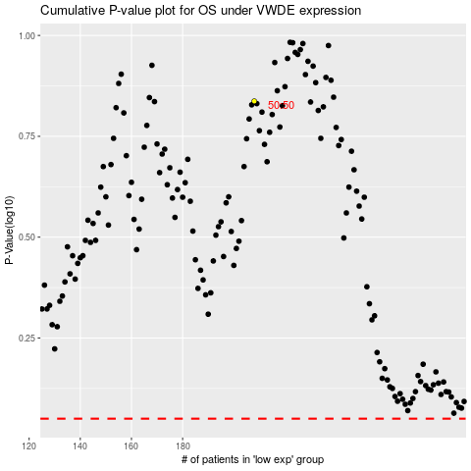

 |  |  |  |  |  | cases_OS | p_OS | rank | exp
 |  |  |  |  |  |  | cases_RFS | p_RFS | rank | exp

