WAC _multivariate
Reported by Tex Li-Hsing Chi. tex@gate.sinica.edu.tw 2019-08-15

Table 2. The clinicopathological features of HNSCC cohort and WAC expression. (Chi square test)
Cutoff at -0.547 (30.7%)
 |  | WAC expression |  | WAC expression |  | (Optimised)
 | Features | Low | (%) | High | (%) | Case no | P-value | Remark | Matthews
Gender | Female | 89 | 21.4 | 217 | 52.3 | 415 | 0.3159 | 0 | 0
2 | Male | 38 | 9.2 | 71 | 17.1
Age at diagnosis | <=65y | 83 | 20 | 191 | 46 | 415 | 0.9372 | 0 | 0
4 | >65y | 44 | 10.6 | 97 | 23.4
Clinical T Status | T1+T2 | 52 | 12.5 | 97 | 23.4 | 415 | 0.19 | 0 | 0
6 | T3+T4 | 75 | 18.1 | 191 | 46
Clinical N Status | N0 | 73 | 17.6 | 143 | 34.5 | 415 | 0.1725 | 0 | 0
8 | N1-3 | 54 | 13 | 145 | 34.9
Clinical M Status | M0 | 126 | 30.4 | 286 | 68.9 | 415 | 1 | 0 | 0
10 | M1 | 1 | 0.2 | 2 | 0.5
Clinical Stage | Stage I+II | 38 | 9.2 | 64 | 15.4 | 415 | 0.1199 | 0 | 0
12 | Stage III+IV | 89 | 21.4 | 224 | 54
Surgical Margin status | Negative | 93 | 22.4 | 225 | 54.2 | 415 | 0.3141 | 0 | 0
14 | Positive | 34 | 8.2 | 63 | 15.2
Tobacco Exposure | Low | 59 | 14.2 | 102 | 24.6 | 415 | 0.038 | 1 | 0
16 | High | 68 | 16.4 | 186 | 44.8

Table 3. Univariate/Multivariate Cox's proportional hazards regression analyses on OS time of WAC gene expression in HNSCC

 |  | Univariate |  |  |  | Multivariate
 | Features | HR | CI95%(L) | CI95%(H) | P-value | HR | CI95%(L) | CI95%(H) | P-value
1 | Female | 1 |  |  |  | 1
Gender | Male | 1.157 | 0.843 | 1.587 | 0.367 | 1.14 | 0.81 | 1.604 | 0.453
11 | <=65y | 1 |  |  |  | 1
Age at diagnosis | >65y | 1.329 | 0.99 | 1.784 | 0.058 | 1.389 | 1.023 | 1.887 | 0.035
12 | T1+T2 | 1 |  |  |  | 1
Clinical T Status | T3+T4 | 1.409 | 1.028 | 1.931 | 0.033 | 2.174 | 1.15 | 4.111 | 0.017
13 | N0 | 1 |  |  |  | 1
Clinical N Status | N1-3 | 1.185 | 0.89 | 1.577 | 0.246 | 1.251 | 0.877 | 1.784 | 0.217
14 | M0 | 1 |  |  |  | 1
Clinical M Status | M1 | 4.097 | 1.009 | 16.644 | 0.049 | 8.697 | 1.892 | 39.969 | 0.005
15 | Stage I+II | 1 |  |  |  | 1
Clinical Stage | Stage III+IV | 1.245 | 0.882 | 1.759 | 0.213 | 0.527 | 0.245 | 1.132 | 0.101
16 | Negative | 1 |  |  |  | 1
Surgical Margin status | Positive | 1.591 | 1.155 | 2.191 | 0.004 | 1.592 | 1.147 | 2.208 | 0.005
17 | Low | 1 |  |  |  | 1
Tobacco Exposure | High | 1.364 | 1.008 | 1.844 | 0.044 | 1.492 | 1.081 | 2.06 | 0.015
18 | Low | 1 |  |  |  | 1
RNAseq(z-score) | High | 0.73 | 0.54 | 0.986 | 0.04 | 0.742 | 0.54 | 1.02 | 0.066

Table 4. Univariate/Multivariate Cox's proportional hazards regression analyses on RFS time of WAC gene expression in HNSCC

 |  | Univariate |  |  |  | Multivariate
 | Features | HR | CI95%(L) | CI95%(H) | P-value | HR | CI95%(L) | CI95%(H) | P-value
1 | Female | 1 |  |  |  | 1
Gender | Male | 1.157 | 0.843 | 1.587 | 0.367 | 1.14 | 0.81 | 1.604 | 0.453
11 | <=65y | 1 |  |  |  | 1
Age at diagnosis | >65y | 1.329 | 0.99 | 1.784 | 0.058 | 1.389 | 1.023 | 1.887 | 0.035
12 | T1+T2 | 1 |  |  |  | 1
Clinical T Status | T3+T4 | 1.409 | 1.028 | 1.931 | 0.033 | 2.174 | 1.15 | 4.111 | 0.017
13 | N0 | 1 |  |  |  | 1
Clinical N Status | N1-3 | 1.185 | 0.89 | 1.577 | 0.246 | 1.251 | 0.877 | 1.784 | 0.217
14 | M0 | 1 |  |  |  | 1
Clinical M Status | M1 | 4.097 | 1.009 | 16.644 | 0.049 | 8.697 | 1.892 | 39.969 | 0.005
15 | Stage I+II | 1 |  |  |  | 1
Clinical Stage | Stage III+IV | 1.245 | 0.882 | 1.759 | 0.213 | 0.527 | 0.245 | 1.132 | 0.101
16 | Negative | 1 |  |  |  | 1
Surgical Margin status | Positive | 1.591 | 1.155 | 2.191 | 0.004 | 1.592 | 1.147 | 2.208 | 0.005
17 | Low | 1 |  |  |  | 1
Tobacco Exposure | High | 1.364 | 1.008 | 1.844 | 0.044 | 1.492 | 1.081 | 2.06 | 0.015
18 | Low | 1 |  |  |  | 1
RNAseq(z-score) | High | 0.73 | 0.54 | 0.986 | 0.04 | 0.742 | 0.54 | 1.02 | 0.066

Kaplan-Meier survival estimate: Cutoff at -0.547 (30.7%)



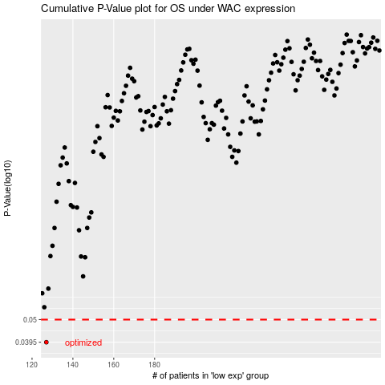

 |  |  |  |  |  | cases_OS | p_OS | rank | exp
 |  |  |  |  |  | 127 | 0.0395 | 177 | -0.54696215017
 |  |  |  |  |  |  | cases_RFS | p_RFS | rank | exp
 |  |  |  |  |  |  | 126 | 0.0395 | 85 | -0.54983588391

