WARS _multivariate
Reported by Tex Li-Hsing Chi. tex@gate.sinica.edu.tw 2019-08-15

Table 2. The clinicopathological features of HNSCC cohort and WARS expression. (Chi square test)
Cutoff at -0.384 (50.0%)
 |  | WARS expression |  | WARS expression |  | (Optimised)
 | Features | Low | (%) | High | (%) | Case no | P-value | Remark | Matthews
Gender | Female | 163 | 39.3 | 143 | 34.5 | 415 | 0.0277 | 1 | 0
2 | Male | 44 | 10.6 | 65 | 15.7
Age at diagnosis | <=65y | 148 | 35.7 | 126 | 30.4 | 415 | 0.0248 | 1 | 0
4 | >65y | 59 | 14.2 | 82 | 19.8
Clinical T Status | T1+T2 | 66 | 15.9 | 83 | 20 | 415 | 0.1095 | 0 | 0
6 | T3+T4 | 141 | 34 | 125 | 30.1
Clinical N Status | N0 | 112 | 27 | 104 | 25.1 | 415 | 0.4599 | 0 | 0
8 | N1-3 | 95 | 22.9 | 104 | 25.1
Clinical M Status | M0 | 207 | 49.9 | 205 | 49.4 | 415 | 0.2482 | 0 | 0
10 | M1 | 0 | 0 | 3 | 0.7
Clinical Stage | Stage I+II | 46 | 11.1 | 56 | 13.5 | 415 | 0.3182 | 0 | 0
12 | Stage III+IV | 161 | 38.8 | 152 | 36.6
Surgical Margin status | Negative | 163 | 39.3 | 155 | 37.3 | 415 | 0.3537 | 0 | 0
14 | Positive | 44 | 10.6 | 53 | 12.8
Tobacco Exposure | Low | 65 | 15.7 | 96 | 23.1 | 415 | 0.0025 | 1 | 0
16 | High | 142 | 34.2 | 112 | 27

Table 3. Univariate/Multivariate Cox's proportional hazards regression analyses on OS time of WARS gene expression in HNSCC

 |  | Univariate |  |  |  | Multivariate
 | Features | HR | CI95%(L) | CI95%(H) | P-value | HR | CI95%(L) | CI95%(H) | P-value
1 | Female | 1 |  |  |  | 1
Gender | Male | 1.157 | 0.843 | 1.587 | 0.367 | 1.209 | 0.866 | 1.689 | 0.265
11 | <=65y | 1 |  |  |  | 1
Age at diagnosis | >65y | 1.329 | 0.99 | 1.784 | 0.058 | 1.411 | 1.037 | 1.919 | 0.029
12 | T1+T2 | 1 |  |  |  | 1
Clinical T Status | T3+T4 | 1.409 | 1.028 | 1.931 | 0.033 | 2.221 | 1.174 | 4.2 | 0.014
13 | N0 | 1 |  |  |  | 1
Clinical N Status | N1-3 | 1.185 | 0.89 | 1.577 | 0.246 | 1.258 | 0.881 | 1.797 | 0.206
14 | M0 | 1 |  |  |  | 1
Clinical M Status | M1 | 4.097 | 1.009 | 16.644 | 0.049 | 10.217 | 2.205 | 47.332 | 0.003
15 | Stage I+II | 1 |  |  |  | 1
Clinical Stage | Stage III+IV | 1.245 | 0.882 | 1.759 | 0.213 | 0.495 | 0.23 | 1.062 | 0.071
16 | Negative | 1 |  |  |  | 1
Surgical Margin status | Positive | 1.591 | 1.155 | 2.191 | 0.004 | 1.689 | 1.221 | 2.336 | 0.002
17 | Low | 1 |  |  |  | 1
Tobacco Exposure | High | 1.364 | 1.008 | 1.844 | 0.044 | 1.414 | 1.022 | 1.957 | 0.036
18 | Low | 1 |  |  |  | 1
RNAseq(z-score) | High | 0.907 | 0.679 | 1.213 | 0.512 | 0.865 | 0.639 | 1.17 | 0.347

Table 4. Univariate/Multivariate Cox's proportional hazards regression analyses on RFS time of WARS gene expression in HNSCC

 |  | Univariate |  |  |  | Multivariate
 | Features | HR | CI95%(L) | CI95%(H) | P-value | HR | CI95%(L) | CI95%(H) | P-value
1 | Female | 1 |  |  |  | 1
Gender | Male | 1.157 | 0.843 | 1.587 | 0.367 | 1.209 | 0.866 | 1.689 | 0.265
11 | <=65y | 1 |  |  |  | 1
Age at diagnosis | >65y | 1.329 | 0.99 | 1.784 | 0.058 | 1.411 | 1.037 | 1.919 | 0.029
12 | T1+T2 | 1 |  |  |  | 1
Clinical T Status | T3+T4 | 1.409 | 1.028 | 1.931 | 0.033 | 2.221 | 1.174 | 4.2 | 0.014
13 | N0 | 1 |  |  |  | 1
Clinical N Status | N1-3 | 1.185 | 0.89 | 1.577 | 0.246 | 1.258 | 0.881 | 1.797 | 0.206
14 | M0 | 1 |  |  |  | 1
Clinical M Status | M1 | 4.097 | 1.009 | 16.644 | 0.049 | 10.217 | 2.205 | 47.332 | 0.003
15 | Stage I+II | 1 |  |  |  | 1
Clinical Stage | Stage III+IV | 1.245 | 0.882 | 1.759 | 0.213 | 0.495 | 0.23 | 1.062 | 0.071
16 | Negative | 1 |  |  |  | 1
Surgical Margin status | Positive | 1.591 | 1.155 | 2.191 | 0.004 | 1.689 | 1.221 | 2.336 | 0.002
17 | Low | 1 |  |  |  | 1
Tobacco Exposure | High | 1.364 | 1.008 | 1.844 | 0.044 | 1.414 | 1.022 | 1.957 | 0.036
18 | Low | 1 |  |  |  | 1
RNAseq(z-score) | High | 0.907 | 0.679 | 1.213 | 0.512 | 0.865 | 0.639 | 1.17 | 0.347

Kaplan-Meier survival estimate: Cutoff at -0.384 (50.0%)



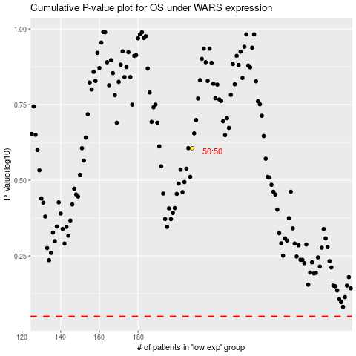

 |  |  |  |  |  | cases_OS | p_OS | rank | exp
 |  |  |  |  |  |  | cases_RFS | p_RFS | rank | exp

