WARS2 _multivariate
Reported by Tex Li-Hsing Chi. tex@gate.sinica.edu.tw 2019-08-15

Table 2. The clinicopathological features of HNSCC cohort and WARS2 expression. (Chi square test)
Cutoff at -0.146 (49.8%)
 |  | WARS2 expression |  | WARS2 expression |  | (Optimised)
 | Features | Low | (%) | High | (%) | Case no | P-value | Remark | Matthews
Gender | Female | 151 | 36.4 | 155 | 37.3 | 415 | 0.8007 | 0 | 0
2 | Male | 56 | 13.5 | 53 | 12.8
Age at diagnosis | <=65y | 139 | 33.5 | 135 | 32.5 | 415 | 0.7044 | 0 | 0
4 | >65y | 68 | 16.4 | 73 | 17.6
Clinical T Status | T1+T2 | 75 | 18.1 | 74 | 17.8 | 415 | 0.9707 | 0 | 0
6 | T3+T4 | 132 | 31.8 | 134 | 32.3
Clinical N Status | N0 | 111 | 26.7 | 105 | 25.3 | 415 | 0.5875 | 0 | 0
8 | N1-3 | 96 | 23.1 | 103 | 24.8
Clinical M Status | M0 | 204 | 49.2 | 208 | 50.1 | 415 | 0.1232 | 0 | 0
10 | M1 | 3 | 0.7 | 0 | 0
Clinical Stage | Stage I+II | 54 | 13 | 48 | 11.6 | 415 | 0.5498 | 0 | 0
12 | Stage III+IV | 153 | 36.9 | 160 | 38.6
Surgical Margin status | Negative | 158 | 38.1 | 160 | 38.6 | 415 | 0.9081 | 0 | 0
14 | Positive | 49 | 11.8 | 48 | 11.6
Tobacco Exposure | Low | 83 | 20 | 78 | 18.8 | 415 | 0.6152 | 0 | 0
16 | High | 124 | 29.9 | 130 | 31.3

Table 3. Univariate/Multivariate Cox's proportional hazards regression analyses on OS time of WARS2 gene expression in HNSCC

 |  | Univariate |  |  |  | Multivariate
 | Features | HR | CI95%(L) | CI95%(H) | P-value | HR | CI95%(L) | CI95%(H) | P-value
1 | Female | 1 |  |  |  | 1
Gender | Male | 1.157 | 0.843 | 1.587 | 0.367 | 1.203 | 0.861 | 1.681 | 0.278
11 | <=65y | 1 |  |  |  | 1
Age at diagnosis | >65y | 1.329 | 0.99 | 1.784 | 0.058 | 1.385 | 1.018 | 1.884 | 0.038
12 | T1+T2 | 1 |  |  |  | 1
Clinical T Status | T3+T4 | 1.409 | 1.028 | 1.931 | 0.033 | 2.25 | 1.189 | 4.258 | 0.013
13 | N0 | 1 |  |  |  | 1
Clinical N Status | N1-3 | 1.185 | 0.89 | 1.577 | 0.246 | 1.233 | 0.863 | 1.76 | 0.25
14 | M0 | 1 |  |  |  | 1
Clinical M Status | M1 | 4.097 | 1.009 | 16.644 | 0.049 | 10.566 | 2.271 | 49.148 | 0.003
15 | Stage I+II | 1 |  |  |  | 1
Clinical Stage | Stage III+IV | 1.245 | 0.882 | 1.759 | 0.213 | 0.484 | 0.225 | 1.042 | 0.064
16 | Negative | 1 |  |  |  | 1
Surgical Margin status | Positive | 1.591 | 1.155 | 2.191 | 0.004 | 1.682 | 1.217 | 2.325 | 0.002
17 | Low | 1 |  |  |  | 1
Tobacco Exposure | High | 1.364 | 1.008 | 1.844 | 0.044 | 1.474 | 1.068 | 2.034 | 0.018
18 | Low | 1 |  |  |  | 1
RNAseq(z-score) | High | 1.161 | 0.87 | 1.547 | 0.311 | 1.183 | 0.882 | 1.587 | 0.261

Table 4. Univariate/Multivariate Cox's proportional hazards regression analyses on RFS time of WARS2 gene expression in HNSCC

 |  | Univariate |  |  |  | Multivariate
 | Features | HR | CI95%(L) | CI95%(H) | P-value | HR | CI95%(L) | CI95%(H) | P-value
1 | Female | 1 |  |  |  | 1
Gender | Male | 1.157 | 0.843 | 1.587 | 0.367 | 1.203 | 0.861 | 1.681 | 0.278
11 | <=65y | 1 |  |  |  | 1
Age at diagnosis | >65y | 1.329 | 0.99 | 1.784 | 0.058 | 1.385 | 1.018 | 1.884 | 0.038
12 | T1+T2 | 1 |  |  |  | 1
Clinical T Status | T3+T4 | 1.409 | 1.028 | 1.931 | 0.033 | 2.25 | 1.189 | 4.258 | 0.013
13 | N0 | 1 |  |  |  | 1
Clinical N Status | N1-3 | 1.185 | 0.89 | 1.577 | 0.246 | 1.233 | 0.863 | 1.76 | 0.25
14 | M0 | 1 |  |  |  | 1
Clinical M Status | M1 | 4.097 | 1.009 | 16.644 | 0.049 | 10.566 | 2.271 | 49.148 | 0.003
15 | Stage I+II | 1 |  |  |  | 1
Clinical Stage | Stage III+IV | 1.245 | 0.882 | 1.759 | 0.213 | 0.484 | 0.225 | 1.042 | 0.064
16 | Negative | 1 |  |  |  | 1
Surgical Margin status | Positive | 1.591 | 1.155 | 2.191 | 0.004 | 1.682 | 1.217 | 2.325 | 0.002
17 | Low | 1 |  |  |  | 1
Tobacco Exposure | High | 1.364 | 1.008 | 1.844 | 0.044 | 1.474 | 1.068 | 2.034 | 0.018
18 | Low | 1 |  |  |  | 1
RNAseq(z-score) | High | 1.161 | 0.87 | 1.547 | 0.311 | 1.183 | 0.882 | 1.587 | 0.261

Kaplan-Meier survival estimate: Cutoff at -0.146 (49.8%)



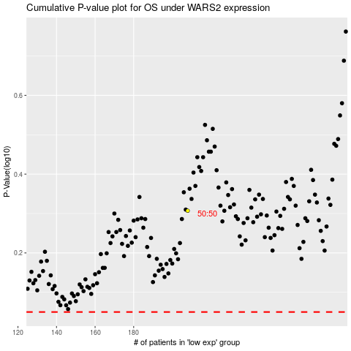

 |  |  |  |  |  | cases_OS | p_OS | rank | exp
 |  |  |  |  |  |  | cases_RFS | p_RFS | rank | exp

