WAS _multivariate
Reported by Tex Li-Hsing Chi. tex@gate.sinica.edu.tw 2019-08-15

Table 2. The clinicopathological features of HNSCC cohort and WAS expression. (Chi square test)
Cutoff at -0.567 (30.4%)
 |  | WAS expression |  | WAS expression |  | (Optimised)
 | Features | Low | (%) | High | (%) | Case no | P-value | Remark | Matthews
Gender | Female | 100 | 24.1 | 206 | 49.6 | 415 | 0.1097 | 0 | 0
2 | Male | 26 | 6.3 | 83 | 20
Age at diagnosis | <=65y | 87 | 21 | 187 | 45.1 | 415 | 0.4557 | 0 | 0
4 | >65y | 39 | 9.4 | 102 | 24.6
Clinical T Status | T1+T2 | 40 | 9.6 | 109 | 26.3 | 415 | 0.2917 | 0 | 0
6 | T3+T4 | 86 | 20.7 | 180 | 43.4
Clinical N Status | N0 | 68 | 16.4 | 148 | 35.7 | 415 | 0.6817 | 0 | 0
8 | N1-3 | 58 | 14 | 141 | 34
Clinical M Status | M0 | 126 | 30.4 | 286 | 68.9 | 415 | 0.5566 | 0 | 0
10 | M1 | 0 | 0 | 3 | 0.7
Clinical Stage | Stage I+II | 30 | 7.2 | 72 | 17.3 | 415 | 0.9075 | 0 | 0
12 | Stage III+IV | 96 | 23.1 | 217 | 52.3
Surgical Margin status | Negative | 89 | 21.4 | 229 | 55.2 | 415 | 0.0598 | 0 | 0
14 | Positive | 37 | 8.9 | 60 | 14.5
Tobacco Exposure | Low | 44 | 10.6 | 117 | 28.2 | 415 | 0.3244 | 0 | 0
16 | High | 82 | 19.8 | 172 | 41.4

Table 3. Univariate/Multivariate Cox's proportional hazards regression analyses on OS time of WAS gene expression in HNSCC

 |  | Univariate |  |  |  | Multivariate
 | Features | HR | CI95%(L) | CI95%(H) | P-value | HR | CI95%(L) | CI95%(H) | P-value
1 | Female | 1 |  |  |  | 1
Gender | Male | 1.157 | 0.843 | 1.587 | 0.367 | 1.226 | 0.877 | 1.715 | 0.233
11 | <=65y | 1 |  |  |  | 1
Age at diagnosis | >65y | 1.329 | 0.99 | 1.784 | 0.058 | 1.38 | 1.016 | 1.874 | 0.039
12 | T1+T2 | 1 |  |  |  | 1
Clinical T Status | T3+T4 | 1.409 | 1.028 | 1.931 | 0.033 | 2.169 | 1.148 | 4.101 | 0.017
13 | N0 | 1 |  |  |  | 1
Clinical N Status | N1-3 | 1.185 | 0.89 | 1.577 | 0.246 | 1.254 | 0.879 | 1.788 | 0.212
14 | M0 | 1 |  |  |  | 1
Clinical M Status | M1 | 4.097 | 1.009 | 16.644 | 0.049 | 10.445 | 2.27 | 48.056 | 0.003
15 | Stage I+II | 1 |  |  |  | 1
Clinical Stage | Stage III+IV | 1.245 | 0.882 | 1.759 | 0.213 | 0.51 | 0.238 | 1.093 | 0.083
16 | Negative | 1 |  |  |  | 1
Surgical Margin status | Positive | 1.591 | 1.155 | 2.191 | 0.004 | 1.666 | 1.205 | 2.303 | 0.002
17 | Low | 1 |  |  |  | 1
Tobacco Exposure | High | 1.364 | 1.008 | 1.844 | 0.044 | 1.402 | 1.016 | 1.935 | 0.04
18 | Low | 1 |  |  |  | 1
RNAseq(z-score) | High | 0.696 | 0.518 | 0.936 | 0.017 | 0.709 | 0.525 | 0.957 | 0.025

Table 4. Univariate/Multivariate Cox's proportional hazards regression analyses on RFS time of WAS gene expression in HNSCC

 |  | Univariate |  |  |  | Multivariate
 | Features | HR | CI95%(L) | CI95%(H) | P-value | HR | CI95%(L) | CI95%(H) | P-value
1 | Female | 1 |  |  |  | 1
Gender | Male | 1.157 | 0.843 | 1.587 | 0.367 | 1.226 | 0.877 | 1.715 | 0.233
11 | <=65y | 1 |  |  |  | 1
Age at diagnosis | >65y | 1.329 | 0.99 | 1.784 | 0.058 | 1.38 | 1.016 | 1.874 | 0.039
12 | T1+T2 | 1 |  |  |  | 1
Clinical T Status | T3+T4 | 1.409 | 1.028 | 1.931 | 0.033 | 2.169 | 1.148 | 4.101 | 0.017
13 | N0 | 1 |  |  |  | 1
Clinical N Status | N1-3 | 1.185 | 0.89 | 1.577 | 0.246 | 1.254 | 0.879 | 1.788 | 0.212
14 | M0 | 1 |  |  |  | 1
Clinical M Status | M1 | 4.097 | 1.009 | 16.644 | 0.049 | 10.445 | 2.27 | 48.056 | 0.003
15 | Stage I+II | 1 |  |  |  | 1
Clinical Stage | Stage III+IV | 1.245 | 0.882 | 1.759 | 0.213 | 0.51 | 0.238 | 1.093 | 0.083
16 | Negative | 1 |  |  |  | 1
Surgical Margin status | Positive | 1.591 | 1.155 | 2.191 | 0.004 | 1.666 | 1.205 | 2.303 | 0.002
17 | Low | 1 |  |  |  | 1
Tobacco Exposure | High | 1.364 | 1.008 | 1.844 | 0.044 | 1.402 | 1.016 | 1.935 | 0.04
18 | Low | 1 |  |  |  | 1
RNAseq(z-score) | High | 0.696 | 0.518 | 0.936 | 0.017 | 0.709 | 0.525 | 0.957 | 0.025

Kaplan-Meier survival estimate: Cutoff at -0.567 (30.4%)

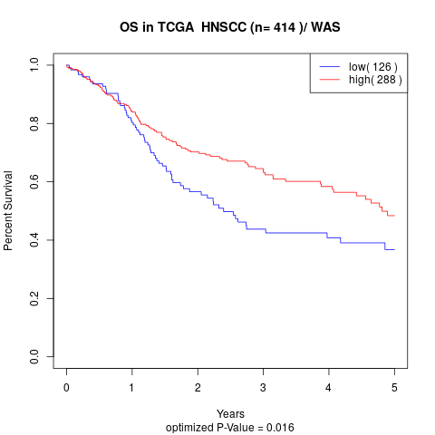

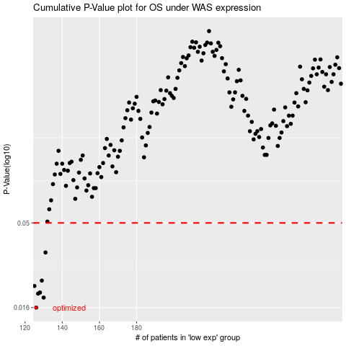

 |  |  |  |  |  | cases_OS | p_OS | rank | exp
 |  |  |  |  |  | 126 | 0.016 | 378 | -0.56749835
 |  |  |  |  |  | 130 | 0.0183 | 219 | -0.56038853106
 |  |  |  |  |  | 127 | 0.0193 | 154 | -0.56654743441
 |  |  |  |  |  | 128 | 0.0196 | 299 | -0.56636897562
 |  |  |  |  |  | 125 | 0.0214 | 263 | -0.57368163579
 |  |  |  |  |  | 129 | 0.023 | 248 | -0.56163722382
 |  |  |  |  |  | 131 | 0.0336 | 188 | -0.5585608848
 |  |  |  |  |  |  | cases_RFS | p_RFS | rank | exp
 |  |  |  |  |  |  | 125 | 0.016 | 263 | -0.57368163579
 |  |  |  |  |  |  | 129 | 0.0183 | 248 | -0.56163722382
 |  |  |  |  |  |  | 126 | 0.0193 | 378 | -0.56749835
 |  |  |  |  |  |  | 127 | 0.0196 | 154 | -0.56654743441
 |  |  |  |  |  |  |  | 0.0214 | 384 | -0.57533289838
 |  |  |  |  |  |  | 128 | 0.023 | 299 | -0.56636897562
 |  |  |  |  |  |  | 130 | 0.0336 | 219 | -0.56038853106

