WASF3 _multivariate
Reported by Tex Li-Hsing Chi. tex@gate.sinica.edu.tw 2019-08-15

Table 2. The clinicopathological features of HNSCC cohort and WASF3 expression. (Chi square test)
Cutoff at -0.313 (49.8%)
 |  | WASF3 expression |  | WASF3 expression |  | (Optimised)
 | Features | Low | (%) | High | (%) | Case no | P-value | Remark | Matthews
Gender | Female | 148 | 35.7 | 158 | 38.1 | 415 | 0.3567 | 0 | 0
2 | Male | 59 | 14.2 | 50 | 12
Age at diagnosis | <=65y | 122 | 29.4 | 152 | 36.6 | 415 | 0.0033 | 1 | 0
4 | >65y | 85 | 20.5 | 56 | 13.5
Clinical T Status | T1+T2 | 76 | 18.3 | 73 | 17.6 | 415 | 0.8092 | 0 | 0
6 | T3+T4 | 131 | 31.6 | 135 | 32.5
Clinical N Status | N0 | 103 | 24.8 | 113 | 27.2 | 415 | 0.4047 | 0 | 0
8 | N1-3 | 104 | 25.1 | 95 | 22.9
Clinical M Status | M0 | 204 | 49.2 | 208 | 50.1 | 415 | 0.1232 | 0 | 0
10 | M1 | 3 | 0.7 | 0 | 0
Clinical Stage | Stage I+II | 48 | 11.6 | 54 | 13 | 415 | 0.5878 | 0 | 0
12 | Stage III+IV | 159 | 38.3 | 154 | 37.1
Surgical Margin status | Negative | 153 | 36.9 | 165 | 39.8 | 415 | 0.2036 | 0 | 0
14 | Positive | 54 | 13 | 43 | 10.4
Tobacco Exposure | Low | 90 | 21.7 | 71 | 17.1 | 415 | 0.0559 | 0 | 0
16 | High | 117 | 28.2 | 137 | 33

Table 3. Univariate/Multivariate Cox's proportional hazards regression analyses on OS time of WASF3 gene expression in HNSCC

 |  | Univariate |  |  |  | Multivariate
 | Features | HR | CI95%(L) | CI95%(H) | P-value | HR | CI95%(L) | CI95%(H) | P-value
1 | Female | 1 |  |  |  | 1
Gender | Male | 1.157 | 0.843 | 1.587 | 0.367 | 1.201 | 0.859 | 1.679 | 0.285
11 | <=65y | 1 |  |  |  | 1
Age at diagnosis | >65y | 1.329 | 0.99 | 1.784 | 0.058 | 1.365 | 1.002 | 1.86 | 0.048
12 | T1+T2 | 1 |  |  |  | 1
Clinical T Status | T3+T4 | 1.409 | 1.028 | 1.931 | 0.033 | 2.228 | 1.178 | 4.215 | 0.014
13 | N0 | 1 |  |  |  | 1
Clinical N Status | N1-3 | 1.185 | 0.89 | 1.577 | 0.246 | 1.228 | 0.861 | 1.752 | 0.258
14 | M0 | 1 |  |  |  | 1
Clinical M Status | M1 | 4.097 | 1.009 | 16.644 | 0.049 | 8.857 | 1.924 | 40.774 | 0.005
15 | Stage I+II | 1 |  |  |  | 1
Clinical Stage | Stage III+IV | 1.245 | 0.882 | 1.759 | 0.213 | 0.501 | 0.233 | 1.075 | 0.076
16 | Negative | 1 |  |  |  | 1
Surgical Margin status | Positive | 1.591 | 1.155 | 2.191 | 0.004 | 1.657 | 1.199 | 2.29 | 0.002
17 | Low | 1 |  |  |  | 1
Tobacco Exposure | High | 1.364 | 1.008 | 1.844 | 0.044 | 1.462 | 1.061 | 2.016 | 0.02
18 | Low | 1 |  |  |  | 1
RNAseq(z-score) | High | 0.805 | 0.604 | 1.074 | 0.14 | 0.862 | 0.642 | 1.156 | 0.321

Table 4. Univariate/Multivariate Cox's proportional hazards regression analyses on RFS time of WASF3 gene expression in HNSCC

 |  | Univariate |  |  |  | Multivariate
 | Features | HR | CI95%(L) | CI95%(H) | P-value | HR | CI95%(L) | CI95%(H) | P-value
1 | Female | 1 |  |  |  | 1
Gender | Male | 1.157 | 0.843 | 1.587 | 0.367 | 1.201 | 0.859 | 1.679 | 0.285
11 | <=65y | 1 |  |  |  | 1
Age at diagnosis | >65y | 1.329 | 0.99 | 1.784 | 0.058 | 1.365 | 1.002 | 1.86 | 0.048
12 | T1+T2 | 1 |  |  |  | 1
Clinical T Status | T3+T4 | 1.409 | 1.028 | 1.931 | 0.033 | 2.228 | 1.178 | 4.215 | 0.014
13 | N0 | 1 |  |  |  | 1
Clinical N Status | N1-3 | 1.185 | 0.89 | 1.577 | 0.246 | 1.228 | 0.861 | 1.752 | 0.258
14 | M0 | 1 |  |  |  | 1
Clinical M Status | M1 | 4.097 | 1.009 | 16.644 | 0.049 | 8.857 | 1.924 | 40.774 | 0.005
15 | Stage I+II | 1 |  |  |  | 1
Clinical Stage | Stage III+IV | 1.245 | 0.882 | 1.759 | 0.213 | 0.501 | 0.233 | 1.075 | 0.076
16 | Negative | 1 |  |  |  | 1
Surgical Margin status | Positive | 1.591 | 1.155 | 2.191 | 0.004 | 1.657 | 1.199 | 2.29 | 0.002
17 | Low | 1 |  |  |  | 1
Tobacco Exposure | High | 1.364 | 1.008 | 1.844 | 0.044 | 1.462 | 1.061 | 2.016 | 0.02
18 | Low | 1 |  |  |  | 1
RNAseq(z-score) | High | 0.805 | 0.604 | 1.074 | 0.14 | 0.862 | 0.642 | 1.156 | 0.321

Kaplan-Meier survival estimate: Cutoff at -0.313 (49.8%)



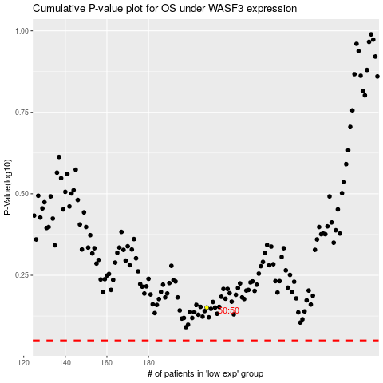

 |  |  |  |  |  | cases_OS | p_OS | rank | exp
 |  |  |  |  |  |  | cases_RFS | p_RFS | rank | exp

