WASL _multivariate
Reported by Tex Li-Hsing Chi. tex@gate.sinica.edu.tw 2019-08-15

Table 2. The clinicopathological features of HNSCC cohort and WASL expression. (Chi square test)
Cutoff at -0.124 (50.0%)
 |  | WASL expression |  | WASL expression |  | (Optimised)
 | Features | Low | (%) | High | (%) | Case no | P-value | Remark | Matthews
Gender | Female | 164 | 39.5 | 142 | 34.2 | 415 | 0.0153 | 1 | 0
2 | Male | 43 | 10.4 | 66 | 15.9
Age at diagnosis | <=65y | 142 | 34.2 | 132 | 31.8 | 415 | 0.3167 | 0 | 0
4 | >65y | 65 | 15.7 | 76 | 18.3
Clinical T Status | T1+T2 | 88 | 21.2 | 61 | 14.7 | 415 | 0.007 | 1 | 0
6 | T3+T4 | 119 | 28.7 | 147 | 35.4
Clinical N Status | N0 | 112 | 27 | 104 | 25.1 | 415 | 0.4599 | 0 | 0
8 | N1-3 | 95 | 22.9 | 104 | 25.1
Clinical M Status | M0 | 205 | 49.4 | 207 | 49.9 | 415 | 0.6232 | 0 | 0
10 | M1 | 2 | 0.5 | 1 | 0.2
Clinical Stage | Stage I+II | 59 | 14.2 | 43 | 10.4 | 415 | 0.0822 | 0 | 0
12 | Stage III+IV | 148 | 35.7 | 165 | 39.8
Surgical Margin status | Negative | 162 | 39 | 156 | 37.6 | 415 | 0.4867 | 0 | 0
14 | Positive | 45 | 10.8 | 52 | 12.5
Tobacco Exposure | Low | 73 | 17.6 | 88 | 21.2 | 415 | 0.1587 | 0 | 0
16 | High | 134 | 32.3 | 120 | 28.9

Table 3. Univariate/Multivariate Cox's proportional hazards regression analyses on OS time of WASL gene expression in HNSCC

 |  | Univariate |  |  |  | Multivariate
 | Features | HR | CI95%(L) | CI95%(H) | P-value | HR | CI95%(L) | CI95%(H) | P-value
1 | Female | 1 |  |  |  | 1
Gender | Male | 1.157 | 0.843 | 1.587 | 0.367 | 1.198 | 0.858 | 1.673 | 0.288
11 | <=65y | 1 |  |  |  | 1
Age at diagnosis | >65y | 1.329 | 0.99 | 1.784 | 0.058 | 1.391 | 1.023 | 1.89 | 0.035
12 | T1+T2 | 1 |  |  |  | 1
Clinical T Status | T3+T4 | 1.409 | 1.028 | 1.931 | 0.033 | 2.191 | 1.159 | 4.145 | 0.016
13 | N0 | 1 |  |  |  | 1
Clinical N Status | N1-3 | 1.185 | 0.89 | 1.577 | 0.246 | 1.243 | 0.871 | 1.774 | 0.23
14 | M0 | 1 |  |  |  | 1
Clinical M Status | M1 | 4.097 | 1.009 | 16.644 | 0.049 | 9.627 | 2.096 | 44.223 | 0.004
15 | Stage I+II | 1 |  |  |  | 1
Clinical Stage | Stage III+IV | 1.245 | 0.882 | 1.759 | 0.213 | 0.502 | 0.234 | 1.078 | 0.077
16 | Negative | 1 |  |  |  | 1
Surgical Margin status | Positive | 1.591 | 1.155 | 2.191 | 0.004 | 1.671 | 1.209 | 2.31 | 0.002
17 | Low | 1 |  |  |  | 1
Tobacco Exposure | High | 1.364 | 1.008 | 1.844 | 0.044 | 1.464 | 1.061 | 2.018 | 0.02
18 | Low | 1 |  |  |  | 1
RNAseq(z-score) | High | 1.106 | 0.83 | 1.473 | 0.493 | 1.09 | 0.815 | 1.457 | 0.561

Table 4. Univariate/Multivariate Cox's proportional hazards regression analyses on RFS time of WASL gene expression in HNSCC

 |  | Univariate |  |  |  | Multivariate
 | Features | HR | CI95%(L) | CI95%(H) | P-value | HR | CI95%(L) | CI95%(H) | P-value
1 | Female | 1 |  |  |  | 1
Gender | Male | 1.157 | 0.843 | 1.587 | 0.367 | 1.198 | 0.858 | 1.673 | 0.288
11 | <=65y | 1 |  |  |  | 1
Age at diagnosis | >65y | 1.329 | 0.99 | 1.784 | 0.058 | 1.391 | 1.023 | 1.89 | 0.035
12 | T1+T2 | 1 |  |  |  | 1
Clinical T Status | T3+T4 | 1.409 | 1.028 | 1.931 | 0.033 | 2.191 | 1.159 | 4.145 | 0.016
13 | N0 | 1 |  |  |  | 1
Clinical N Status | N1-3 | 1.185 | 0.89 | 1.577 | 0.246 | 1.243 | 0.871 | 1.774 | 0.23
14 | M0 | 1 |  |  |  | 1
Clinical M Status | M1 | 4.097 | 1.009 | 16.644 | 0.049 | 9.627 | 2.096 | 44.223 | 0.004
15 | Stage I+II | 1 |  |  |  | 1
Clinical Stage | Stage III+IV | 1.245 | 0.882 | 1.759 | 0.213 | 0.502 | 0.234 | 1.078 | 0.077
16 | Negative | 1 |  |  |  | 1
Surgical Margin status | Positive | 1.591 | 1.155 | 2.191 | 0.004 | 1.671 | 1.209 | 2.31 | 0.002
17 | Low | 1 |  |  |  | 1
Tobacco Exposure | High | 1.364 | 1.008 | 1.844 | 0.044 | 1.464 | 1.061 | 2.018 | 0.02
18 | Low | 1 |  |  |  | 1
RNAseq(z-score) | High | 1.106 | 0.83 | 1.473 | 0.493 | 1.09 | 0.815 | 1.457 | 0.561

Kaplan-Meier survival estimate: Cutoff at -0.124 (50.0%)



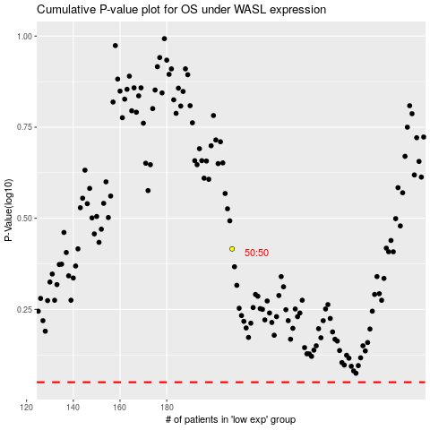

 |  |  |  |  |  | cases_OS | p_OS | rank | exp
 |  |  |  |  |  |  | cases_RFS | p_RFS | rank | exp

