WBP11P1 _multivariate
Reported by Tex Li-Hsing Chi. tex@gate.sinica.edu.tw 2019-08-15

Table 2. The clinicopathological features of HNSCC cohort and WBP11P1 expression. (Chi square test)
Cutoff at -0.052 (49.8%)
 |  | WBP11P1 expression |  | WBP11P1 expression |  | (Optimised)
 | Features | Low | (%) | High | (%) | Case no | P-value | Remark | Matthews
Gender | Female | 146 | 35.2 | 160 | 38.6 | 415 | 0.1714 | 0 | 0
2 | Male | 61 | 14.7 | 48 | 11.6
Age at diagnosis | <=65y | 139 | 33.5 | 135 | 32.5 | 415 | 0.7044 | 0 | 0
4 | >65y | 68 | 16.4 | 73 | 17.6
Clinical T Status | T1+T2 | 72 | 17.3 | 77 | 18.6 | 415 | 0.7095 | 0 | 0
6 | T3+T4 | 135 | 32.5 | 131 | 31.6
Clinical N Status | N0 | 110 | 26.5 | 106 | 25.5 | 415 | 0.7294 | 0 | 0
8 | N1-3 | 97 | 23.4 | 102 | 24.6
Clinical M Status | M0 | 206 | 49.6 | 206 | 49.6 | 415 | 1 | 0 | 0
10 | M1 | 1 | 0.2 | 2 | 0.5
Clinical Stage | Stage I+II | 53 | 12.8 | 49 | 11.8 | 415 | 0.7113 | 0 | 0
12 | Stage III+IV | 154 | 37.1 | 159 | 38.3
Surgical Margin status | Negative | 153 | 36.9 | 165 | 39.8 | 415 | 0.2036 | 0 | 0
14 | Positive | 54 | 13 | 43 | 10.4
Tobacco Exposure | Low | 87 | 21 | 74 | 17.8 | 415 | 0.1911 | 0 | 0
16 | High | 120 | 28.9 | 134 | 32.3

Table 3. Univariate/Multivariate Cox's proportional hazards regression analyses on OS time of WBP11P1 gene expression in HNSCC

 |  | Univariate |  |  |  | Multivariate
 | Features | HR | CI95%(L) | CI95%(H) | P-value | HR | CI95%(L) | CI95%(H) | P-value
1 | Female | 1 |  |  |  | 1
Gender | Male | 1.157 | 0.843 | 1.587 | 0.367 | 1.269 | 0.905 | 1.78 | 0.167
11 | <=65y | 1 |  |  |  | 1
Age at diagnosis | >65y | 1.329 | 0.99 | 1.784 | 0.058 | 1.396 | 1.026 | 1.899 | 0.033
12 | T1+T2 | 1 |  |  |  | 1
Clinical T Status | T3+T4 | 1.409 | 1.028 | 1.931 | 0.033 | 2.348 | 1.239 | 4.448 | 0.009
13 | N0 | 1 |  |  |  | 1
Clinical N Status | N1-3 | 1.185 | 0.89 | 1.577 | 0.246 | 1.265 | 0.885 | 1.808 | 0.197
14 | M0 | 1 |  |  |  | 1
Clinical M Status | M1 | 4.097 | 1.009 | 16.644 | 0.049 | 9.717 | 2.119 | 44.562 | 0.003
15 | Stage I+II | 1 |  |  |  | 1
Clinical Stage | Stage III+IV | 1.245 | 0.882 | 1.759 | 0.213 | 0.461 | 0.214 | 0.995 | 0.048
16 | Negative | 1 |  |  |  | 1
Surgical Margin status | Positive | 1.591 | 1.155 | 2.191 | 0.004 | 1.706 | 1.234 | 2.358 | 0.001
17 | Low | 1 |  |  |  | 1
Tobacco Exposure | High | 1.364 | 1.008 | 1.844 | 0.044 | 1.473 | 1.068 | 2.031 | 0.018
18 | Low | 1 |  |  |  | 1
RNAseq(z-score) | High | 1.304 | 0.974 | 1.744 | 0.074 | 1.4 | 1.04 | 1.883 | 0.026

Table 4. Univariate/Multivariate Cox's proportional hazards regression analyses on RFS time of WBP11P1 gene expression in HNSCC

 |  | Univariate |  |  |  | Multivariate
 | Features | HR | CI95%(L) | CI95%(H) | P-value | HR | CI95%(L) | CI95%(H) | P-value
1 | Female | 1 |  |  |  | 1
Gender | Male | 1.157 | 0.843 | 1.587 | 0.367 | 1.269 | 0.905 | 1.78 | 0.167
11 | <=65y | 1 |  |  |  | 1
Age at diagnosis | >65y | 1.329 | 0.99 | 1.784 | 0.058 | 1.396 | 1.026 | 1.899 | 0.033
12 | T1+T2 | 1 |  |  |  | 1
Clinical T Status | T3+T4 | 1.409 | 1.028 | 1.931 | 0.033 | 2.348 | 1.239 | 4.448 | 0.009
13 | N0 | 1 |  |  |  | 1
Clinical N Status | N1-3 | 1.185 | 0.89 | 1.577 | 0.246 | 1.265 | 0.885 | 1.808 | 0.197
14 | M0 | 1 |  |  |  | 1
Clinical M Status | M1 | 4.097 | 1.009 | 16.644 | 0.049 | 9.717 | 2.119 | 44.562 | 0.003
15 | Stage I+II | 1 |  |  |  | 1
Clinical Stage | Stage III+IV | 1.245 | 0.882 | 1.759 | 0.213 | 0.461 | 0.214 | 0.995 | 0.048
16 | Negative | 1 |  |  |  | 1
Surgical Margin status | Positive | 1.591 | 1.155 | 2.191 | 0.004 | 1.706 | 1.234 | 2.358 | 0.001
17 | Low | 1 |  |  |  | 1
Tobacco Exposure | High | 1.364 | 1.008 | 1.844 | 0.044 | 1.473 | 1.068 | 2.031 | 0.018
18 | Low | 1 |  |  |  | 1
RNAseq(z-score) | High | 1.304 | 0.974 | 1.744 | 0.074 | 1.4 | 1.04 | 1.883 | 0.026

Kaplan-Meier survival estimate: Cutoff at -0.052 (49.8%)



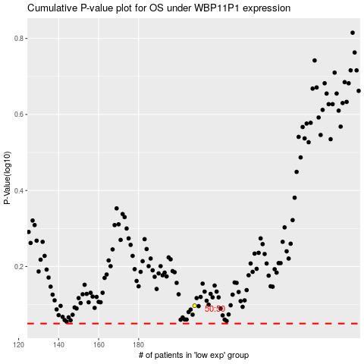

 |  |  |  |  |  | cases_OS | p_OS | rank | exp
 |  |  |  |  |  |  | cases_RFS | p_RFS | rank | exp

