WBP5 _multivariate
Reported by Tex Li-Hsing Chi. tex@gate.sinica.edu.tw 2019-08-15

Table 2. The clinicopathological features of HNSCC cohort and WBP5 expression. (Chi square test)
Cutoff at -0.259 (41.8%)
 |  | WBP5 expression |  | WBP5 expression |  | (Optimised)
 | Features | Low | (%) | High | (%) | Case no | P-value | Remark | Matthews
Gender | Female | 134 | 32.3 | 172 | 41.4 | 415 | 0.1791 | 0 | 0
2 | Male | 39 | 9.4 | 70 | 16.9
Age at diagnosis | <=65y | 119 | 28.7 | 155 | 37.3 | 415 | 0.3685 | 0 | 0
4 | >65y | 54 | 13 | 87 | 21
Clinical T Status | T1+T2 | 65 | 15.7 | 84 | 20.2 | 415 | 0.6204 | 0 | 0
6 | T3+T4 | 108 | 26 | 158 | 38.1
Clinical N Status | N0 | 84 | 20.2 | 132 | 31.8 | 415 | 0.2693 | 0 | 0
8 | N1-3 | 89 | 21.4 | 110 | 26.5
Clinical M Status | M0 | 172 | 41.4 | 240 | 57.8 | 415 | 1 | 0 | 0
10 | M1 | 1 | 0.2 | 2 | 0.5
Clinical Stage | Stage I+II | 39 | 9.4 | 63 | 15.2 | 415 | 0.4849 | 0 | 0
12 | Stage III+IV | 134 | 32.3 | 179 | 43.1
Surgical Margin status | Negative | 140 | 33.7 | 178 | 42.9 | 415 | 0.0993 | 0 | 0
14 | Positive | 33 | 8 | 64 | 15.4
Tobacco Exposure | Low | 48 | 11.6 | 113 | 27.2 | 415 | 1e-04 | 1 | 0
16 | High | 125 | 30.1 | 129 | 31.1

Table 3. Univariate/Multivariate Cox's proportional hazards regression analyses on OS time of WBP5 gene expression in HNSCC

 |  | Univariate |  |  |  | Multivariate
 | Features | HR | CI95%(L) | CI95%(H) | P-value | HR | CI95%(L) | CI95%(H) | P-value
1 | Female | 1 |  |  |  | 1
Gender | Male | 1.157 | 0.843 | 1.587 | 0.367 | 1.173 | 0.839 | 1.639 | 0.351
11 | <=65y | 1 |  |  |  | 1
Age at diagnosis | >65y | 1.329 | 0.99 | 1.784 | 0.058 | 1.411 | 1.039 | 1.915 | 0.027
12 | T1+T2 | 1 |  |  |  | 1
Clinical T Status | T3+T4 | 1.409 | 1.028 | 1.931 | 0.033 | 2.127 | 1.124 | 4.024 | 0.02
13 | N0 | 1 |  |  |  | 1
Clinical N Status | N1-3 | 1.185 | 0.89 | 1.577 | 0.246 | 1.277 | 0.895 | 1.822 | 0.178
14 | M0 | 1 |  |  |  | 1
Clinical M Status | M1 | 4.097 | 1.009 | 16.644 | 0.049 | 8.832 | 1.925 | 40.516 | 0.005
15 | Stage I+II | 1 |  |  |  | 1
Clinical Stage | Stage III+IV | 1.245 | 0.882 | 1.759 | 0.213 | 0.521 | 0.242 | 1.118 | 0.094
16 | Negative | 1 |  |  |  | 1
Surgical Margin status | Positive | 1.591 | 1.155 | 2.191 | 0.004 | 1.58 | 1.139 | 2.193 | 0.006
17 | Low | 1 |  |  |  | 1
Tobacco Exposure | High | 1.364 | 1.008 | 1.844 | 0.044 | 1.516 | 1.098 | 2.092 | 0.011
18 | Low | 1 |  |  |  | 1
RNAseq(z-score) | High | 1.354 | 1.008 | 1.819 | 0.044 | 1.354 | 0.998 | 1.837 | 0.051

Table 4. Univariate/Multivariate Cox's proportional hazards regression analyses on RFS time of WBP5 gene expression in HNSCC

 |  | Univariate |  |  |  | Multivariate
 | Features | HR | CI95%(L) | CI95%(H) | P-value | HR | CI95%(L) | CI95%(H) | P-value
1 | Female | 1 |  |  |  | 1
Gender | Male | 1.157 | 0.843 | 1.587 | 0.367 | 1.173 | 0.839 | 1.639 | 0.351
11 | <=65y | 1 |  |  |  | 1
Age at diagnosis | >65y | 1.329 | 0.99 | 1.784 | 0.058 | 1.411 | 1.039 | 1.915 | 0.027
12 | T1+T2 | 1 |  |  |  | 1
Clinical T Status | T3+T4 | 1.409 | 1.028 | 1.931 | 0.033 | 2.127 | 1.124 | 4.024 | 0.02
13 | N0 | 1 |  |  |  | 1
Clinical N Status | N1-3 | 1.185 | 0.89 | 1.577 | 0.246 | 1.277 | 0.895 | 1.822 | 0.178
14 | M0 | 1 |  |  |  | 1
Clinical M Status | M1 | 4.097 | 1.009 | 16.644 | 0.049 | 8.832 | 1.925 | 40.516 | 0.005
15 | Stage I+II | 1 |  |  |  | 1
Clinical Stage | Stage III+IV | 1.245 | 0.882 | 1.759 | 0.213 | 0.521 | 0.242 | 1.118 | 0.094
16 | Negative | 1 |  |  |  | 1
Surgical Margin status | Positive | 1.591 | 1.155 | 2.191 | 0.004 | 1.58 | 1.139 | 2.193 | 0.006
17 | Low | 1 |  |  |  | 1
Tobacco Exposure | High | 1.364 | 1.008 | 1.844 | 0.044 | 1.516 | 1.098 | 2.092 | 0.011
18 | Low | 1 |  |  |  | 1
RNAseq(z-score) | High | 1.354 | 1.008 | 1.819 | 0.044 | 1.354 | 0.998 | 1.837 | 0.051

Kaplan-Meier survival estimate: Cutoff at -0.259 (41.8%)



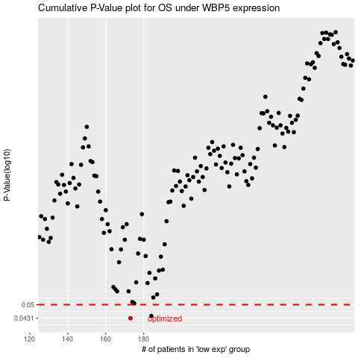

 |  |  |  |  |  | cases_OS | p_OS | rank | exp
 |  |  |  |  |  | 173 | 0.0431 | 267 | -0.2586107533
 |  |  |  |  |  | 184 | 0.0442 | 74 | -0.21362722095
 |  |  |  |  |  |  | cases_RFS | p_RFS | rank | exp
 |  |  |  |  |  |  | 172 | 0.0431 | 32 | -0.26236693641
 |  |  |  |  |  |  | 183 | 0.0442 | 205 | -0.21794744333

