WBSCR16 _multivariate
Reported by Tex Li-Hsing Chi. tex@gate.sinica.edu.tw 2019-08-15

Table 2. The clinicopathological features of HNSCC cohort and WBSCR16 expression. (Chi square test)
Cutoff at -0.478 (32.1%)
 |  | WBSCR16 expression |  | WBSCR16 expression |  | (Optimised)
 | Features | Low | (%) | High | (%) | Case no | P-value | Remark | Matthews
Gender | Female | 97 | 23.4 | 209 | 50.4 | 415 | 0.7556 | 0 | 0
2 | Male | 37 | 8.9 | 72 | 17.3
Age at diagnosis | <=65y | 91 | 21.9 | 183 | 44.1 | 415 | 0.6531 | 0 | 0
4 | >65y | 43 | 10.4 | 98 | 23.6
Clinical T Status | T1+T2 | 53 | 12.8 | 96 | 23.1 | 415 | 0.3368 | 0 | 0
6 | T3+T4 | 81 | 19.5 | 185 | 44.6
Clinical N Status | N0 | 67 | 16.1 | 149 | 35.9 | 415 | 0.6372 | 0 | 0
8 | N1-3 | 67 | 16.1 | 132 | 31.8
Clinical M Status | M0 | 134 | 32.3 | 278 | 67 | 415 | 0.5542 | 0 | 0
10 | M1 | 0 | 0 | 3 | 0.7
Clinical Stage | Stage I+II | 38 | 9.2 | 64 | 15.4 | 415 | 0.2657 | 0 | 0
12 | Stage III+IV | 96 | 23.1 | 217 | 52.3
Surgical Margin status | Negative | 102 | 24.6 | 216 | 52 | 415 | 0.9015 | 0 | 0
14 | Positive | 32 | 7.7 | 65 | 15.7
Tobacco Exposure | Low | 57 | 13.7 | 104 | 25.1 | 415 | 0.2837 | 0 | 0
16 | High | 77 | 18.6 | 177 | 42.7

Table 3. Univariate/Multivariate Cox's proportional hazards regression analyses on OS time of WBSCR16 gene expression in HNSCC

 |  | Univariate |  |  |  | Multivariate
 | Features | HR | CI95%(L) | CI95%(H) | P-value | HR | CI95%(L) | CI95%(H) | P-value
1 | Female | 1 |  |  |  | 1
Gender | Male | 1.157 | 0.843 | 1.587 | 0.367 | 1.169 | 0.834 | 1.638 | 0.365
11 | <=65y | 1 |  |  |  | 1
Age at diagnosis | >65y | 1.329 | 0.99 | 1.784 | 0.058 | 1.389 | 1.022 | 1.887 | 0.036
12 | T1+T2 | 1 |  |  |  | 1
Clinical T Status | T3+T4 | 1.409 | 1.028 | 1.931 | 0.033 | 2.228 | 1.178 | 4.215 | 0.014
13 | N0 | 1 |  |  |  | 1
Clinical N Status | N1-3 | 1.185 | 0.89 | 1.577 | 0.246 | 1.248 | 0.874 | 1.781 | 0.223
14 | M0 | 1 |  |  |  | 1
Clinical M Status | M1 | 4.097 | 1.009 | 16.644 | 0.049 | 8.739 | 1.901 | 40.17 | 0.005
15 | Stage I+II | 1 |  |  |  | 1
Clinical Stage | Stage III+IV | 1.245 | 0.882 | 1.759 | 0.213 | 0.487 | 0.227 | 1.047 | 0.066
16 | Negative | 1 |  |  |  | 1
Surgical Margin status | Positive | 1.591 | 1.155 | 2.191 | 0.004 | 1.667 | 1.206 | 2.302 | 0.002
17 | Low | 1 |  |  |  | 1
Tobacco Exposure | High | 1.364 | 1.008 | 1.844 | 0.044 | 1.41 | 1.021 | 1.948 | 0.037
18 | Low | 1 |  |  |  | 1
RNAseq(z-score) | High | 1.399 | 1.012 | 1.934 | 0.042 | 1.287 | 0.927 | 1.788 | 0.132

Table 4. Univariate/Multivariate Cox's proportional hazards regression analyses on RFS time of WBSCR16 gene expression in HNSCC

 |  | Univariate |  |  |  | Multivariate
 | Features | HR | CI95%(L) | CI95%(H) | P-value | HR | CI95%(L) | CI95%(H) | P-value
1 | Female | 1 |  |  |  | 1
Gender | Male | 1.157 | 0.843 | 1.587 | 0.367 | 1.169 | 0.834 | 1.638 | 0.365
11 | <=65y | 1 |  |  |  | 1
Age at diagnosis | >65y | 1.329 | 0.99 | 1.784 | 0.058 | 1.389 | 1.022 | 1.887 | 0.036
12 | T1+T2 | 1 |  |  |  | 1
Clinical T Status | T3+T4 | 1.409 | 1.028 | 1.931 | 0.033 | 2.228 | 1.178 | 4.215 | 0.014
13 | N0 | 1 |  |  |  | 1
Clinical N Status | N1-3 | 1.185 | 0.89 | 1.577 | 0.246 | 1.248 | 0.874 | 1.781 | 0.223
14 | M0 | 1 |  |  |  | 1
Clinical M Status | M1 | 4.097 | 1.009 | 16.644 | 0.049 | 8.739 | 1.901 | 40.17 | 0.005
15 | Stage I+II | 1 |  |  |  | 1
Clinical Stage | Stage III+IV | 1.245 | 0.882 | 1.759 | 0.213 | 0.487 | 0.227 | 1.047 | 0.066
16 | Negative | 1 |  |  |  | 1
Surgical Margin status | Positive | 1.591 | 1.155 | 2.191 | 0.004 | 1.667 | 1.206 | 2.302 | 0.002
17 | Low | 1 |  |  |  | 1
Tobacco Exposure | High | 1.364 | 1.008 | 1.844 | 0.044 | 1.41 | 1.021 | 1.948 | 0.037
18 | Low | 1 |  |  |  | 1
RNAseq(z-score) | High | 1.399 | 1.012 | 1.934 | 0.042 | 1.287 | 0.927 | 1.788 | 0.132

Kaplan-Meier survival estimate: Cutoff at -0.478 (32.1%)

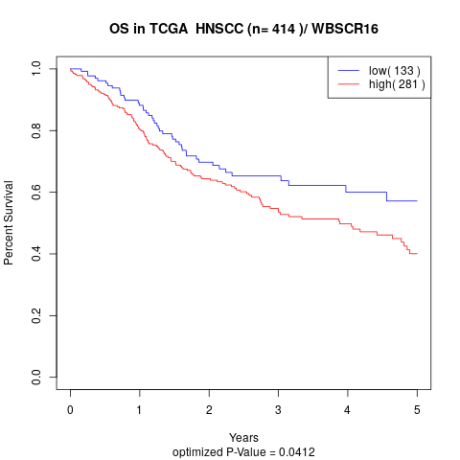

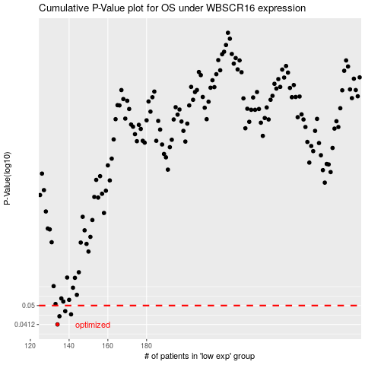

 |  |  |  |  |  | cases_OS | p_OS | rank | exp
 |  |  |  |  |  | 134 | 0.0412 | 279 | -0.47838977823
 |  |  |  |  |  | 135 | 0.0448 | 118 | -0.47780397722
 |  |  |  |  |  | 141 | 0.0457 | 23 | -0.45073332145
 |  |  |  |  |  | 138 | 0.0472 | 241 | -0.46626541686
 |  |  |  |  |  |  | cases_RFS | p_RFS | rank | exp
 |  |  |  |  |  |  | 133 | 0.0412 | 169 | -0.48218796984
 |  |  |  |  |  |  | 134 | 0.0448 | 279 | -0.47838977823
 |  |  |  |  |  |  | 140 | 0.0457 | 335 | -0.45170774584
 |  |  |  |  |  |  | 137 | 0.0472 | 346 | -0.47100662199

