WBSCR17 _multivariate
Reported by Tex Li-Hsing Chi. tex@gate.sinica.edu.tw 2019-08-15

Table 2. The clinicopathological features of HNSCC cohort and WBSCR17 expression. (Chi square test)
Cutoff at -0.227 (50.0%)
 |  | WBSCR17 expression |  | WBSCR17 expression |  | (Optimised)
 | Features | Low | (%) | High | (%) | Case no | P-value | Remark | Matthews
Gender | Female | 151 | 36.4 | 155 | 37.3 | 415 | 0.8007 | 0 | 0
2 | Male | 56 | 13.5 | 53 | 12.8
Age at diagnosis | <=65y | 124 | 29.9 | 150 | 36.1 | 415 | 0.0116 | 1 | 0
4 | >65y | 83 | 20 | 58 | 14
Clinical T Status | T1+T2 | 63 | 15.2 | 86 | 20.7 | 415 | 0.0268 | 1 | 0
6 | T3+T4 | 144 | 34.7 | 122 | 29.4
Clinical N Status | N0 | 115 | 27.7 | 101 | 24.3 | 415 | 0.184 | 1 | 0
8 | N1-3 | 92 | 22.2 | 107 | 25.8
Clinical M Status | M0 | 204 | 49.2 | 208 | 50.1 | 415 | 0.1232 | 0 | 0
10 | M1 | 3 | 0.7 | 0 | 0
Clinical Stage | Stage I+II | 43 | 10.4 | 59 | 14.2 | 415 | 0.0925 | 0 | 0
12 | Stage III+IV | 164 | 39.5 | 149 | 35.9
Surgical Margin status | Negative | 152 | 36.6 | 166 | 40 | 415 | 0.1329 | 0 | 0
14 | Positive | 55 | 13.3 | 42 | 10.1
Tobacco Exposure | Low | 89 | 21.4 | 72 | 17.3 | 415 | 0.0872 | 0 | 0
16 | High | 118 | 28.4 | 136 | 32.8

Table 3. Univariate/Multivariate Cox's proportional hazards regression analyses on OS time of WBSCR17 gene expression in HNSCC

 |  | Univariate |  |  |  | Multivariate
 | Features | HR | CI95%(L) | CI95%(H) | P-value | HR | CI95%(L) | CI95%(H) | P-value
1 | Female | 1 |  |  |  | 1
Gender | Male | 1.157 | 0.843 | 1.587 | 0.367 | 1.201 | 0.859 | 1.678 | 0.284
11 | <=65y | 1 |  |  |  | 1
Age at diagnosis | >65y | 1.329 | 0.99 | 1.784 | 0.058 | 1.382 | 1.013 | 1.884 | 0.041
12 | T1+T2 | 1 |  |  |  | 1
Clinical T Status | T3+T4 | 1.409 | 1.028 | 1.931 | 0.033 | 2.196 | 1.161 | 4.153 | 0.016
13 | N0 | 1 |  |  |  | 1
Clinical N Status | N1-3 | 1.185 | 0.89 | 1.577 | 0.246 | 1.247 | 0.873 | 1.781 | 0.225
14 | M0 | 1 |  |  |  | 1
Clinical M Status | M1 | 4.097 | 1.009 | 16.644 | 0.049 | 9.15 | 1.977 | 42.345 | 0.005
15 | Stage I+II | 1 |  |  |  | 1
Clinical Stage | Stage III+IV | 1.245 | 0.882 | 1.759 | 0.213 | 0.502 | 0.234 | 1.078 | 0.077
16 | Negative | 1 |  |  |  | 1
Surgical Margin status | Positive | 1.591 | 1.155 | 2.191 | 0.004 | 1.667 | 1.206 | 2.305 | 0.002
17 | Low | 1 |  |  |  | 1
Tobacco Exposure | High | 1.364 | 1.008 | 1.844 | 0.044 | 1.458 | 1.057 | 2.011 | 0.021
18 | Low | 1 |  |  |  | 1
RNAseq(z-score) | High | 0.895 | 0.672 | 1.192 | 0.447 | 0.954 | 0.709 | 1.283 | 0.754

Table 4. Univariate/Multivariate Cox's proportional hazards regression analyses on RFS time of WBSCR17 gene expression in HNSCC

 |  | Univariate |  |  |  | Multivariate
 | Features | HR | CI95%(L) | CI95%(H) | P-value | HR | CI95%(L) | CI95%(H) | P-value
1 | Female | 1 |  |  |  | 1
Gender | Male | 1.157 | 0.843 | 1.587 | 0.367 | 1.201 | 0.859 | 1.678 | 0.284
11 | <=65y | 1 |  |  |  | 1
Age at diagnosis | >65y | 1.329 | 0.99 | 1.784 | 0.058 | 1.382 | 1.013 | 1.884 | 0.041
12 | T1+T2 | 1 |  |  |  | 1
Clinical T Status | T3+T4 | 1.409 | 1.028 | 1.931 | 0.033 | 2.196 | 1.161 | 4.153 | 0.016
13 | N0 | 1 |  |  |  | 1
Clinical N Status | N1-3 | 1.185 | 0.89 | 1.577 | 0.246 | 1.247 | 0.873 | 1.781 | 0.225
14 | M0 | 1 |  |  |  | 1
Clinical M Status | M1 | 4.097 | 1.009 | 16.644 | 0.049 | 9.15 | 1.977 | 42.345 | 0.005
15 | Stage I+II | 1 |  |  |  | 1
Clinical Stage | Stage III+IV | 1.245 | 0.882 | 1.759 | 0.213 | 0.502 | 0.234 | 1.078 | 0.077
16 | Negative | 1 |  |  |  | 1
Surgical Margin status | Positive | 1.591 | 1.155 | 2.191 | 0.004 | 1.667 | 1.206 | 2.305 | 0.002
17 | Low | 1 |  |  |  | 1
Tobacco Exposure | High | 1.364 | 1.008 | 1.844 | 0.044 | 1.458 | 1.057 | 2.011 | 0.021
18 | Low | 1 |  |  |  | 1
RNAseq(z-score) | High | 0.895 | 0.672 | 1.192 | 0.447 | 0.954 | 0.709 | 1.283 | 0.754

Kaplan-Meier survival estimate: Cutoff at -0.227 (50.0%)



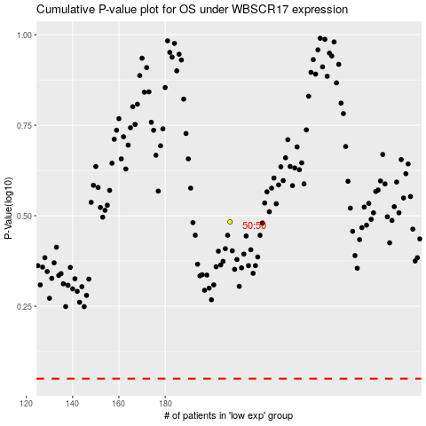

 |  |  |  |  |  | cases_OS | p_OS | rank | exp
 |  |  |  |  |  |  | cases_RFS | p_RFS | rank | exp

