WBSCR22 _multivariate
Reported by Tex Li-Hsing Chi. tex@gate.sinica.edu.tw 2019-08-15

Table 2. The clinicopathological features of HNSCC cohort and WBSCR22 expression. (Chi square test)
Cutoff at -0.325 (45.9%)
 |  | WBSCR22 expression |  | WBSCR22 expression |  | (Optimised)
 | Features | Low | (%) | High | (%) | Case no | P-value | Remark | Matthews
Gender | Female | 136 | 32.8 | 170 | 41 | 415 | 0.4207 | 0 | 0
2 | Male | 54 | 13 | 55 | 13.3
Age at diagnosis | <=65y | 122 | 29.4 | 152 | 36.6 | 415 | 0.54 | 0 | 0
4 | >65y | 68 | 16.4 | 73 | 17.6
Clinical T Status | T1+T2 | 77 | 18.6 | 72 | 17.3 | 415 | 0.0889 | 0 | 0
6 | T3+T4 | 113 | 27.2 | 153 | 36.9
Clinical N Status | N0 | 96 | 23.1 | 120 | 28.9 | 415 | 0.6372 | 0 | 0
8 | N1-3 | 94 | 22.7 | 105 | 25.3
Clinical M Status | M0 | 190 | 45.8 | 222 | 53.5 | 415 | 0.2535 | 0 | 0
10 | M1 | 0 | 0 | 3 | 0.7
Clinical Stage | Stage I+II | 55 | 13.3 | 47 | 11.3 | 415 | 0.0742 | 0 | 0
12 | Stage III+IV | 135 | 32.5 | 178 | 42.9
Surgical Margin status | Negative | 144 | 34.7 | 174 | 41.9 | 415 | 0.7281 | 0 | 0
14 | Positive | 46 | 11.1 | 51 | 12.3
Tobacco Exposure | Low | 93 | 22.4 | 68 | 16.4 | 415 | 1e-04 | 1 | 0
16 | High | 97 | 23.4 | 157 | 37.8

Table 3. Univariate/Multivariate Cox's proportional hazards regression analyses on OS time of WBSCR22 gene expression in HNSCC

 |  | Univariate |  |  |  | Multivariate
 | Features | HR | CI95%(L) | CI95%(H) | P-value | HR | CI95%(L) | CI95%(H) | P-value
1 | Female | 1 |  |  |  | 1
Gender | Male | 1.157 | 0.843 | 1.587 | 0.367 | 1.174 | 0.839 | 1.644 | 0.35
11 | <=65y | 1 |  |  |  | 1
Age at diagnosis | >65y | 1.329 | 0.99 | 1.784 | 0.058 | 1.394 | 1.027 | 1.894 | 0.033
12 | T1+T2 | 1 |  |  |  | 1
Clinical T Status | T3+T4 | 1.409 | 1.028 | 1.931 | 0.033 | 2.189 | 1.159 | 4.136 | 0.016
13 | N0 | 1 |  |  |  | 1
Clinical N Status | N1-3 | 1.185 | 0.89 | 1.577 | 0.246 | 1.251 | 0.876 | 1.785 | 0.218
14 | M0 | 1 |  |  |  | 1
Clinical M Status | M1 | 4.097 | 1.009 | 16.644 | 0.049 | 8.419 | 1.825 | 38.849 | 0.006
15 | Stage I+II | 1 |  |  |  | 1
Clinical Stage | Stage III+IV | 1.245 | 0.882 | 1.759 | 0.213 | 0.496 | 0.231 | 1.064 | 0.072
16 | Negative | 1 |  |  |  | 1
Surgical Margin status | Positive | 1.591 | 1.155 | 2.191 | 0.004 | 1.669 | 1.208 | 2.306 | 0.002
17 | Low | 1 |  |  |  | 1
Tobacco Exposure | High | 1.364 | 1.008 | 1.844 | 0.044 | 1.383 | 0.997 | 1.918 | 0.052
18 | Low | 1 |  |  |  | 1
RNAseq(z-score) | High | 1.372 | 1.023 | 1.839 | 0.035 | 1.254 | 0.926 | 1.697 | 0.143

Table 4. Univariate/Multivariate Cox's proportional hazards regression analyses on RFS time of WBSCR22 gene expression in HNSCC

 |  | Univariate |  |  |  | Multivariate
 | Features | HR | CI95%(L) | CI95%(H) | P-value | HR | CI95%(L) | CI95%(H) | P-value
1 | Female | 1 |  |  |  | 1
Gender | Male | 1.157 | 0.843 | 1.587 | 0.367 | 1.174 | 0.839 | 1.644 | 0.35
11 | <=65y | 1 |  |  |  | 1
Age at diagnosis | >65y | 1.329 | 0.99 | 1.784 | 0.058 | 1.394 | 1.027 | 1.894 | 0.033
12 | T1+T2 | 1 |  |  |  | 1
Clinical T Status | T3+T4 | 1.409 | 1.028 | 1.931 | 0.033 | 2.189 | 1.159 | 4.136 | 0.016
13 | N0 | 1 |  |  |  | 1
Clinical N Status | N1-3 | 1.185 | 0.89 | 1.577 | 0.246 | 1.251 | 0.876 | 1.785 | 0.218
14 | M0 | 1 |  |  |  | 1
Clinical M Status | M1 | 4.097 | 1.009 | 16.644 | 0.049 | 8.419 | 1.825 | 38.849 | 0.006
15 | Stage I+II | 1 |  |  |  | 1
Clinical Stage | Stage III+IV | 1.245 | 0.882 | 1.759 | 0.213 | 0.496 | 0.231 | 1.064 | 0.072
16 | Negative | 1 |  |  |  | 1
Surgical Margin status | Positive | 1.591 | 1.155 | 2.191 | 0.004 | 1.669 | 1.208 | 2.306 | 0.002
17 | Low | 1 |  |  |  | 1
Tobacco Exposure | High | 1.364 | 1.008 | 1.844 | 0.044 | 1.383 | 0.997 | 1.918 | 0.052
18 | Low | 1 |  |  |  | 1
RNAseq(z-score) | High | 1.372 | 1.023 | 1.839 | 0.035 | 1.254 | 0.926 | 1.697 | 0.143

Kaplan-Meier survival estimate: Cutoff at -0.325 (45.9%)

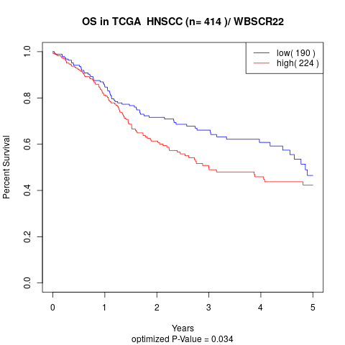

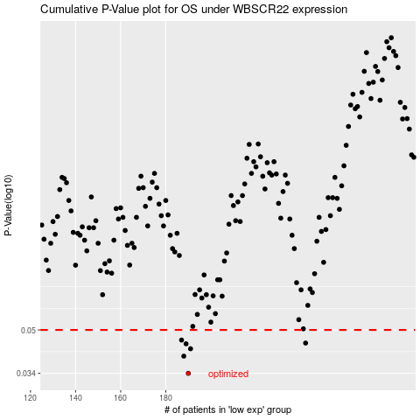

 |  |  |  |  |  | cases_OS | p_OS | rank | exp
 |  |  |  |  |  | 190 | 0.034 | 107 | -0.32533335349
 |  |  |  |  |  | 188 | 0.0396 | 226 | -0.32789691676
 |  |  |  |  |  | 191 | 0.0423 | 248 | -0.31680877735
 |  |  |  |  |  | 189 | 0.0442 | 282 | -0.32786699374
 |  |  |  |  |  | 242 | 0.0445 | 413 | -0.074986169887
 |  |  |  |  |  | 187 | 0.0457 | 341 | -0.33633584025
 |  |  |  |  |  |  | cases_RFS | p_RFS | rank | exp
 |  |  |  |  |  |  | 189 | 0.034 | 282 | -0.32786699374
 |  |  |  |  |  |  | 187 | 0.0396 | 341 | -0.33633584025
 |  |  |  |  |  |  | 190 | 0.0423 | 107 | -0.32533335349
 |  |  |  |  |  |  | 188 | 0.0442 | 226 | -0.32789691676
 |  |  |  |  |  |  | 241 | 0.0445 | 299 | -0.078132836137
 |  |  |  |  |  |  | 186 | 0.0457 | 245 | -0.33969735058

