WBSCR26 _multivariate
Reported by Tex Li-Hsing Chi. tex@gate.sinica.edu.tw 2019-08-15

Table 2. The clinicopathological features of HNSCC cohort and WBSCR26 expression. (Chi square test)
Cutoff at -0.336 (50.0%)
 |  | WBSCR26 expression |  | WBSCR26 expression |  | (Optimised)
 | Features | Low | (%) | High | (%) | Case no | P-value | Remark | Matthews
Gender | Female | 152 | 36.6 | 154 | 37.1 | 415 | 0.9766 | 0 | 0
2 | Male | 55 | 13.3 | 54 | 13
Age at diagnosis | <=65y | 143 | 34.5 | 131 | 31.6 | 415 | 0.2269 | 0 | 0
4 | >65y | 64 | 15.4 | 77 | 18.6
Clinical T Status | T1+T2 | 76 | 18.3 | 73 | 17.6 | 415 | 0.8092 | 0 | 0
6 | T3+T4 | 131 | 31.6 | 135 | 32.5
Clinical N Status | N0 | 108 | 26 | 108 | 26 | 415 | 1 | 0 | 0
8 | N1-3 | 99 | 23.9 | 100 | 24.1
Clinical M Status | M0 | 206 | 49.6 | 206 | 49.6 | 415 | 1 | 0 | 0
10 | M1 | 1 | 0.2 | 2 | 0.5
Clinical Stage | Stage I+II | 52 | 12.5 | 50 | 12 | 415 | 0.8871 | 0 | 0
12 | Stage III+IV | 155 | 37.3 | 158 | 38.1
Surgical Margin status | Negative | 163 | 39.3 | 155 | 37.3 | 415 | 0.3537 | 0 | 0
14 | Positive | 44 | 10.6 | 53 | 12.8
Tobacco Exposure | Low | 86 | 20.7 | 75 | 18.1 | 415 | 0.2687 | 0 | 0
16 | High | 121 | 29.2 | 133 | 32

Table 3. Univariate/Multivariate Cox's proportional hazards regression analyses on OS time of WBSCR26 gene expression in HNSCC

 |  | Univariate |  |  |  | Multivariate
 | Features | HR | CI95%(L) | CI95%(H) | P-value | HR | CI95%(L) | CI95%(H) | P-value
1 | Female | 1 |  |  |  | 1
Gender | Male | 1.157 | 0.843 | 1.587 | 0.367 | 1.201 | 0.86 | 1.677 | 0.282
11 | <=65y | 1 |  |  |  | 1
Age at diagnosis | >65y | 1.329 | 0.99 | 1.784 | 0.058 | 1.386 | 1.02 | 1.883 | 0.037
12 | T1+T2 | 1 |  |  |  | 1
Clinical T Status | T3+T4 | 1.409 | 1.028 | 1.931 | 0.033 | 2.204 | 1.166 | 4.167 | 0.015
13 | N0 | 1 |  |  |  | 1
Clinical N Status | N1-3 | 1.185 | 0.89 | 1.577 | 0.246 | 1.242 | 0.871 | 1.772 | 0.232
14 | M0 | 1 |  |  |  | 1
Clinical M Status | M1 | 4.097 | 1.009 | 16.644 | 0.049 | 9.251 | 2.017 | 42.429 | 0.004
15 | Stage I+II | 1 |  |  |  | 1
Clinical Stage | Stage III+IV | 1.245 | 0.882 | 1.759 | 0.213 | 0.506 | 0.236 | 1.085 | 0.08
16 | Negative | 1 |  |  |  | 1
Surgical Margin status | Positive | 1.591 | 1.155 | 2.191 | 0.004 | 1.652 | 1.194 | 2.285 | 0.002
17 | Low | 1 |  |  |  | 1
Tobacco Exposure | High | 1.364 | 1.008 | 1.844 | 0.044 | 1.436 | 1.042 | 1.979 | 0.027
18 | Low | 1 |  |  |  | 1
RNAseq(z-score) | High | 1.19 | 0.894 | 1.586 | 0.234 | 1.119 | 0.837 | 1.495 | 0.449

Table 4. Univariate/Multivariate Cox's proportional hazards regression analyses on RFS time of WBSCR26 gene expression in HNSCC

 |  | Univariate |  |  |  | Multivariate
 | Features | HR | CI95%(L) | CI95%(H) | P-value | HR | CI95%(L) | CI95%(H) | P-value
1 | Female | 1 |  |  |  | 1
Gender | Male | 1.157 | 0.843 | 1.587 | 0.367 | 1.201 | 0.86 | 1.677 | 0.282
11 | <=65y | 1 |  |  |  | 1
Age at diagnosis | >65y | 1.329 | 0.99 | 1.784 | 0.058 | 1.386 | 1.02 | 1.883 | 0.037
12 | T1+T2 | 1 |  |  |  | 1
Clinical T Status | T3+T4 | 1.409 | 1.028 | 1.931 | 0.033 | 2.204 | 1.166 | 4.167 | 0.015
13 | N0 | 1 |  |  |  | 1
Clinical N Status | N1-3 | 1.185 | 0.89 | 1.577 | 0.246 | 1.242 | 0.871 | 1.772 | 0.232
14 | M0 | 1 |  |  |  | 1
Clinical M Status | M1 | 4.097 | 1.009 | 16.644 | 0.049 | 9.251 | 2.017 | 42.429 | 0.004
15 | Stage I+II | 1 |  |  |  | 1
Clinical Stage | Stage III+IV | 1.245 | 0.882 | 1.759 | 0.213 | 0.506 | 0.236 | 1.085 | 0.08
16 | Negative | 1 |  |  |  | 1
Surgical Margin status | Positive | 1.591 | 1.155 | 2.191 | 0.004 | 1.652 | 1.194 | 2.285 | 0.002
17 | Low | 1 |  |  |  | 1
Tobacco Exposure | High | 1.364 | 1.008 | 1.844 | 0.044 | 1.436 | 1.042 | 1.979 | 0.027
18 | Low | 1 |  |  |  | 1
RNAseq(z-score) | High | 1.19 | 0.894 | 1.586 | 0.234 | 1.119 | 0.837 | 1.495 | 0.449

Kaplan-Meier survival estimate: Cutoff at -0.336 (50.0%)



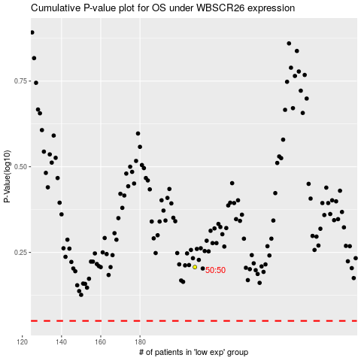

 |  |  |  |  |  | cases_OS | p_OS | rank | exp
 |  |  |  |  |  |  | cases_RFS | p_RFS | rank | exp

