WBSCR27 _multivariate
Reported by Tex Li-Hsing Chi. tex@gate.sinica.edu.tw 2019-08-15

Table 2. The clinicopathological features of HNSCC cohort and WBSCR27 expression. (Chi square test)
Cutoff at -0.141 (69.8%)
 |  | WBSCR27 expression |  | WBSCR27 expression |  | (Optimised)
 | Features | Low | (%) | High | (%) | Case no | P-value | Remark | Matthews
Gender | Female | 208 | 50.1 | 98 | 23.6 | 415 | 0.1949 | 0 | 0
2 | Male | 82 | 19.8 | 27 | 6.5
Age at diagnosis | <=65y | 191 | 46 | 83 | 20 | 415 | 1 | 0 | 0
4 | >65y | 99 | 23.9 | 42 | 10.1
Clinical T Status | T1+T2 | 102 | 24.6 | 47 | 11.3 | 415 | 0.7178 | 0 | 0
6 | T3+T4 | 188 | 45.3 | 78 | 18.8
Clinical N Status | N0 | 149 | 35.9 | 67 | 16.1 | 415 | 0.7578 | 0 | 0
8 | N1-3 | 141 | 34 | 58 | 14
Clinical M Status | M0 | 289 | 69.6 | 123 | 29.6 | 415 | 0.2169 | 0 | 0
10 | M1 | 1 | 0.2 | 2 | 0.5
Clinical Stage | Stage I+II | 71 | 17.1 | 31 | 7.5 | 415 | 1 | 0 | 0
12 | Stage III+IV | 219 | 52.8 | 94 | 22.7
Surgical Margin status | Negative | 230 | 55.4 | 88 | 21.2 | 415 | 0.0579 | 0 | 0
14 | Positive | 60 | 14.5 | 37 | 8.9
Tobacco Exposure | Low | 123 | 29.6 | 38 | 9.2 | 415 | 0.0216 | 1 | 0
16 | High | 167 | 40.2 | 87 | 21

Table 3. Univariate/Multivariate Cox's proportional hazards regression analyses on OS time of WBSCR27 gene expression in HNSCC

 |  | Univariate |  |  |  | Multivariate
 | Features | HR | CI95%(L) | CI95%(H) | P-value | HR | CI95%(L) | CI95%(H) | P-value
1 | Female | 1 |  |  |  | 1
Gender | Male | 1.157 | 0.843 | 1.587 | 0.367 | 1.238 | 0.885 | 1.733 | 0.213
11 | <=65y | 1 |  |  |  | 1
Age at diagnosis | >65y | 1.329 | 0.99 | 1.784 | 0.058 | 1.383 | 1.018 | 1.878 | 0.038
12 | T1+T2 | 1 |  |  |  | 1
Clinical T Status | T3+T4 | 1.409 | 1.028 | 1.931 | 0.033 | 2.284 | 1.207 | 4.321 | 0.011
13 | N0 | 1 |  |  |  | 1
Clinical N Status | N1-3 | 1.185 | 0.89 | 1.577 | 0.246 | 1.255 | 0.879 | 1.791 | 0.211
14 | M0 | 1 |  |  |  | 1
Clinical M Status | M1 | 4.097 | 1.009 | 16.644 | 0.049 | 8.938 | 1.947 | 41.033 | 0.005
15 | Stage I+II | 1 |  |  |  | 1
Clinical Stage | Stage III+IV | 1.245 | 0.882 | 1.759 | 0.213 | 0.486 | 0.226 | 1.042 | 0.064
16 | Negative | 1 |  |  |  | 1
Surgical Margin status | Positive | 1.591 | 1.155 | 2.191 | 0.004 | 1.611 | 1.162 | 2.232 | 0.004
17 | Low | 1 |  |  |  | 1
Tobacco Exposure | High | 1.364 | 1.008 | 1.844 | 0.044 | 1.416 | 1.027 | 1.952 | 0.034
18 | Low | 1 |  |  |  | 1
RNAseq(z-score) | High | 1.384 | 1.019 | 1.88 | 0.037 | 1.334 | 0.974 | 1.827 | 0.072

Table 4. Univariate/Multivariate Cox's proportional hazards regression analyses on RFS time of WBSCR27 gene expression in HNSCC

 |  | Univariate |  |  |  | Multivariate
 | Features | HR | CI95%(L) | CI95%(H) | P-value | HR | CI95%(L) | CI95%(H) | P-value
1 | Female | 1 |  |  |  | 1
Gender | Male | 1.157 | 0.843 | 1.587 | 0.367 | 1.238 | 0.885 | 1.733 | 0.213
11 | <=65y | 1 |  |  |  | 1
Age at diagnosis | >65y | 1.329 | 0.99 | 1.784 | 0.058 | 1.383 | 1.018 | 1.878 | 0.038
12 | T1+T2 | 1 |  |  |  | 1
Clinical T Status | T3+T4 | 1.409 | 1.028 | 1.931 | 0.033 | 2.284 | 1.207 | 4.321 | 0.011
13 | N0 | 1 |  |  |  | 1
Clinical N Status | N1-3 | 1.185 | 0.89 | 1.577 | 0.246 | 1.255 | 0.879 | 1.791 | 0.211
14 | M0 | 1 |  |  |  | 1
Clinical M Status | M1 | 4.097 | 1.009 | 16.644 | 0.049 | 8.938 | 1.947 | 41.033 | 0.005
15 | Stage I+II | 1 |  |  |  | 1
Clinical Stage | Stage III+IV | 1.245 | 0.882 | 1.759 | 0.213 | 0.486 | 0.226 | 1.042 | 0.064
16 | Negative | 1 |  |  |  | 1
Surgical Margin status | Positive | 1.591 | 1.155 | 2.191 | 0.004 | 1.611 | 1.162 | 2.232 | 0.004
17 | Low | 1 |  |  |  | 1
Tobacco Exposure | High | 1.364 | 1.008 | 1.844 | 0.044 | 1.416 | 1.027 | 1.952 | 0.034
18 | Low | 1 |  |  |  | 1
RNAseq(z-score) | High | 1.384 | 1.019 | 1.88 | 0.037 | 1.334 | 0.974 | 1.827 | 0.072

Kaplan-Meier survival estimate: Cutoff at -0.141 (69.8%)



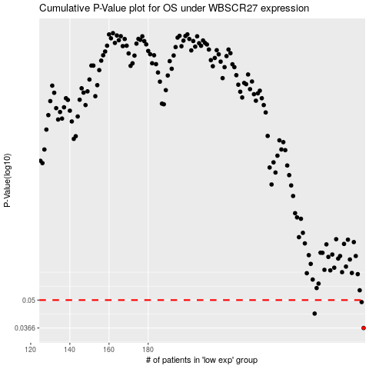

 |  |  |  |  |  | cases_OS | p_OS | rank | exp
 |  |  |  |  |  | 290 | 0.0366 | 92 | -0.14130426648
 |  |  |  |  |  | 265 | 0.043 | 227 | -0.24680856676
 |  |  |  |  |  | 289 | 0.0489 | 73 | -0.14301053549
 |  |  |  |  |  |  | cases_RFS | p_RFS | rank | exp
 |  |  |  |  |  |  | 289 | 0.0366 | 73 | -0.14301053549
 |  |  |  |  |  |  | 264 | 0.043 | 231 | -0.2495285603
 |  |  |  |  |  |  | 288 | 0.0489 | 386 | -0.16806425208

