WDFY1 _multivariate
Reported by Tex Li-Hsing Chi. tex@gate.sinica.edu.tw 2019-08-15

Table 2. The clinicopathological features of HNSCC cohort and WDFY1 expression. (Chi square test)
Cutoff at -0.128 (49.8%)
 |  | WDFY1 expression |  | WDFY1 expression |  | (Optimised)
 | Features | Low | (%) | High | (%) | Case no | P-value | Remark | Matthews
Gender | Female | 158 | 38.1 | 148 | 35.7 | 415 | 0.2774 | 0 | 0
2 | Male | 49 | 11.8 | 60 | 14.5
Age at diagnosis | <=65y | 140 | 33.7 | 134 | 32.3 | 415 | 0.5574 | 0 | 0
4 | >65y | 67 | 16.1 | 74 | 17.8
Clinical T Status | T1+T2 | 68 | 16.4 | 81 | 19.5 | 415 | 0.2336 | 0 | 0
6 | T3+T4 | 139 | 33.5 | 127 | 30.6
Clinical N Status | N0 | 117 | 28.2 | 99 | 23.9 | 415 | 0.0852 | 1 | 0
8 | N1-3 | 90 | 21.7 | 109 | 26.3
Clinical M Status | M0 | 204 | 49.2 | 208 | 50.1 | 415 | 0.1232 | 0 | 0
10 | M1 | 3 | 0.7 | 0 | 0
Clinical Stage | Stage I+II | 49 | 11.8 | 53 | 12.8 | 415 | 0.7535 | 0 | 0
12 | Stage III+IV | 158 | 38.1 | 155 | 37.3
Surgical Margin status | Negative | 155 | 37.3 | 163 | 39.3 | 415 | 0.4187 | 0 | 0
14 | Positive | 52 | 12.5 | 45 | 10.8
Tobacco Exposure | Low | 77 | 18.6 | 84 | 20.2 | 415 | 0.5459 | 0 | 0
16 | High | 130 | 31.3 | 124 | 29.9

Table 3. Univariate/Multivariate Cox's proportional hazards regression analyses on OS time of WDFY1 gene expression in HNSCC

 |  | Univariate |  |  |  | Multivariate
 | Features | HR | CI95%(L) | CI95%(H) | P-value | HR | CI95%(L) | CI95%(H) | P-value
1 | Female | 1 |  |  |  | 1
Gender | Male | 1.157 | 0.843 | 1.587 | 0.367 | 1.201 | 0.86 | 1.677 | 0.283
11 | <=65y | 1 |  |  |  | 1
Age at diagnosis | >65y | 1.329 | 0.99 | 1.784 | 0.058 | 1.387 | 1.02 | 1.887 | 0.037
12 | T1+T2 | 1 |  |  |  | 1
Clinical T Status | T3+T4 | 1.409 | 1.028 | 1.931 | 0.033 | 2.23 | 1.178 | 4.223 | 0.014
13 | N0 | 1 |  |  |  | 1
Clinical N Status | N1-3 | 1.185 | 0.89 | 1.577 | 0.246 | 1.233 | 0.864 | 1.761 | 0.249
14 | M0 | 1 |  |  |  | 1
Clinical M Status | M1 | 4.097 | 1.009 | 16.644 | 0.049 | 9.996 | 2.153 | 46.397 | 0.003
15 | Stage I+II | 1 |  |  |  | 1
Clinical Stage | Stage III+IV | 1.245 | 0.882 | 1.759 | 0.213 | 0.501 | 0.233 | 1.076 | 0.076
16 | Negative | 1 |  |  |  | 1
Surgical Margin status | Positive | 1.591 | 1.155 | 2.191 | 0.004 | 1.681 | 1.216 | 2.324 | 0.002
17 | Low | 1 |  |  |  | 1
Tobacco Exposure | High | 1.364 | 1.008 | 1.844 | 0.044 | 1.462 | 1.061 | 2.016 | 0.02
18 | Low | 1 |  |  |  | 1
RNAseq(z-score) | High | 1.009 | 0.757 | 1.344 | 0.952 | 1.097 | 0.819 | 1.468 | 0.535

Table 4. Univariate/Multivariate Cox's proportional hazards regression analyses on RFS time of WDFY1 gene expression in HNSCC

 |  | Univariate |  |  |  | Multivariate
 | Features | HR | CI95%(L) | CI95%(H) | P-value | HR | CI95%(L) | CI95%(H) | P-value
1 | Female | 1 |  |  |  | 1
Gender | Male | 1.157 | 0.843 | 1.587 | 0.367 | 1.201 | 0.86 | 1.677 | 0.283
11 | <=65y | 1 |  |  |  | 1
Age at diagnosis | >65y | 1.329 | 0.99 | 1.784 | 0.058 | 1.387 | 1.02 | 1.887 | 0.037
12 | T1+T2 | 1 |  |  |  | 1
Clinical T Status | T3+T4 | 1.409 | 1.028 | 1.931 | 0.033 | 2.23 | 1.178 | 4.223 | 0.014
13 | N0 | 1 |  |  |  | 1
Clinical N Status | N1-3 | 1.185 | 0.89 | 1.577 | 0.246 | 1.233 | 0.864 | 1.761 | 0.249
14 | M0 | 1 |  |  |  | 1
Clinical M Status | M1 | 4.097 | 1.009 | 16.644 | 0.049 | 9.996 | 2.153 | 46.397 | 0.003
15 | Stage I+II | 1 |  |  |  | 1
Clinical Stage | Stage III+IV | 1.245 | 0.882 | 1.759 | 0.213 | 0.501 | 0.233 | 1.076 | 0.076
16 | Negative | 1 |  |  |  | 1
Surgical Margin status | Positive | 1.591 | 1.155 | 2.191 | 0.004 | 1.681 | 1.216 | 2.324 | 0.002
17 | Low | 1 |  |  |  | 1
Tobacco Exposure | High | 1.364 | 1.008 | 1.844 | 0.044 | 1.462 | 1.061 | 2.016 | 0.02
18 | Low | 1 |  |  |  | 1
RNAseq(z-score) | High | 1.009 | 0.757 | 1.344 | 0.952 | 1.097 | 0.819 | 1.468 | 0.535

Kaplan-Meier survival estimate: Cutoff at -0.128 (49.8%)

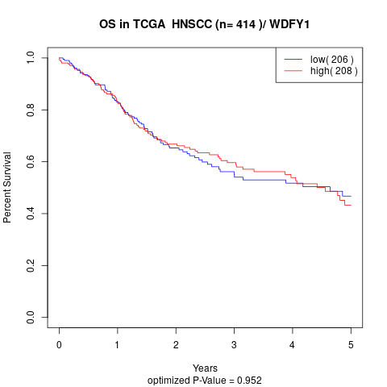

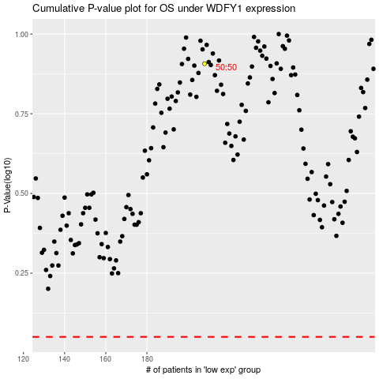

 |  |  |  |  |  | cases_OS | p_OS | rank | exp
 |  |  |  |  |  |  | cases_RFS | p_RFS | rank | exp

