WDFY2 _multivariate
Reported by Tex Li-Hsing Chi. tex@gate.sinica.edu.tw 2019-08-15

Table 2. The clinicopathological features of HNSCC cohort and WDFY2 expression. (Chi square test)
Cutoff at -0.092 (50.0%)
 |  | WDFY2 expression |  | WDFY2 expression |  | (Optimised)
 | Features | Low | (%) | High | (%) | Case no | P-value | Remark | Matthews
Gender | Female | 161 | 38.8 | 145 | 34.9 | 415 | 0.0792 | 0 | 0
2 | Male | 46 | 11.1 | 63 | 15.2
Age at diagnosis | <=65y | 139 | 33.5 | 135 | 32.5 | 415 | 0.7044 | 0 | 0
4 | >65y | 68 | 16.4 | 73 | 17.6
Clinical T Status | T1+T2 | 84 | 20.2 | 65 | 15.7 | 415 | 0.0603 | 0 | 0
6 | T3+T4 | 123 | 29.6 | 143 | 34.5
Clinical N Status | N0 | 97 | 23.4 | 119 | 28.7 | 415 | 0.0442 | 1 | 0
8 | N1-3 | 110 | 26.5 | 89 | 21.4
Clinical M Status | M0 | 206 | 49.6 | 206 | 49.6 | 415 | 1 | 0 | 0
10 | M1 | 1 | 0.2 | 2 | 0.5
Clinical Stage | Stage I+II | 54 | 13 | 48 | 11.6 | 415 | 0.5498 | 0 | 0
12 | Stage III+IV | 153 | 36.9 | 160 | 38.6
Surgical Margin status | Negative | 155 | 37.3 | 163 | 39.3 | 415 | 0.4187 | 0 | 0
14 | Positive | 52 | 12.5 | 45 | 10.8
Tobacco Exposure | Low | 75 | 18.1 | 86 | 20.7 | 415 | 0.3141 | 0 | 0
16 | High | 132 | 31.8 | 122 | 29.4

Table 3. Univariate/Multivariate Cox's proportional hazards regression analyses on OS time of WDFY2 gene expression in HNSCC

 |  | Univariate |  |  |  | Multivariate
 | Features | HR | CI95%(L) | CI95%(H) | P-value | HR | CI95%(L) | CI95%(H) | P-value
1 | Female | 1 |  |  |  | 1
Gender | Male | 1.157 | 0.843 | 1.587 | 0.367 | 1.198 | 0.857 | 1.676 | 0.29
11 | <=65y | 1 |  |  |  | 1
Age at diagnosis | >65y | 1.329 | 0.99 | 1.784 | 0.058 | 1.392 | 1.024 | 1.893 | 0.035
12 | T1+T2 | 1 |  |  |  | 1
Clinical T Status | T3+T4 | 1.409 | 1.028 | 1.931 | 0.033 | 2.193 | 1.159 | 4.151 | 0.016
13 | N0 | 1 |  |  |  | 1
Clinical N Status | N1-3 | 1.185 | 0.89 | 1.577 | 0.246 | 1.25 | 0.871 | 1.794 | 0.225
14 | M0 | 1 |  |  |  | 1
Clinical M Status | M1 | 4.097 | 1.009 | 16.644 | 0.049 | 9.305 | 2.025 | 42.77 | 0.004
15 | Stage I+II | 1 |  |  |  | 1
Clinical Stage | Stage III+IV | 1.245 | 0.882 | 1.759 | 0.213 | 0.503 | 0.234 | 1.081 | 0.078
16 | Negative | 1 |  |  |  | 1
Surgical Margin status | Positive | 1.591 | 1.155 | 2.191 | 0.004 | 1.673 | 1.211 | 2.312 | 0.002
17 | Low | 1 |  |  |  | 1
Tobacco Exposure | High | 1.364 | 1.008 | 1.844 | 0.044 | 1.459 | 1.057 | 2.015 | 0.022
18 | Low | 1 |  |  |  | 1
RNAseq(z-score) | High | 1.019 | 0.765 | 1.358 | 0.897 | 1.036 | 0.77 | 1.394 | 0.816

Table 4. Univariate/Multivariate Cox's proportional hazards regression analyses on RFS time of WDFY2 gene expression in HNSCC

 |  | Univariate |  |  |  | Multivariate
 | Features | HR | CI95%(L) | CI95%(H) | P-value | HR | CI95%(L) | CI95%(H) | P-value
1 | Female | 1 |  |  |  | 1
Gender | Male | 1.157 | 0.843 | 1.587 | 0.367 | 1.198 | 0.857 | 1.676 | 0.29
11 | <=65y | 1 |  |  |  | 1
Age at diagnosis | >65y | 1.329 | 0.99 | 1.784 | 0.058 | 1.392 | 1.024 | 1.893 | 0.035
12 | T1+T2 | 1 |  |  |  | 1
Clinical T Status | T3+T4 | 1.409 | 1.028 | 1.931 | 0.033 | 2.193 | 1.159 | 4.151 | 0.016
13 | N0 | 1 |  |  |  | 1
Clinical N Status | N1-3 | 1.185 | 0.89 | 1.577 | 0.246 | 1.25 | 0.871 | 1.794 | 0.225
14 | M0 | 1 |  |  |  | 1
Clinical M Status | M1 | 4.097 | 1.009 | 16.644 | 0.049 | 9.305 | 2.025 | 42.77 | 0.004
15 | Stage I+II | 1 |  |  |  | 1
Clinical Stage | Stage III+IV | 1.245 | 0.882 | 1.759 | 0.213 | 0.503 | 0.234 | 1.081 | 0.078
16 | Negative | 1 |  |  |  | 1
Surgical Margin status | Positive | 1.591 | 1.155 | 2.191 | 0.004 | 1.673 | 1.211 | 2.312 | 0.002
17 | Low | 1 |  |  |  | 1
Tobacco Exposure | High | 1.364 | 1.008 | 1.844 | 0.044 | 1.459 | 1.057 | 2.015 | 0.022
18 | Low | 1 |  |  |  | 1
RNAseq(z-score) | High | 1.019 | 0.765 | 1.358 | 0.897 | 1.036 | 0.77 | 1.394 | 0.816

Kaplan-Meier survival estimate: Cutoff at -0.092 (50.0%)



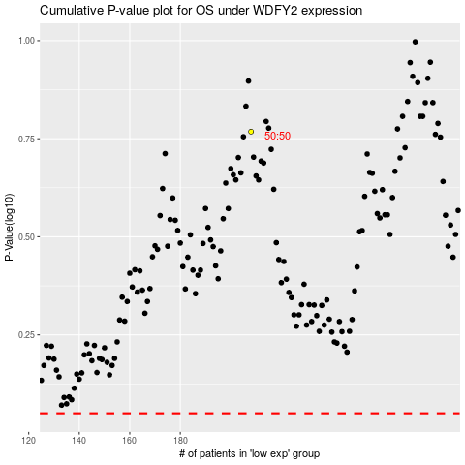

 |  |  |  |  |  | cases_OS | p_OS | rank | exp
 |  |  |  |  |  |  | cases_RFS | p_RFS | rank | exp

