WDR11 _multivariate
Reported by Tex Li-Hsing Chi. tex@gate.sinica.edu.tw 2019-08-15

Table 2. The clinicopathological features of HNSCC cohort and WDR11 expression. (Chi square test)
Cutoff at -0.104 (50.0%)
 |  | WDR11 expression |  | WDR11 expression |  | (Optimised)
 | Features | Low | (%) | High | (%) | Case no | P-value | Remark | Matthews
Gender | Female | 149 | 35.9 | 157 | 37.8 | 415 | 0.4848 | 0 | 0
2 | Male | 58 | 14 | 51 | 12.3
Age at diagnosis | <=65y | 139 | 33.5 | 135 | 32.5 | 415 | 0.7044 | 0 | 0
4 | >65y | 68 | 16.4 | 73 | 17.6
Clinical T Status | T1+T2 | 79 | 19 | 70 | 16.9 | 415 | 0.3924 | 0 | 0
6 | T3+T4 | 128 | 30.8 | 138 | 33.3
Clinical N Status | N0 | 114 | 27.5 | 102 | 24.6 | 415 | 0.2576 | 1 | 0
8 | N1-3 | 93 | 22.4 | 106 | 25.5
Clinical M Status | M0 | 205 | 49.4 | 207 | 49.9 | 415 | 0.6232 | 0 | 0
10 | M1 | 2 | 0.5 | 1 | 0.2
Clinical Stage | Stage I+II | 56 | 13.5 | 46 | 11.1 | 415 | 0.2918 | 0 | 0
12 | Stage III+IV | 151 | 36.4 | 162 | 39
Surgical Margin status | Negative | 161 | 38.8 | 157 | 37.8 | 415 | 0.6429 | 0 | 0
14 | Positive | 46 | 11.1 | 51 | 12.3
Tobacco Exposure | Low | 71 | 17.1 | 90 | 21.7 | 415 | 0.0698 | 0 | 0
16 | High | 136 | 32.8 | 118 | 28.4

Table 3. Univariate/Multivariate Cox's proportional hazards regression analyses on OS time of WDR11 gene expression in HNSCC

 |  | Univariate |  |  |  | Multivariate
 | Features | HR | CI95%(L) | CI95%(H) | P-value | HR | CI95%(L) | CI95%(H) | P-value
1 | Female | 1 |  |  |  | 1
Gender | Male | 1.157 | 0.843 | 1.587 | 0.367 | 1.202 | 0.859 | 1.682 | 0.283
11 | <=65y | 1 |  |  |  | 1
Age at diagnosis | >65y | 1.329 | 0.99 | 1.784 | 0.058 | 1.392 | 1.023 | 1.892 | 0.035
12 | T1+T2 | 1 |  |  |  | 1
Clinical T Status | T3+T4 | 1.409 | 1.028 | 1.931 | 0.033 | 2.203 | 1.165 | 4.165 | 0.015
13 | N0 | 1 |  |  |  | 1
Clinical N Status | N1-3 | 1.185 | 0.89 | 1.577 | 0.246 | 1.241 | 0.869 | 1.771 | 0.236
14 | M0 | 1 |  |  |  | 1
Clinical M Status | M1 | 4.097 | 1.009 | 16.644 | 0.049 | 9.417 | 2.044 | 43.373 | 0.004
15 | Stage I+II | 1 |  |  |  | 1
Clinical Stage | Stage III+IV | 1.245 | 0.882 | 1.759 | 0.213 | 0.504 | 0.235 | 1.083 | 0.079
16 | Negative | 1 |  |  |  | 1
Surgical Margin status | Positive | 1.591 | 1.155 | 2.191 | 0.004 | 1.672 | 1.21 | 2.31 | 0.002
17 | Low | 1 |  |  |  | 1
Tobacco Exposure | High | 1.364 | 1.008 | 1.844 | 0.044 | 1.454 | 1.05 | 2.012 | 0.024
18 | Low | 1 |  |  |  | 1
RNAseq(z-score) | High | 0.944 | 0.708 | 1.258 | 0.693 | 1.003 | 0.747 | 1.346 | 0.986

Table 4. Univariate/Multivariate Cox's proportional hazards regression analyses on RFS time of WDR11 gene expression in HNSCC

 |  | Univariate |  |  |  | Multivariate
 | Features | HR | CI95%(L) | CI95%(H) | P-value | HR | CI95%(L) | CI95%(H) | P-value
1 | Female | 1 |  |  |  | 1
Gender | Male | 1.157 | 0.843 | 1.587 | 0.367 | 1.202 | 0.859 | 1.682 | 0.283
11 | <=65y | 1 |  |  |  | 1
Age at diagnosis | >65y | 1.329 | 0.99 | 1.784 | 0.058 | 1.392 | 1.023 | 1.892 | 0.035
12 | T1+T2 | 1 |  |  |  | 1
Clinical T Status | T3+T4 | 1.409 | 1.028 | 1.931 | 0.033 | 2.203 | 1.165 | 4.165 | 0.015
13 | N0 | 1 |  |  |  | 1
Clinical N Status | N1-3 | 1.185 | 0.89 | 1.577 | 0.246 | 1.241 | 0.869 | 1.771 | 0.236
14 | M0 | 1 |  |  |  | 1
Clinical M Status | M1 | 4.097 | 1.009 | 16.644 | 0.049 | 9.417 | 2.044 | 43.373 | 0.004
15 | Stage I+II | 1 |  |  |  | 1
Clinical Stage | Stage III+IV | 1.245 | 0.882 | 1.759 | 0.213 | 0.504 | 0.235 | 1.083 | 0.079
16 | Negative | 1 |  |  |  | 1
Surgical Margin status | Positive | 1.591 | 1.155 | 2.191 | 0.004 | 1.672 | 1.21 | 2.31 | 0.002
17 | Low | 1 |  |  |  | 1
Tobacco Exposure | High | 1.364 | 1.008 | 1.844 | 0.044 | 1.454 | 1.05 | 2.012 | 0.024
18 | Low | 1 |  |  |  | 1
RNAseq(z-score) | High | 0.944 | 0.708 | 1.258 | 0.693 | 1.003 | 0.747 | 1.346 | 0.986

Kaplan-Meier survival estimate: Cutoff at -0.104 (50.0%)



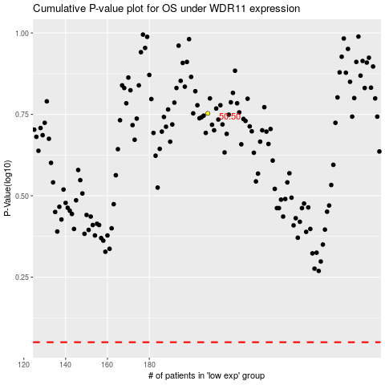

 |  |  |  |  |  | cases_OS | p_OS | rank | exp
 |  |  |  |  |  |  | cases_RFS | p_RFS | rank | exp

