WDR16 _multivariate
Reported by Tex Li-Hsing Chi. tex@gate.sinica.edu.tw 2019-08-15

Table 2. The clinicopathological features of HNSCC cohort and WDR16 expression. (Chi square test)
Cutoff at -0.098 (50.0%)
 |  | WDR16 expression |  | WDR16 expression |  | (Optimised)
 | Features | Low | (%) | High | (%) | Case no | P-value | Remark | Matthews
Gender | Female | 153 | 36.9 | 153 | 36.9 | 415 | 1 | 0 | 0
2 | Male | 54 | 13 | 55 | 13.3
Age at diagnosis | <=65y | 140 | 33.7 | 134 | 32.3 | 415 | 0.5574 | 0 | 0
4 | >65y | 67 | 16.1 | 74 | 17.8
Clinical T Status | T1+T2 | 86 | 20.7 | 63 | 15.2 | 415 | 0.0221 | 1 | 0
6 | T3+T4 | 121 | 29.2 | 145 | 34.9
Clinical N Status | N0 | 110 | 26.5 | 106 | 25.5 | 415 | 0.7294 | 0 | 0
8 | N1-3 | 97 | 23.4 | 102 | 24.6
Clinical M Status | M0 | 207 | 49.9 | 205 | 49.4 | 415 | 0.2482 | 0 | 0
10 | M1 | 0 | 0 | 3 | 0.7
Clinical Stage | Stage I+II | 62 | 14.9 | 40 | 9.6 | 415 | 0.0154 | 1 | 0
12 | Stage III+IV | 145 | 34.9 | 168 | 40.5
Surgical Margin status | Negative | 164 | 39.5 | 154 | 37.1 | 415 | 0.2462 | 0 | 0
14 | Positive | 43 | 10.4 | 54 | 13
Tobacco Exposure | Low | 83 | 20 | 78 | 18.8 | 415 | 0.6152 | 0 | 0
16 | High | 124 | 29.9 | 130 | 31.3

Table 3. Univariate/Multivariate Cox's proportional hazards regression analyses on OS time of WDR16 gene expression in HNSCC

 |  | Univariate |  |  |  | Multivariate
 | Features | HR | CI95%(L) | CI95%(H) | P-value | HR | CI95%(L) | CI95%(H) | P-value
1 | Female | 1 |  |  |  | 1
Gender | Male | 1.157 | 0.843 | 1.587 | 0.367 | 1.226 | 0.877 | 1.715 | 0.234
11 | <=65y | 1 |  |  |  | 1
Age at diagnosis | >65y | 1.329 | 0.99 | 1.784 | 0.058 | 1.406 | 1.033 | 1.913 | 0.03
12 | T1+T2 | 1 |  |  |  | 1
Clinical T Status | T3+T4 | 1.409 | 1.028 | 1.931 | 0.033 | 2.247 | 1.188 | 4.253 | 0.013
13 | N0 | 1 |  |  |  | 1
Clinical N Status | N1-3 | 1.185 | 0.89 | 1.577 | 0.246 | 1.217 | 0.852 | 1.738 | 0.281
14 | M0 | 1 |  |  |  | 1
Clinical M Status | M1 | 4.097 | 1.009 | 16.644 | 0.049 | 10.625 | 2.283 | 49.451 | 0.003
15 | Stage I+II | 1 |  |  |  | 1
Clinical Stage | Stage III+IV | 1.245 | 0.882 | 1.759 | 0.213 | 0.512 | 0.238 | 1.099 | 0.086
16 | Negative | 1 |  |  |  | 1
Surgical Margin status | Positive | 1.591 | 1.155 | 2.191 | 0.004 | 1.693 | 1.224 | 2.341 | 0.001
17 | Low | 1 |  |  |  | 1
Tobacco Exposure | High | 1.364 | 1.008 | 1.844 | 0.044 | 1.484 | 1.075 | 2.048 | 0.016
18 | Low | 1 |  |  |  | 1
RNAseq(z-score) | High | 0.96 | 0.721 | 1.279 | 0.78 | 0.84 | 0.624 | 1.13 | 0.249

Table 4. Univariate/Multivariate Cox's proportional hazards regression analyses on RFS time of WDR16 gene expression in HNSCC

 |  | Univariate |  |  |  | Multivariate
 | Features | HR | CI95%(L) | CI95%(H) | P-value | HR | CI95%(L) | CI95%(H) | P-value
1 | Female | 1 |  |  |  | 1
Gender | Male | 1.157 | 0.843 | 1.587 | 0.367 | 1.226 | 0.877 | 1.715 | 0.234
11 | <=65y | 1 |  |  |  | 1
Age at diagnosis | >65y | 1.329 | 0.99 | 1.784 | 0.058 | 1.406 | 1.033 | 1.913 | 0.03
12 | T1+T2 | 1 |  |  |  | 1
Clinical T Status | T3+T4 | 1.409 | 1.028 | 1.931 | 0.033 | 2.247 | 1.188 | 4.253 | 0.013
13 | N0 | 1 |  |  |  | 1
Clinical N Status | N1-3 | 1.185 | 0.89 | 1.577 | 0.246 | 1.217 | 0.852 | 1.738 | 0.281
14 | M0 | 1 |  |  |  | 1
Clinical M Status | M1 | 4.097 | 1.009 | 16.644 | 0.049 | 10.625 | 2.283 | 49.451 | 0.003
15 | Stage I+II | 1 |  |  |  | 1
Clinical Stage | Stage III+IV | 1.245 | 0.882 | 1.759 | 0.213 | 0.512 | 0.238 | 1.099 | 0.086
16 | Negative | 1 |  |  |  | 1
Surgical Margin status | Positive | 1.591 | 1.155 | 2.191 | 0.004 | 1.693 | 1.224 | 2.341 | 0.001
17 | Low | 1 |  |  |  | 1
Tobacco Exposure | High | 1.364 | 1.008 | 1.844 | 0.044 | 1.484 | 1.075 | 2.048 | 0.016
18 | Low | 1 |  |  |  | 1
RNAseq(z-score) | High | 0.96 | 0.721 | 1.279 | 0.78 | 0.84 | 0.624 | 1.13 | 0.249

Kaplan-Meier survival estimate: Cutoff at -0.098 (50.0%)



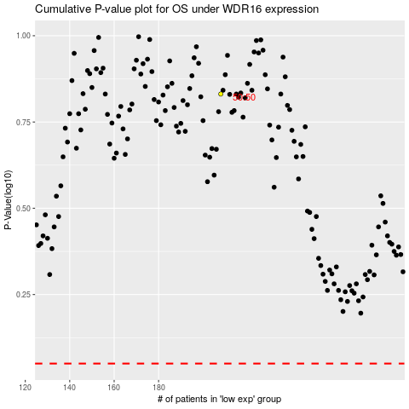

 |  |  |  |  |  | cases_OS | p_OS | rank | exp
 |  |  |  |  |  |  | cases_RFS | p_RFS | rank | exp

