WDR19 _multivariate
Reported by Tex Li-Hsing Chi. tex@gate.sinica.edu.tw 2019-08-15

Table 2. The clinicopathological features of HNSCC cohort and WDR19 expression. (Chi square test)
Cutoff at 0.078 (69.8%)
 |  | WDR19 expression |  | WDR19 expression |  | (Optimised)
 | Features | Low | (%) | High | (%) | Case no | P-value | Remark | Matthews
Gender | Female | 209 | 50.4 | 97 | 23.4 | 415 | 0.2923 | 0 | 0
2 | Male | 81 | 19.5 | 28 | 6.7
Age at diagnosis | <=65y | 189 | 45.5 | 85 | 20.5 | 415 | 0.6563 | 0 | 0
4 | >65y | 101 | 24.3 | 40 | 9.6
Clinical T Status | T1+T2 | 96 | 23.1 | 53 | 12.8 | 415 | 0.0892 | 0 | 0
6 | T3+T4 | 194 | 46.7 | 72 | 17.3
Clinical N Status | N0 | 158 | 38.1 | 58 | 14 | 415 | 0.16 | 0 | 0
8 | N1-3 | 132 | 31.8 | 67 | 16.1
Clinical M Status | M0 | 288 | 69.4 | 124 | 29.9 | 415 | 1 | 0 | 0
10 | M1 | 2 | 0.5 | 1 | 0.2
Clinical Stage | Stage I+II | 70 | 16.9 | 32 | 7.7 | 415 | 0.8469 | 0 | 0
12 | Stage III+IV | 220 | 53 | 93 | 22.4
Surgical Margin status | Negative | 227 | 54.7 | 91 | 21.9 | 415 | 0.2554 | 0 | 0
14 | Positive | 63 | 15.2 | 34 | 8.2
Tobacco Exposure | Low | 111 | 26.7 | 50 | 12 | 415 | 0.7432 | 0 | 0
16 | High | 179 | 43.1 | 75 | 18.1

Table 3. Univariate/Multivariate Cox's proportional hazards regression analyses on OS time of WDR19 gene expression in HNSCC

 |  | Univariate |  |  |  | Multivariate
 | Features | HR | CI95%(L) | CI95%(H) | P-value | HR | CI95%(L) | CI95%(H) | P-value
1 | Female | 1 |  |  |  | 1
Gender | Male | 1.157 | 0.843 | 1.587 | 0.367 | 1.16 | 0.829 | 1.624 | 0.387
11 | <=65y | 1 |  |  |  | 1
Age at diagnosis | >65y | 1.329 | 0.99 | 1.784 | 0.058 | 1.405 | 1.034 | 1.909 | 0.03
12 | T1+T2 | 1 |  |  |  | 1
Clinical T Status | T3+T4 | 1.409 | 1.028 | 1.931 | 0.033 | 2.112 | 1.117 | 3.994 | 0.021
13 | N0 | 1 |  |  |  | 1
Clinical N Status | N1-3 | 1.185 | 0.89 | 1.577 | 0.246 | 1.288 | 0.901 | 1.842 | 0.165
14 | M0 | 1 |  |  |  | 1
Clinical M Status | M1 | 4.097 | 1.009 | 16.644 | 0.049 | 8.634 | 1.879 | 39.676 | 0.006
15 | Stage I+II | 1 |  |  |  | 1
Clinical Stage | Stage III+IV | 1.245 | 0.882 | 1.759 | 0.213 | 0.514 | 0.239 | 1.105 | 0.088
16 | Negative | 1 |  |  |  | 1
Surgical Margin status | Positive | 1.591 | 1.155 | 2.191 | 0.004 | 1.668 | 1.207 | 2.303 | 0.002
17 | Low | 1 |  |  |  | 1
Tobacco Exposure | High | 1.364 | 1.008 | 1.844 | 0.044 | 1.457 | 1.057 | 2.008 | 0.022
18 | Low | 1 |  |  |  | 1
RNAseq(z-score) | High | 0.702 | 0.499 | 0.987 | 0.042 | 0.714 | 0.505 | 1.009 | 0.056

Table 4. Univariate/Multivariate Cox's proportional hazards regression analyses on RFS time of WDR19 gene expression in HNSCC

 |  | Univariate |  |  |  | Multivariate
 | Features | HR | CI95%(L) | CI95%(H) | P-value | HR | CI95%(L) | CI95%(H) | P-value
1 | Female | 1 |  |  |  | 1
Gender | Male | 1.157 | 0.843 | 1.587 | 0.367 | 1.16 | 0.829 | 1.624 | 0.387
11 | <=65y | 1 |  |  |  | 1
Age at diagnosis | >65y | 1.329 | 0.99 | 1.784 | 0.058 | 1.405 | 1.034 | 1.909 | 0.03
12 | T1+T2 | 1 |  |  |  | 1
Clinical T Status | T3+T4 | 1.409 | 1.028 | 1.931 | 0.033 | 2.112 | 1.117 | 3.994 | 0.021
13 | N0 | 1 |  |  |  | 1
Clinical N Status | N1-3 | 1.185 | 0.89 | 1.577 | 0.246 | 1.288 | 0.901 | 1.842 | 0.165
14 | M0 | 1 |  |  |  | 1
Clinical M Status | M1 | 4.097 | 1.009 | 16.644 | 0.049 | 8.634 | 1.879 | 39.676 | 0.006
15 | Stage I+II | 1 |  |  |  | 1
Clinical Stage | Stage III+IV | 1.245 | 0.882 | 1.759 | 0.213 | 0.514 | 0.239 | 1.105 | 0.088
16 | Negative | 1 |  |  |  | 1
Surgical Margin status | Positive | 1.591 | 1.155 | 2.191 | 0.004 | 1.668 | 1.207 | 2.303 | 0.002
17 | Low | 1 |  |  |  | 1
Tobacco Exposure | High | 1.364 | 1.008 | 1.844 | 0.044 | 1.457 | 1.057 | 2.008 | 0.022
18 | Low | 1 |  |  |  | 1
RNAseq(z-score) | High | 0.702 | 0.499 | 0.987 | 0.042 | 0.714 | 0.505 | 1.009 | 0.056

Kaplan-Meier survival estimate: Cutoff at 0.078 (69.8%)



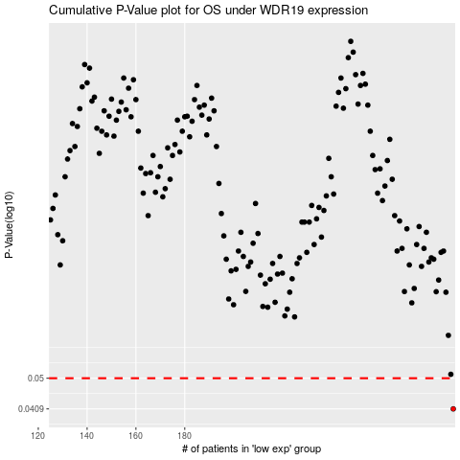

 |  |  |  |  |  | cases_OS | p_OS | rank | exp
 |  |  |  |  |  | 290 | 0.0409 | 357 | 0.078271617424
 |  |  |  |  |  |  | cases_RFS | p_RFS | rank | exp
 |  |  |  |  |  |  | 289 | 0.0409 | 248 | 0.07342441304

