WDR26 _multivariate
Reported by Tex Li-Hsing Chi. tex@gate.sinica.edu.tw 2019-08-15

Table 2. The clinicopathological features of HNSCC cohort and WDR26 expression. (Chi square test)
Cutoff at -0.098 (50.0%)
 |  | WDR26 expression |  | WDR26 expression |  | (Optimised)
 | Features | Low | (%) | High | (%) | Case no | P-value | Remark | Matthews
Gender | Female | 153 | 36.9 | 153 | 36.9 | 415 | 1 | 0 | 0
2 | Male | 54 | 13 | 55 | 13.3
Age at diagnosis | <=65y | 141 | 34 | 133 | 32 | 415 | 0.4272 | 0 | 0
4 | >65y | 66 | 15.9 | 75 | 18.1
Clinical T Status | T1+T2 | 93 | 22.4 | 56 | 13.5 | 415 | 2e-04 | 1 | 0
6 | T3+T4 | 114 | 27.5 | 152 | 36.6
Clinical N Status | N0 | 108 | 26 | 108 | 26 | 415 | 1 | 0 | 0
8 | N1-3 | 99 | 23.9 | 100 | 24.1
Clinical M Status | M0 | 204 | 49.2 | 208 | 50.1 | 415 | 0.1232 | 0 | 0
10 | M1 | 3 | 0.7 | 0 | 0
Clinical Stage | Stage I+II | 62 | 14.9 | 40 | 9.6 | 415 | 0.0154 | 1 | 0
12 | Stage III+IV | 145 | 34.9 | 168 | 40.5
Surgical Margin status | Negative | 149 | 35.9 | 169 | 40.7 | 415 | 0.0278 | 1 | 0
14 | Positive | 58 | 14 | 39 | 9.4
Tobacco Exposure | Low | 94 | 22.7 | 67 | 16.1 | 415 | 0.0065 | 1 | 0
16 | High | 113 | 27.2 | 141 | 34

Table 3. Univariate/Multivariate Cox's proportional hazards regression analyses on OS time of WDR26 gene expression in HNSCC

 |  | Univariate |  |  |  | Multivariate
 | Features | HR | CI95%(L) | CI95%(H) | P-value | HR | CI95%(L) | CI95%(H) | P-value
1 | Female | 1 |  |  |  | 1
Gender | Male | 1.157 | 0.843 | 1.587 | 0.367 | 1.204 | 0.861 | 1.684 | 0.277
11 | <=65y | 1 |  |  |  | 1
Age at diagnosis | >65y | 1.329 | 0.99 | 1.784 | 0.058 | 1.398 | 1.028 | 1.902 | 0.033
12 | T1+T2 | 1 |  |  |  | 1
Clinical T Status | T3+T4 | 1.409 | 1.028 | 1.931 | 0.033 | 2.235 | 1.18 | 4.233 | 0.014
13 | N0 | 1 |  |  |  | 1
Clinical N Status | N1-3 | 1.185 | 0.89 | 1.577 | 0.246 | 1.227 | 0.859 | 1.753 | 0.261
14 | M0 | 1 |  |  |  | 1
Clinical M Status | M1 | 4.097 | 1.009 | 16.644 | 0.049 | 9.06 | 1.969 | 41.693 | 0.005
15 | Stage I+II | 1 |  |  |  | 1
Clinical Stage | Stage III+IV | 1.245 | 0.882 | 1.759 | 0.213 | 0.511 | 0.238 | 1.097 | 0.085
16 | Negative | 1 |  |  |  | 1
Surgical Margin status | Positive | 1.591 | 1.155 | 2.191 | 0.004 | 1.65 | 1.192 | 2.285 | 0.003
17 | Low | 1 |  |  |  | 1
Tobacco Exposure | High | 1.364 | 1.008 | 1.844 | 0.044 | 1.471 | 1.065 | 2.033 | 0.019
18 | Low | 1 |  |  |  | 1
RNAseq(z-score) | High | 0.935 | 0.702 | 1.246 | 0.648 | 0.904 | 0.67 | 1.22 | 0.508

Table 4. Univariate/Multivariate Cox's proportional hazards regression analyses on RFS time of WDR26 gene expression in HNSCC

 |  | Univariate |  |  |  | Multivariate
 | Features | HR | CI95%(L) | CI95%(H) | P-value | HR | CI95%(L) | CI95%(H) | P-value
1 | Female | 1 |  |  |  | 1
Gender | Male | 1.157 | 0.843 | 1.587 | 0.367 | 1.204 | 0.861 | 1.684 | 0.277
11 | <=65y | 1 |  |  |  | 1
Age at diagnosis | >65y | 1.329 | 0.99 | 1.784 | 0.058 | 1.398 | 1.028 | 1.902 | 0.033
12 | T1+T2 | 1 |  |  |  | 1
Clinical T Status | T3+T4 | 1.409 | 1.028 | 1.931 | 0.033 | 2.235 | 1.18 | 4.233 | 0.014
13 | N0 | 1 |  |  |  | 1
Clinical N Status | N1-3 | 1.185 | 0.89 | 1.577 | 0.246 | 1.227 | 0.859 | 1.753 | 0.261
14 | M0 | 1 |  |  |  | 1
Clinical M Status | M1 | 4.097 | 1.009 | 16.644 | 0.049 | 9.06 | 1.969 | 41.693 | 0.005
15 | Stage I+II | 1 |  |  |  | 1
Clinical Stage | Stage III+IV | 1.245 | 0.882 | 1.759 | 0.213 | 0.511 | 0.238 | 1.097 | 0.085
16 | Negative | 1 |  |  |  | 1
Surgical Margin status | Positive | 1.591 | 1.155 | 2.191 | 0.004 | 1.65 | 1.192 | 2.285 | 0.003
17 | Low | 1 |  |  |  | 1
Tobacco Exposure | High | 1.364 | 1.008 | 1.844 | 0.044 | 1.471 | 1.065 | 2.033 | 0.019
18 | Low | 1 |  |  |  | 1
RNAseq(z-score) | High | 0.935 | 0.702 | 1.246 | 0.648 | 0.904 | 0.67 | 1.22 | 0.508

Kaplan-Meier survival estimate: Cutoff at -0.098 (50.0%)



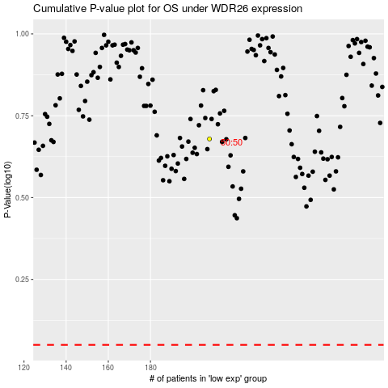

 |  |  |  |  |  | cases_OS | p_OS | rank | exp
 |  |  |  |  |  |  | cases_RFS | p_RFS | rank | exp

