WDR33 _multivariate
Reported by Tex Li-Hsing Chi. tex@gate.sinica.edu.tw 2019-08-15

Table 2. The clinicopathological features of HNSCC cohort and WDR33 expression. (Chi square test)
Cutoff at 0.307 (68.6%)
 |  | WDR33 expression |  | WDR33 expression |  | (Optimised)
 | Features | Low | (%) | High | (%) | Case no | P-value | Remark | Matthews
Gender | Female | 210 | 50.6 | 96 | 23.1 | 415 | 1 | 0 | 0
2 | Male | 75 | 18.1 | 34 | 8.2
Age at diagnosis | <=65y | 190 | 45.8 | 84 | 20.2 | 415 | 0.7661 | 0 | 0
4 | >65y | 95 | 22.9 | 46 | 11.1
Clinical T Status | T1+T2 | 114 | 27.5 | 35 | 8.4 | 415 | 0.0137 | 1 | 0
6 | T3+T4 | 171 | 41.2 | 95 | 22.9
Clinical N Status | N0 | 150 | 36.1 | 66 | 15.9 | 415 | 0.8054 | 0 | 0
8 | N1-3 | 135 | 32.5 | 64 | 15.4
Clinical M Status | M0 | 283 | 68.2 | 129 | 31.1 | 415 | 1 | 0 | 0
10 | M1 | 2 | 0.5 | 1 | 0.2
Clinical Stage | Stage I+II | 84 | 20.2 | 18 | 4.3 | 415 | 9e-04 | 1 | 0
12 | Stage III+IV | 201 | 48.4 | 112 | 27
Surgical Margin status | Negative | 221 | 53.3 | 97 | 23.4 | 415 | 0.5331 | 0 | 0
14 | Positive | 64 | 15.4 | 33 | 8
Tobacco Exposure | Low | 125 | 30.1 | 36 | 8.7 | 415 | 0.0017 | 1 | 0
16 | High | 160 | 38.6 | 94 | 22.7

Table 3. Univariate/Multivariate Cox's proportional hazards regression analyses on OS time of WDR33 gene expression in HNSCC

 |  | Univariate |  |  |  | Multivariate
 | Features | HR | CI95%(L) | CI95%(H) | P-value | HR | CI95%(L) | CI95%(H) | P-value
1 | Female | 1 |  |  |  | 1
Gender | Male | 1.157 | 0.843 | 1.587 | 0.367 | 1.189 | 0.851 | 1.662 | 0.311
11 | <=65y | 1 |  |  |  | 1
Age at diagnosis | >65y | 1.329 | 0.99 | 1.784 | 0.058 | 1.362 | 1 | 1.855 | 0.05
12 | T1+T2 | 1 |  |  |  | 1
Clinical T Status | T3+T4 | 1.409 | 1.028 | 1.931 | 0.033 | 2.31 | 1.218 | 4.381 | 0.01
13 | N0 | 1 |  |  |  | 1
Clinical N Status | N1-3 | 1.185 | 0.89 | 1.577 | 0.246 | 1.29 | 0.901 | 1.847 | 0.164
14 | M0 | 1 |  |  |  | 1
Clinical M Status | M1 | 4.097 | 1.009 | 16.644 | 0.049 | 10.024 | 2.181 | 46.066 | 0.003
15 | Stage I+II | 1 |  |  |  | 1
Clinical Stage | Stage III+IV | 1.245 | 0.882 | 1.759 | 0.213 | 0.447 | 0.205 | 0.974 | 0.043
16 | Negative | 1 |  |  |  | 1
Surgical Margin status | Positive | 1.591 | 1.155 | 2.191 | 0.004 | 1.66 | 1.201 | 2.294 | 0.002
17 | Low | 1 |  |  |  | 1
Tobacco Exposure | High | 1.364 | 1.008 | 1.844 | 0.044 | 1.411 | 1.021 | 1.95 | 0.037
18 | Low | 1 |  |  |  | 1
RNAseq(z-score) | High | 1.373 | 1.017 | 1.855 | 0.039 | 1.3 | 0.951 | 1.777 | 0.1

Table 4. Univariate/Multivariate Cox's proportional hazards regression analyses on RFS time of WDR33 gene expression in HNSCC

 |  | Univariate |  |  |  | Multivariate
 | Features | HR | CI95%(L) | CI95%(H) | P-value | HR | CI95%(L) | CI95%(H) | P-value
1 | Female | 1 |  |  |  | 1
Gender | Male | 1.157 | 0.843 | 1.587 | 0.367 | 1.189 | 0.851 | 1.662 | 0.311
11 | <=65y | 1 |  |  |  | 1
Age at diagnosis | >65y | 1.329 | 0.99 | 1.784 | 0.058 | 1.362 | 1 | 1.855 | 0.05
12 | T1+T2 | 1 |  |  |  | 1
Clinical T Status | T3+T4 | 1.409 | 1.028 | 1.931 | 0.033 | 2.31 | 1.218 | 4.381 | 0.01
13 | N0 | 1 |  |  |  | 1
Clinical N Status | N1-3 | 1.185 | 0.89 | 1.577 | 0.246 | 1.29 | 0.901 | 1.847 | 0.164
14 | M0 | 1 |  |  |  | 1
Clinical M Status | M1 | 4.097 | 1.009 | 16.644 | 0.049 | 10.024 | 2.181 | 46.066 | 0.003
15 | Stage I+II | 1 |  |  |  | 1
Clinical Stage | Stage III+IV | 1.245 | 0.882 | 1.759 | 0.213 | 0.447 | 0.205 | 0.974 | 0.043
16 | Negative | 1 |  |  |  | 1
Surgical Margin status | Positive | 1.591 | 1.155 | 2.191 | 0.004 | 1.66 | 1.201 | 2.294 | 0.002
17 | Low | 1 |  |  |  | 1
Tobacco Exposure | High | 1.364 | 1.008 | 1.844 | 0.044 | 1.411 | 1.021 | 1.95 | 0.037
18 | Low | 1 |  |  |  | 1
RNAseq(z-score) | High | 1.373 | 1.017 | 1.855 | 0.039 | 1.3 | 0.951 | 1.777 | 0.1

Kaplan-Meier survival estimate: Cutoff at 0.307 (68.6%)



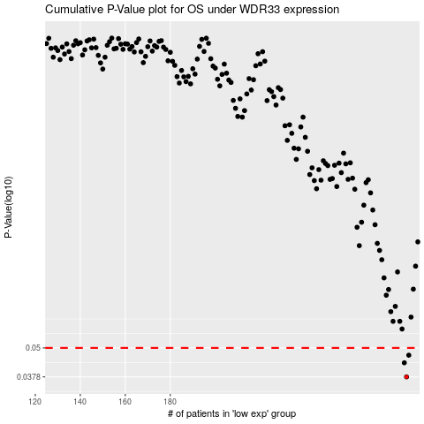

 |  |  |  |  |  | cases_OS | p_OS | rank | exp
 |  |  |  |  |  | 285 | 0.0378 | 90 | 0.30723935715
 |  |  |  |  |  | 284 | 0.0433 | 312 | 0.30390347716
 |  |  |  |  |  | 286 | 0.0466 | 281 | 0.31612865308
 |  |  |  |  |  |  | cases_RFS | p_RFS | rank | exp
 |  |  |  |  |  |  | 284 | 0.0378 | 312 | 0.30390347716
 |  |  |  |  |  |  | 283 | 0.0433 | 396 | 0.30043592671
 |  |  |  |  |  |  | 285 | 0.0466 | 90 | 0.30723935715

