WDR34 _multivariate
Reported by Tex Li-Hsing Chi. tex@gate.sinica.edu.tw 2019-08-15

Table 2. The clinicopathological features of HNSCC cohort and WDR34 expression. (Chi square test)
Cutoff at -0.274 (49.8%)
 |  | WDR34 expression |  | WDR34 expression |  | (Optimised)
 | Features | Low | (%) | High | (%) | Case no | P-value | Remark | Matthews
Gender | Female | 142 | 34.2 | 164 | 39.5 | 415 | 0.0238 | 1 | 0
2 | Male | 65 | 15.7 | 44 | 10.6
Age at diagnosis | <=65y | 135 | 32.5 | 139 | 33.5 | 415 | 0.8084 | 0 | 0
4 | >65y | 72 | 17.3 | 69 | 16.6
Clinical T Status | T1+T2 | 70 | 16.9 | 79 | 19 | 415 | 0.4343 | 0 | 0
6 | T3+T4 | 137 | 33 | 129 | 31.1
Clinical N Status | N0 | 108 | 26 | 108 | 26 | 415 | 1 | 0 | 0
8 | N1-3 | 99 | 23.9 | 100 | 24.1
Clinical M Status | M0 | 206 | 49.6 | 206 | 49.6 | 415 | 1 | 0 | 0
10 | M1 | 1 | 0.2 | 2 | 0.5
Clinical Stage | Stage I+II | 54 | 13 | 48 | 11.6 | 415 | 0.5498 | 0 | 0
12 | Stage III+IV | 153 | 36.9 | 160 | 38.6
Surgical Margin status | Negative | 161 | 38.8 | 157 | 37.8 | 415 | 0.6429 | 0 | 0
14 | Positive | 46 | 11.1 | 51 | 12.3
Tobacco Exposure | Low | 86 | 20.7 | 75 | 18.1 | 415 | 0.2687 | 0 | 0
16 | High | 121 | 29.2 | 133 | 32

Table 3. Univariate/Multivariate Cox's proportional hazards regression analyses on OS time of WDR34 gene expression in HNSCC

 |  | Univariate |  |  |  | Multivariate
 | Features | HR | CI95%(L) | CI95%(H) | P-value | HR | CI95%(L) | CI95%(H) | P-value
1 | Female | 1 |  |  |  | 1
Gender | Male | 1.157 | 0.843 | 1.587 | 0.367 | 1.188 | 0.851 | 1.66 | 0.312
11 | <=65y | 1 |  |  |  | 1
Age at diagnosis | >65y | 1.329 | 0.99 | 1.784 | 0.058 | 1.412 | 1.037 | 1.922 | 0.028
12 | T1+T2 | 1 |  |  |  | 1
Clinical T Status | T3+T4 | 1.409 | 1.028 | 1.931 | 0.033 | 2.13 | 1.123 | 4.039 | 0.021
13 | N0 | 1 |  |  |  | 1
Clinical N Status | N1-3 | 1.185 | 0.89 | 1.577 | 0.246 | 1.24 | 0.869 | 1.769 | 0.236
14 | M0 | 1 |  |  |  | 1
Clinical M Status | M1 | 4.097 | 1.009 | 16.644 | 0.049 | 9.263 | 2.02 | 42.472 | 0.004
15 | Stage I+II | 1 |  |  |  | 1
Clinical Stage | Stage III+IV | 1.245 | 0.882 | 1.759 | 0.213 | 0.525 | 0.244 | 1.13 | 0.099
16 | Negative | 1 |  |  |  | 1
Surgical Margin status | Positive | 1.591 | 1.155 | 2.191 | 0.004 | 1.696 | 1.225 | 2.346 | 0.001
17 | Low | 1 |  |  |  | 1
Tobacco Exposure | High | 1.364 | 1.008 | 1.844 | 0.044 | 1.464 | 1.062 | 2.017 | 0.02
18 | Low | 1 |  |  |  | 1
RNAseq(z-score) | High | 0.886 | 0.665 | 1.181 | 0.408 | 0.855 | 0.639 | 1.146 | 0.295

Table 4. Univariate/Multivariate Cox's proportional hazards regression analyses on RFS time of WDR34 gene expression in HNSCC

 |  | Univariate |  |  |  | Multivariate
 | Features | HR | CI95%(L) | CI95%(H) | P-value | HR | CI95%(L) | CI95%(H) | P-value
1 | Female | 1 |  |  |  | 1
Gender | Male | 1.157 | 0.843 | 1.587 | 0.367 | 1.188 | 0.851 | 1.66 | 0.312
11 | <=65y | 1 |  |  |  | 1
Age at diagnosis | >65y | 1.329 | 0.99 | 1.784 | 0.058 | 1.412 | 1.037 | 1.922 | 0.028
12 | T1+T2 | 1 |  |  |  | 1
Clinical T Status | T3+T4 | 1.409 | 1.028 | 1.931 | 0.033 | 2.13 | 1.123 | 4.039 | 0.021
13 | N0 | 1 |  |  |  | 1
Clinical N Status | N1-3 | 1.185 | 0.89 | 1.577 | 0.246 | 1.24 | 0.869 | 1.769 | 0.236
14 | M0 | 1 |  |  |  | 1
Clinical M Status | M1 | 4.097 | 1.009 | 16.644 | 0.049 | 9.263 | 2.02 | 42.472 | 0.004
15 | Stage I+II | 1 |  |  |  | 1
Clinical Stage | Stage III+IV | 1.245 | 0.882 | 1.759 | 0.213 | 0.525 | 0.244 | 1.13 | 0.099
16 | Negative | 1 |  |  |  | 1
Surgical Margin status | Positive | 1.591 | 1.155 | 2.191 | 0.004 | 1.696 | 1.225 | 2.346 | 0.001
17 | Low | 1 |  |  |  | 1
Tobacco Exposure | High | 1.364 | 1.008 | 1.844 | 0.044 | 1.464 | 1.062 | 2.017 | 0.02
18 | Low | 1 |  |  |  | 1
RNAseq(z-score) | High | 0.886 | 0.665 | 1.181 | 0.408 | 0.855 | 0.639 | 1.146 | 0.295

Kaplan-Meier survival estimate: Cutoff at -0.274 (49.8%)



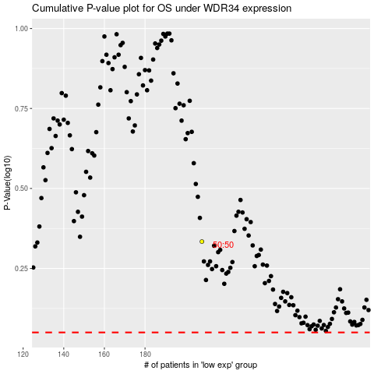

 |  |  |  |  |  | cases_OS | p_OS | rank | exp
 |  |  |  |  |  |  | cases_RFS | p_RFS | rank | exp

