WDR41 _multivariate
Reported by Tex Li-Hsing Chi. tex@gate.sinica.edu.tw 2019-08-15

Table 2. The clinicopathological features of HNSCC cohort and WDR41 expression. (Chi square test)
Cutoff at 0.136 (63.3%)
 |  | WDR41 expression |  | WDR41 expression |  | (Optimised)
 | Features | Low | (%) | High | (%) | Case no | P-value | Remark | Matthews
Gender | Female | 189 | 45.5 | 117 | 28.2 | 415 | 0.3941 | 0 | 0
2 | Male | 73 | 17.6 | 36 | 8.7
Age at diagnosis | <=65y | 172 | 41.4 | 102 | 24.6 | 415 | 0.9173 | 0 | 0
4 | >65y | 90 | 21.7 | 51 | 12.3
Clinical T Status | T1+T2 | 94 | 22.7 | 55 | 13.3 | 415 | 1 | 0 | 0
6 | T3+T4 | 168 | 40.5 | 98 | 23.6
Clinical N Status | N0 | 140 | 33.7 | 76 | 18.3 | 415 | 0.5233 | 0 | 0
8 | N1-3 | 122 | 29.4 | 77 | 18.6
Clinical M Status | M0 | 261 | 62.9 | 151 | 36.4 | 415 | 0.5577 | 0 | 0
10 | M1 | 1 | 0.2 | 2 | 0.5
Clinical Stage | Stage I+II | 66 | 15.9 | 36 | 8.7 | 415 | 0.794 | 0 | 0
12 | Stage III+IV | 196 | 47.2 | 117 | 28.2
Surgical Margin status | Negative | 207 | 49.9 | 111 | 26.7 | 415 | 0.1495 | 0 | 0
14 | Positive | 55 | 13.3 | 42 | 10.1
Tobacco Exposure | Low | 103 | 24.8 | 58 | 14 | 415 | 0.8348 | 0 | 0
16 | High | 159 | 38.3 | 95 | 22.9

Table 3. Univariate/Multivariate Cox's proportional hazards regression analyses on OS time of WDR41 gene expression in HNSCC

 |  | Univariate |  |  |  | Multivariate
 | Features | HR | CI95%(L) | CI95%(H) | P-value | HR | CI95%(L) | CI95%(H) | P-value
1 | Female | 1 |  |  |  | 1
Gender | Male | 1.157 | 0.843 | 1.587 | 0.367 | 1.243 | 0.889 | 1.738 | 0.203
11 | <=65y | 1 |  |  |  | 1
Age at diagnosis | >65y | 1.329 | 0.99 | 1.784 | 0.058 | 1.421 | 1.046 | 1.93 | 0.025
12 | T1+T2 | 1 |  |  |  | 1
Clinical T Status | T3+T4 | 1.409 | 1.028 | 1.931 | 0.033 | 2.236 | 1.184 | 4.224 | 0.013
13 | N0 | 1 |  |  |  | 1
Clinical N Status | N1-3 | 1.185 | 0.89 | 1.577 | 0.246 | 1.232 | 0.864 | 1.757 | 0.249
14 | M0 | 1 |  |  |  | 1
Clinical M Status | M1 | 4.097 | 1.009 | 16.644 | 0.049 | 8.889 | 1.938 | 40.763 | 0.005
15 | Stage I+II | 1 |  |  |  | 1
Clinical Stage | Stage III+IV | 1.245 | 0.882 | 1.759 | 0.213 | 0.506 | 0.236 | 1.084 | 0.08
16 | Negative | 1 |  |  |  | 1
Surgical Margin status | Positive | 1.591 | 1.155 | 2.191 | 0.004 | 1.597 | 1.153 | 2.211 | 0.005
17 | Low | 1 |  |  |  | 1
Tobacco Exposure | High | 1.364 | 1.008 | 1.844 | 0.044 | 1.472 | 1.068 | 2.028 | 0.018
18 | Low | 1 |  |  |  | 1
RNAseq(z-score) | High | 1.39 | 1.033 | 1.871 | 0.03 | 1.421 | 1.048 | 1.925 | 0.024

Table 4. Univariate/Multivariate Cox's proportional hazards regression analyses on RFS time of WDR41 gene expression in HNSCC

 |  | Univariate |  |  |  | Multivariate
 | Features | HR | CI95%(L) | CI95%(H) | P-value | HR | CI95%(L) | CI95%(H) | P-value
1 | Female | 1 |  |  |  | 1
Gender | Male | 1.157 | 0.843 | 1.587 | 0.367 | 1.243 | 0.889 | 1.738 | 0.203
11 | <=65y | 1 |  |  |  | 1
Age at diagnosis | >65y | 1.329 | 0.99 | 1.784 | 0.058 | 1.421 | 1.046 | 1.93 | 0.025
12 | T1+T2 | 1 |  |  |  | 1
Clinical T Status | T3+T4 | 1.409 | 1.028 | 1.931 | 0.033 | 2.236 | 1.184 | 4.224 | 0.013
13 | N0 | 1 |  |  |  | 1
Clinical N Status | N1-3 | 1.185 | 0.89 | 1.577 | 0.246 | 1.232 | 0.864 | 1.757 | 0.249
14 | M0 | 1 |  |  |  | 1
Clinical M Status | M1 | 4.097 | 1.009 | 16.644 | 0.049 | 8.889 | 1.938 | 40.763 | 0.005
15 | Stage I+II | 1 |  |  |  | 1
Clinical Stage | Stage III+IV | 1.245 | 0.882 | 1.759 | 0.213 | 0.506 | 0.236 | 1.084 | 0.08
16 | Negative | 1 |  |  |  | 1
Surgical Margin status | Positive | 1.591 | 1.155 | 2.191 | 0.004 | 1.597 | 1.153 | 2.211 | 0.005
17 | Low | 1 |  |  |  | 1
Tobacco Exposure | High | 1.364 | 1.008 | 1.844 | 0.044 | 1.472 | 1.068 | 2.028 | 0.018
18 | Low | 1 |  |  |  | 1
RNAseq(z-score) | High | 1.39 | 1.033 | 1.871 | 0.03 | 1.421 | 1.048 | 1.925 | 0.024

Kaplan-Meier survival estimate: Cutoff at 0.136 (63.3%)

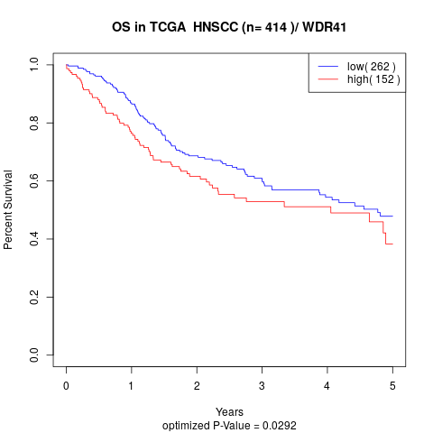

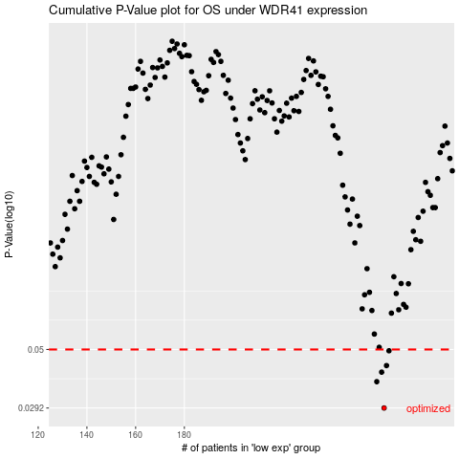

 |  |  |  |  |  | cases_OS | p_OS | rank | exp
 |  |  |  |  |  | 262 | 0.0292 | 250 | 0.13605763117
 |  |  |  |  |  | 259 | 0.0372 | 355 | 0.12831698238
 |  |  |  |  |  | 261 | 0.0406 | 321 | 0.13493517929
 |  |  |  |  |  | 263 | 0.0431 | 142 | 0.13759677776
 |  |  |  |  |  | 264 | 0.0494 | 394 | 0.14458541937
 |  |  |  |  |  |  | cases_RFS | p_RFS | rank | exp
 |  |  |  |  |  |  | 261 | 0.0292 | 321 | 0.13493517929
 |  |  |  |  |  |  | 258 | 0.0372 | 272 | 0.12521778776
 |  |  |  |  |  |  | 260 | 0.0406 | 365 | 0.12897293188
 |  |  |  |  |  |  | 262 | 0.0431 | 250 | 0.13605763117
 |  |  |  |  |  |  | 263 | 0.0494 | 142 | 0.13759677776

